1.Pdia &TOC_G+FFA
Diastolic pressure data during 35min Ischemia in isolated mice hearts perfused with Glucose and FFA
TOC green
Group averages bold red

Control Group |  | Diastolic Pressure(mmHg) (35min ischemia)
 |  | Time(min) |  |  |  |  |  |  |  |  |  |  |  |  |  |  |  |  |  |  |  |  |  |  |  |  |  |  |  |  |  |  |  |  |  |  | TOC (min)
 | mouse # | 1 | 2 | 3 | 4 | 5 | 6 | 7 | 8 | 9 | 10 | 11 | 12 | 13 | 14 | 15 | 16 | 17 | 18 | 19 | 20 | 21 | 22 | 23 | 24 | 25 | 26 | 27 | 28 | 29 | 30 | 31 | 32 | 33 | 34 | 35 | EDP≥3.0
 | Con 1 | 1.1 | 1.0 | 2.1 | 1.5 | 1.3 | 1.0 | 2.2 | 6.4 | 14.6 | 26.1 | 42.8 | 62.0 | 80.2 | 93.4 | 95.6 | 93.5 | 87.3 | 83.7 | 79.7 | 76.9 | 74.0 | 71.6 | 69.2 | 67.2 | 65.1 | 63.3 | 61.8 | 60.5 | 58.3 | 57.4 | 56.6 | 55.6 | 54.4 | 54.1 | 53.2 | 8
 | Con 2 | 1.3 | 1.1 | 1.1 | 1.0 | 1.1 | 2.6 | 19.3 | 50.7 | 93.4 | 109.7 | 105.4 | 96.1 | 89.7 | 83.8 | 79.6 | 75.3 | 72.7 | 69.3 | 66.6 | 65.1 | 63.0 | 61.0 | 59.5 | 57.7 | 56.7 | 55.2 | 54.0 | 53.2 | 52.4 | 51.0 | 50.0 | 49.4 | 48.6 | 48.5 | 47.5 | 7
 | Con 3 | 0.6 | 0.7 | 0.9 | 1.3 | 1.1 | 1.0 | 0.6 | 1.6 | 5.6 | 14.5 | 33.4 | 57.2 | 73.0 | 80.6 | 81.1 | 77.9 | 73.8 | 69.7 | 66.6 | 63.9 | 61.7 | 59.3 | 57.6 | 56.2 | 54.7 | 53.6 | 52.4 | 51.1 | 49.9 | 48.8 | 48.1 | 47.3 | 46.7 | 46.1 | 44.8 | 9
 | Con 4 | 0.5 | 0.6 | 0.4 | 0.3 | 1.0 | 0.2 | 0.4 | 0.6 | 0.4 | 0.9 | 2.3 | 8.1 | 15.4 | 27.9 | 43.4 | 59.5 | 73.8 | 81.0 | 85.7 | 88.2 | 89.1 | 89.0 | 87.4 | 84.4 | 80.1 | 75.3 | 71.4 | 65.9 | 62.4 | 59.4 | 57.1 | 54.7 | 52.7 | 50.8 | 49.2 | 12
 | Con 5 | 1.8 | 1.1 | 1.1 | 1.0 | 0.9 | 1.0 | 1.1 | 1.2 | 4.2 | 17.2 | 40.8 | 66.5 | 79.1 | 83.3 | 81.5 | 76.5 | 71.0 | 66.5 | 63.1 | 59.5 | 56.4 | 55.0 | 52.0 | 50.6 | 49.2 | 47.2 | 46.7 | 45.5 | 44.4 | 42.9 | 42.6 | 42.0 | 40.7 | 40.4 | 39.5 | 9
 | Con 6 | 1.6 | 1.2 | 0.9 | 1.0 | 0.8 | 1.4 | 1.9 | 5.8 | 26.1 | 64.4 | 88.3 | 93.5 | 90.0 | 86.4 | 82.9 | 78.0 | 74.6 | 71.4 | 68.4 | 65.8 | 64.2 | 62.3 | 60.7 | 59.6 | 58.4 | 57.1 | 55.4 | 55.0 | 54.4 | 53.6 | 52.2 | 52.0 | 51.8 | 50.8 | 50.6 | 8
 | Con 7 | 2.5 | 1.7 | 1.4 | 1.3 | 1.6 | 1.9 | 1.7 | 3.0 | 8.8 | 24.2 | 50.5 | 77.3 | 95.7 | 100.1 | 101.6 | 100.9 | 97.6 | 92.6 | 88.0 | 82.7 | 79.6 | 76.4 | 74.0 | 72.1 | 69.4 | 67.6 | 66.1 | 64.2 | 62.8 | 61.6 | 60.2 | 59.1 | 58.3 | 56.8 | 55.4 | 8
 | Con 8 | 1.5 | 1.3 | 1.2 | 1.4 | 0.8 | 0.9 | 1.0 | 1.4 | 5.8 | 20.4 | 42.5 | 60.7 | 73.7 | 78.9 | 79.9 | 79.4 | 78.4 | 76.5 | 74.6 | 70.5 | 68.0 | 66.8 | 65.1 | 63.2 | 61.3 | 59.1 | 57.7 | 56.2 | 55.0 | 54.2 | 53.0 | 51.6 | 51.2 | 50.0 | 48.6 | 9

 | Mean | 1.4 | 1.1 | 1.1 | 1.1 | 1.1 | 1.3 | 3.5 | 8.8 | 19.9 | 34.7 | 50.8 | 65.2 | 74.6 | 79.3 | 80.7 | 80.1 | 78.7 | 76.3 | 74.1 | 71.6 | 69.5 | 67.7 | 65.7 | 63.9 | 61.9 | 59.8 | 58.2 | 56.4 | 54.9 | 53.6 | 52.5 | 51.5 | 50.6 | 49.7 | 48.6 | 8.8 | Mean
 | SD | 0.7 | 0.3 | 0.5 | 0.4 | 0.3 | 0.7 | 6.4 | 17.1 | 30.8 | 35.4 | 32.2 | 27.4 | 25.3 | 21.9 | 17.1 | 12.4 | 9.2 | 8.9 | 9.5 | 10.1 | 10.8 | 11.0 | 11.1 | 10.6 | 9.6 | 8.8 | 7.9 | 6.8 | 6.2 | 6.1 | 5.6 | 5.3 | 5.3 | 5.0 | 4.9 | 1.5 | SD

NR Group |  | Diastolic Pressure(mmHg) (35min ischemia)
 |  | Time(min)
 | mouse # | 1 | 2 | 3 | 4 | 5 | 6 | 7 | 8 | 9 | 10 | 11 | 12 | 13 | 14 | 15 | 16 | 17 | 18 | 19 | 20 | 21 | 22 | 23 | 24 | 25 | 26 | 27 | 28 | 29 | 30 | 31 | 32 | 33 | 34 | 35 | TOC
 | NR 1 | 0.7 | 0.4 | 1.0 | 0.4 | 0.6 | 0.4 | 0.6 | 3.8 | 12.2 | 29.9 | 54.6 | 75.4 | 89.0 | 94.9 | 93.9 | 89.9 | 85.1 | 81.0 | 77.2 | 74.5 | 71.9 | 69.1 | 67.0 | 65.0 | 63.7 | 61.7 | 59.6 | 58.7 | 58.3 | 57.1 | 56.0 | 55.3 | 54.7 | 53.5 | 52.8 | 8
 | NR 2 | 1.0 | 0.6 | 0.7 | 0.5 | 0.5 | 0.5 | 1.3 | 13.5 | 66.7 | 94.4 | 98.4 | 94.3 | 86.3 | 80.0 | 74.6 | 71.1 | 67.7 | 64.5 | 63.2 | 60.9 | 59.7 | 57.9 | 56.6 | 54.6 | 54.5 | 53.3 | 52.7 | 51.8 | 51.5 | 50.5 | 50.2 | 50.8 | 49.8 | 50.0 | 49.4 | 8
 | NR 3 | 1.6 | 1.3 | 1.4 | 1.5 | 1.5 | 1.7 | 1.5 | 1.6 | 1.6 | 1.9 | 2.6 | 4.3 | 9.6 | 21.8 | 40.8 | 67.7 | 88.6 | 94.9 | 94.1 | 90.5 | 86.0 | 80.3 | 76.1 | 71.3 | 67.5 | 64.0 | 61.3 | 58.9 | 56.6 | 54.6 | 52.8 | 50.8 | 49.7 | 48.3 | 47.2 | 12
 | NR 4 | 0.3 | 0.2 | 0.2 | 0.2 | 0.7 | 0.4 | 0.2 | 0.3 | 8.4 | 24.1 | 69.7 | 86.2 | 83.2 | 77.4 | 71.9 | 67.4 | 64.2 | 60.9 | 57.2 | 55.1 | 53.0 | 51.5 | 49.7 | 48.4 | 47.2 | 45.6 | 44.3 | 43.0 | 42.2 | 41.7 | 40.6 | 40.2 | 40.1 | 39.1 | 38.8 | 9
 | NR 5 | 1.0 | 0.8 | 1.3 | 1.8 | 1.3 | 1.9 | 5.7 | 15.3 | 38.0 | 65.2 | 81.6 | 88.8 | 89.6 | 88.3 | 86.6 | 82.9 | 77.8 | 75.0 | 72.3 | 69.8 | 67.1 | 65.4 | 63.5 | 62.8 | 61.2 | 59.7 | 58.5 | 57.8 | 57.1 | 56.4 | 55.6 | 55.1 | 54.6 | 54.3 | 53.7 | 7
 | NR 6 | 2.5 | 1.6 | 1.4 | 1.0 | 0.9 | 0.8 | 0.8 | 0.7 | 0.8 | 0.9 | 0.7 | 1.1 | 2.6 | 8.0 | 16.3 | 32.9 | 50.3 | 68.5 | 77.1 | 82.0 | 81.5 | 77.9 | 74.7 | 71.9 | 69.3 | 67.7 | 65.1 | 63.7 | 62.2 | 61.3 | 60.2 | 59.0 | 58.0 | 57.0 | 56.0 | 14
 | NR 7 | 2.9 | 2.0 | 1.8 | 1.6 | 1.5 | 1.5 | 1.3 | 1.2 | 1.3 | 2.9 | 10.6 | 36.1 | 66.5 | 91.4 | 103.3 | 107.2 | 107.2 | 103.2 | 98.8 | 93.2 | 87.6 | 83.7 | 79.1 | 76.0 | 73.6 | 71.5 | 68.6 | 66.1 | 64.8 | 63.1 | 61.4 | 59.9 | 59.6 | 57.5 | 56.9 | 11
 | NR 8 | 1.8 | 1.1 | 0.3 | 0.2 | 0.4 | 0.3 | 0.4 | 1.1 | 7.1 | 29.0 | 62.5 | 72.2 | 73.7 | 73.8 | 71.7 | 69.2 | 66.0 | 62.7 | 59.8 | 57.3 | 55.9 | 53.6 | 52.5 | 50.7 | 49.4 | 48.0 | 47.0 | 45.9 | 45.2 | 44.2 | 43.4 | 42.7 | 42.1 | 41.7 | 41.8 | 9

 | Mean | 1.5 | 1.0 | 1.0 | 0.9 | 0.9 | 0.9 | 1.5 | 4.7 | 17.0 | 31.0 | 47.6 | 57.3 | 62.6 | 67.0 | 69.9 | 73.5 | 75.9 | 76.3 | 75.0 | 72.9 | 70.3 | 67.4 | 64.9 | 62.6 | 60.8 | 58.9 | 57.1 | 55.7 | 54.7 | 53.6 | 52.5 | 51.7 | 51.1 | 50.2 | 49.6 | 9.8 | Mean
 | SD | 0.9 | 0.6 | 0.6 | 0.7 | 0.4 | 0.7 | 1.8 | 6.1 | 23.5 | 33.3 | 38.0 | 38.1 | 35.8 | 33.1 | 28.6 | 21.5 | 17.7 | 15.7 | 15.3 | 14.7 | 13.6 | 12.4 | 11.2 | 10.4 | 9.6 | 9.2 | 8.5 | 8.2 | 7.9 | 7.7 | 7.5 | 7.2 | 7.1 | 6.8 | 6.6 | 2.4 | SD
 |  |  |  |  |  |  |  |  |  |  |  |  |  |  |  |  |  |  |  |  |  |  |  |  |  |  |  |  |  |  |  |  |  |  |  |  | 0.330 | P value

 |  | Fig 1B |  |  |  |  |  |  |  |  |  |  |  | Fig 1C
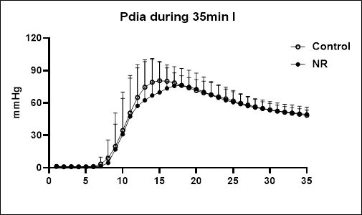
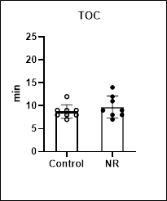
 |  |  |  |  |  |  |  |  |  |  |  | EDP≥3.0 mmHg
 |  |  |  |  |  |  |  |  |  |  |  | TOC (min)
 |  |  |  |  |  |  |  |  |  |  |  | Control | NR
 |  |  |  |  |  |  |  |  |  |  |  | 8 | 8
 |  |  |  |  |  |  |  |  |  |  |  | 7 | 8
 |  |  |  |  |  |  |  |  |  |  |  | 9 | 12
 |  |  |  |  |  |  |  |  |  |  |  | 12 | 9
 |  |  |  |  |  |  |  |  |  |  |  | 9 | 7
 |  |  |  |  |  |  |  |  |  |  |  | 8 | 14
 |  |  |  |  |  |  |  |  |  |  |  | 8 | 11
 |  |  |  |  |  |  |  |  |  |  |  | 9 | 9

 |  |  |  |  |  |  |  |  |  |  | Mean | 8.8 | 9.8
 |  |  |  |  |  |  |  |  |  |  | SD | 1.5 | 2.4
 |  |  |  |  |  |  |  |  |  |  | P value | 0.330

2.IR injury_G+FFA
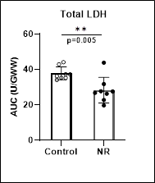
Cell death measurements in isolated mice hearts during IRI perfused with Glucose and FFA
p-values highlighted in red are sig' vs. control, by student t test

% IS |  |  |  | LDH |  |  |  |  |  |  |  |  |  |  | RPP%
 |  |  |  |  |  |  |  |  |  |  |  |  |  |  |  |  | Left Ventricular Developed Pressure (mmHg) |  |  |  |  |  |  | RPP recovery as % of Baseline
Control group |  |  |  |  |  | LDH release during reperfusion (U/min/GWW) |  |  |  |  |  |  |  |  |  |  |  |  | Heart Rate (BPM) |  | Rate x Pressure Product
Mouse Nr. | Infarct size | Area at risk | Infarct size(%AAR) |  | mouse # | R 5min | R 10min | R 15min | R 30min | R 45min | R 60min |  |  | Total LDH release(U/Gww) |  | mouse # | Baseline 25min | End reperfusion | Baseline 25min | End reperfusion | Baseline 25min | End reperfusion
Con 1 | 150607 | 218339 | 69.0 |  | Con 1 | 0.887 | 1.320 | 1.016 | 0.535 | 0.306 | 0.194 |  |  | 35.27 |  | Con 1 | 104.2 | 47.1 | 340 | 348 | 35428 | 16391 |  | 46.27
Con 2 | 140014 | 209562 | 66.8 |  | Con 2 | 0.829 | 1.109 | 1.171 | 0.656 | 0.302 | 0.205 |  |  | 37.31 |  | Con 2 | 99.0 | 27.1 | 320 | 281 | 31680 | 7615 |  | 24.04
Con 3 | 121963 | 185331 | 65.8 |  | Con 3 | 0.590 | 1.447 | 1.318 | 0.790 | 0.361 | 0.309 |  |  | 42.95 |  | Con 3 | 106.7 | 33.1 | 334 | 312 | 35638 | 10327 |  | 28.98
Con 4 | 85115 | 184455 | 46.1 |  | Con 4 | 0.400 | 0.973 | 1.015 | 0.799 | 0.339 | 0.287 |  |  | 36.24 |  | Con 4 | 104.3 | 53.3 | 320 | 300 | 33376 | 15990 |  | 47.91
Con 5 | 161196 | 191797 | 84.0 |  | Con 5 | 1.203 | 1.643 | 1.312 | 0.574 | 0.312 | 0.466 |  |  | 44.14 |  | Con 5 | 117.5 | 19.9 | 320 | 361 | 37600 | 7184 |  | 19.11
Con 6 | 140464 | 234904 | 59.8 |  | Con 6 | 0.644 | 1.081 | 1.187 | 0.571 | 0.404 | 0.296 |  |  | 37.34 |  | Con 6 | 100.2 | 32.9 | 340 | 312 | 34068 | 10265 |  | 30.13
Con 7 | 111117 | 213825 | 52.0 |  | Con 7 | 0.519 | 0.847 | 1.080 | 0.651 | 0.335 | 0.232 |  |  | 34.16 |  | Con 7 | 93.3 | 30.3 | 318 | 340 | 29669 | 10302 |  | 34.72
Con 8 | 140184 | 216350 | 64.8 |  | Con 8 | 0.602 | 1.161 | 1.150 | 0.565 | 0.314 | 0.243 |  |  | 35.32 |  | Con 8 | 110.6 | 26.4 | 337 | 336 | 37272 | 8870 |  | 23.80
 |  |  |  |  |  |  |  |  |  |  |  |  |  |  |  |  | Left Ventricular Developed Pressure (mmHg)
NR group |  |  |  |  |  | LDH release during reperfusion (U/min/GWW) |  |  |  |  |  |  |  |  |  |  |  |  | Heart Rate (BPM) |  | Rate x Pressure Product
Mouse Nr. | Infarct size | Area at risk | Infarct size(%AAR) |  | mouse # | R 5min | R 10min | R 15min | R 30min | R 45min | R 60min |  |  | Total LDH release(U/Gww) |  | mouse # | Baseline 25min | End reperfusion | Baseline 25min | End reperfusion | Baseline 25min | End reperfusion
NR 1 | 71409 | 204256 | 35.0 |  | NR 1 | 0.671 | 0.967 | 0.813 | 0.414 | 0.251 | 0.178 |  |  | 27.63 |  | NR 1 | 118.6 | 58.4 | 290 | 300 | 34394 | 17520 |  | 50.94
NR 2 | 114852 | 210446 | 54.6 |  | NR 2 | 0.680 | 0.811 | 0.571 | 0.332 | 0.225 | 0.173 |  |  | 22.82 |  | NR 2 | 94.2 | 30.6 | 300 | 312 | 28260 | 9547 |  | 33.78
NR 3 | 83453 | 209911 | 39.8 |  | NR 3 | 0.780 | 1.012 | 0.776 | 0.420 | 0.232 | 0.162 |  |  | 27.72 |  | NR 3 | 98.1 | 49.6 | 310 | 305 | 30411 | 15128 |  | 49.75
NR 4 | 71514 | 198727 | 36.0 |  | NR 4 | 0.523 | 0.761 | 0.755 | 0.614 | 0.184 | 0.115 |  |  | 26.8 |  | NR 4 | 99.8 | 45.6 | 300 | 304 | 29940 | 13862 |  | 46.30
NR 5 | 120594 | 286552 | 42.1 |  | NR 5 | 0.749 | 0.929 | 1.142 | 0.856 | 0.582 | 0.328 |  |  | 43.84 |  | NR 5 | 111.2 | 30.5 | 290 | 597 | 32248 | 18209 |  | 56.46
NR 6 | 105032 | 249305 | 42.1 |  | NR 6 | 0.488 | 0.894 | 0.789 | 0.451 | 0.244 | 0.149 |  |  | 26.34 |  | NR 6 | 94.3 | 54.4 | 380 | 330 | 35834 | 17952 |  | 50.10
NR 7 | 137903 | 231819 | 59.5 |  | NR 7 | 0.495 | 0.804 | 0.731 | 0.720 | 0.378 | 0.205 |  |  | 31.81 |  | NR 7 | 112.9 | 29.1 | 300 | 320 | 33870 | 9312 |  | 27.49
NR 8 | 32363 | 232319 | 13.9 |  | NR 8 | 0.216 | 0.516 | 0.653 | 0.392 | 0.185 | 0.118 |  |  | 19.73 |  | NR 8 | 77.9 | 59.0 | 300 | 276 | 23370 | 16284 |  | 69.68

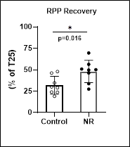
 |  | Mean Ctrl | 63.5 |  | Mean Ctrl | 0.709 | 1.198 | 1.156 | 0.643 | 0.334 | 0.279 |  | Mean Ctrl | 37.841 |  |  |  |  |  |  |  |  | Mean Ctrl | 31.868
 |  | SD | 11.5 |  | SD | 0.254 | 0.260 | 0.118 | 0.103 | 0.034 | 0.086 |  | SD | 3.692 |  |  |  |  |  | Fig 1G |  |  | SD | 10.511
 |  | Mean NR | 40.4 |  | Mean NR | 0.575 | 0.837 | 0.779 | 0.525 | 0.285 | 0.179 |  | Mean NR | 28.336 |  |  |  |  |  |  |  |  | Mean NR | 48.063
 |  | SD | 13.7 |  | SD | 0.184 | 0.156 | 0.167 | 0.185 | 0.134 | 0.067 |  | SD | 7.213 |  |  |  |  |  |  |  |  | SD | 13.001
 |  | P Value | 0.003 |  | P Value | 0.247 | 0.005 | 0.000 | 0.137 | 0.336 | 0.021 |  | P Value | 0.005 |  |  |  |  |  |  |  |  | P Value | 0.016
Fig 1D
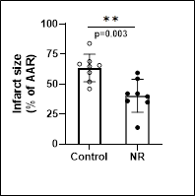
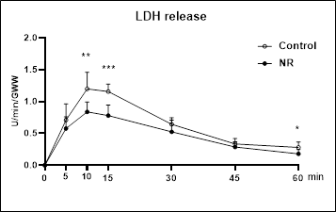
 |  |  |  | Fig 1E |  |  |  |  |  |  |  | Fig 1F

3.Function IR_G+FFA
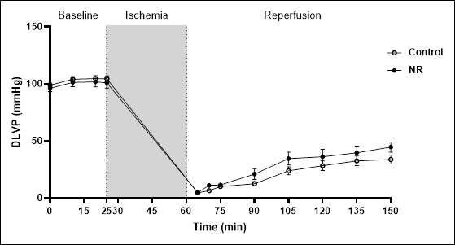
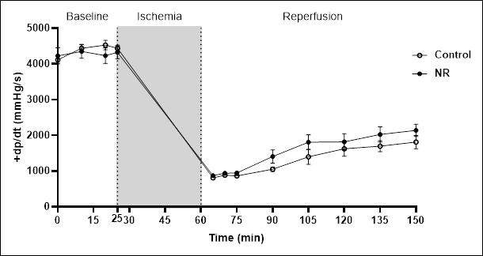
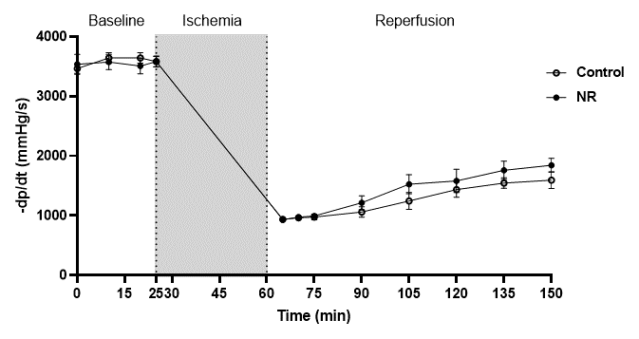
Cardiac performance throughout langendorff perfusion with Glucose and FFA

DLVP (mmHg) |  |  |  |  |  |  |  |  |  |  |  |  | dp/dt (mmHg/s) |  |  |  |  |  |  |  |  |  |  |  |  | ˗dp/dt (mmHg/s)
 | Time relative to perfusion |  |  |  |  |  |  |  |  |  |  |  |  | Time relative to perfusion |  |  |  |  |  |  |  |  |  |  |  |  | Time relative to perfusion
Control group | Baseline |  |  |  | reprfusion |  |  |  |  |  |  |  | Control group | Baseline |  |  |  | reprfusion |  |  |  |  |  |  |  | Control group | Baseline |  |  |  | reprfusion
Mouse Nr. | 0 | 10 | 20 | 25 | 5 | 10 | 15 | 30 | 45 | 60 | 75 | 90 | Mouse Nr. | 0 | 10 | 20 | 25 | 5 | 10 | 15 | 30 | 45 | 60 | 75 | 90 | Mouse Nr. | 0 | 10 | 20 | 25 | 5 | 10 | 15 | 30 | 45 | 60 | 75 | 90
Con 1 | 105.5 | 106.2 | 105.2 | 104.2 | 4.1 | 7.6 | 9 | 8.1 | 27.8 | 35.7 | 43.9 | 47.1 | Con 1 | 4452 | 4515 | 4945 | 4692 | 746 | 885 | 797 | 860 | 1783 | 1985 | 2049 | 2178 | Con 1 | 3503 | 3680 | 3642 | 3655 | 822 | 1062 | 885 | 898 | 1341 | 1805 | 1628 | 1872
Con 2 | 97 | 103.7 | 105.1 | 99 | 3.6 | 5.6 | 8.9 | 6.8 | 13.8 | 22.3 | 24.4 | 27.1 | Con 2 | 3946 | 4752 | 4896 | 4464 | 797 | 885 | 759 | 847 | 1077 | 1277 | 1380 | 1518 | Con 2 | 3200 | 3630 | 3756 | 3212 | 986 | 961 | 797 | 784 | 926 | 1176 | 1126 | 1391
Con 3 | 105.9 | 107.8 | 109.8 | 106.7 | 4.3 | 8 | 13.3 | 8.3 | 21.6 | 29.7 | 34.8 | 33.1 | Con 3 | 4110 | 4540 | 4730 | 4603 | 860 | 936 | 911 | 974 | 784 | 1682 | 1695 | 1758 | Con 3 | 3604 | 3693 | 3781 | 3807 | 1024 | 898 | 1227 | 999 | 822 | 1404 | 1530 | 1543
Con 4 | 94.4 | 104 | 102.9 | 104.3 | 5.3 | 2.1 | 10.5 | 10.4 | 43.6 | 50.3 | 54.5 | 53.3 | Con 4 | 4325 | 4363 | 4477 | 4565 | 809 | 1050 | 835 | 1203 | 2643 | 2809 | 2593 | 2909 | Con 4 | 3642 | 3655 | 3472 | 3557 | 885 | 1038 | 999 | 1126 | 1973 | 2002 | 1960 | 2302
Con 5 | 100.3 | 114.2 | 115.1 | 117.5 | 4.2 | 8.5 | 8.7 | 12.6 | 16.1 | 16.6 | 19.8 | 19.9 | Con 5 | 4439 | 4818 | 4752 | 4629 | 771 | 822 | 847 | 974 | 1075 | 1113 | 1303 | 1277 | Con 5 | 3819 | 4173 | 4022 | 3995 | 835 | 911 | 898 | 809 | 999 | 1062 | 1525 | 1126
Con 6 | 93.9 | 100.3 | 99.2 | 100.2 | 4.5 | 6.6 | 13.3 | 20.2 | 25.8 | 29.5 | 30.6 | 32.9 | Con 6 | 3781 | 4350 | 4350 | 4401 | 797 | 835 | 847 | 1213 | 1391 | 1318 | 1557 | 1771 | Con 6 | 3339 | 3528 | 3569 | 3554 | 999 | 1037 | 1088 | 1201 | 1391 | 1352 | 1556 | 1748
Con 7 | 91.4 | 90.7 | 90.5 | 93.3 | 5.8 | 8.8 | 7.6 | 22.2 | 28.4 | 30.5 | 31 | 30.3 | Con 7 | 3832 | 3857 | 3807 | 3971 | 860 | 885 | 986 | 1303 | 1480 | 1771 | 1720 | 1682 | Con 7 | 3162 | 3301 | 3174 | 3377 | 974 | 911 | 1024 | 1543 | 1581 | 1669 | 1745 | 1671
Con 8 | 101.8 | 105.3 | 109.6 | 110.6 | 4.2 | 4.7 | 9.5 | 10.9 | 13.3 | 11.7 | 20.9 | 26.4 | Con 8 | 4034 | 4325 | 4275 | 4186 | 835 | 784 | 923 | 1037 | 961 | 1024 | 1277 | 1391 | Con 8 | 3440 | 3478 | 3717 | 3490 | 974 | 885 | 898 | 1113 | 936 | 1012 | 1301 | 1100
Mean | 98.8 | 104.0 | 104.7 | 104.5 | 4.5 | 6.5 | 10.1 | 12.4 | 23.8 | 28.3 | 32.5 | 33.8 | Mean | 4114.9 | 4440.0 | 4529.0 | 4438.9 | 809.4 | 885.3 | 863.1 | 1051.4 | 1399.3 | 1622.4 | 1696.8 | 1810.5 | Mean | 3463.6 | 3642.3 | 3641.6 | 3580.9 | 937.4 | 962.9 | 977.0 | 1059.1 | 1246.1 | 1435.3 | 1546.4 | 1594.1
SD | 5.4 | 6.7 | 7.5 | 7.4 | 0.7 | 2.3 | 2.1 | 5.7 | 10.1 | 11.9 | 11.9 | 11.1 | SD | 264.4 | 298.3 | 381.4 | 247.3 | 40.7 | 81.5 | 73.2 | 170.3 | 595.3 | 584.9 | 443.8 | 522.2 | SD | 225.5 | 251.4 | 249.5 | 243.6 | 78.3 | 72.3 | 136.7 | 247.7 | 398.2 | 359.8 | 254.9 | 399.1

 | Time relative to perfusion |  |  |  |  |  |  |  |  |  |  |  |  | Time relative to perfusion |  |  |  |  |  |  |  |  |  |  |  |  | Time relative to perfusion
NR group | Baseline |  |  |  | reprfusion |  |  |  |  |  |  |  | NR group | Baseline |  |  |  | reprfusion |  |  |  |  |  |  |  | NR group | Baseline |  |  |  | reprfusion
Mouse Nr. | 0 | 10 | 20 | 25 | 5 | 10 | 15 | 30 | 45 | 60 | 75 | 90 | Mouse Nr. | 0 | 10 | 20 | 25 | 5 | 10 | 15 | 30 | 45 | 60 | 75 | 90 | Mouse Nr. | 0 | 10 | 20 | 25 | 5 | 10 | 15 | 30 | 45 | 60 | 75 | 90
NR 1 | 108.2 | 117.1 | 119.4 | 118.6 | 4.6 | 16.2 | 10.7 | 18.7 | 49.4 | 56.8 | 57.4 | 58.4 | NR 1 | 4540 | 4869 | 4957 | 4957 | 822 | 1024 | 1037 | 1935 | 2127 | 2453 | 2417 | 2466 | NR 1 | 3667 | 3920 | 3693 | 3516 | 923 | 927 | 936 | 1429 | 1733 | 1985 | 2099 | 2036
NR 2 | 91.8 | 93.9 | 94.9 | 94.2 | 3.6 | 7.5 | 9.2 | 11.2 | 19.3 | 24 | 29.1 | 30.6 | NR 2 | 3490 | 3630 | 3541 | 3452 | 948 | 999 | 911 | 961 | 1189 | 1328 | 1619 | 1619 | NR 2 | 2920 | 3174 | 3212 | 3086 | 974 | 860 | 974 | 948 | 986 | 1227 | 1366 | 1480
NR 3 | 96.8 | 97.8 | 99.8 | 98.1 | 4.4 | 14.9 | 15.9 | 11.8 | 43.7 | 44.8 | 49.1 | 49.6 | NR 3 | 3743 | 3870 | 3781 | 3870 | 885 | 948 | 1037 | 1126 | 2036 | 2137 | 2289 | 2125 | NR 3 | 3503 | 3200 | 3263 | 3541 | 936 | 999 | 1100 | 1138 | 1793 | 1733 | 2061 | 1991
NR 4 | 97.1 | 98.4 | 100.2 | 99.8 | 5.9 | 6.4 | 9.1 | 19 | 35.8 | 19.9 | 15.4 | 45.6 | NR 4 | 3705 | 4932 | 3819 | 4060 | 898 | 885 | 948 | 1239 | 1973 | 1341 | 1189 | 2123 | NR 4 | 3402 | 4097 | 3478 | 3604 | 873 | 1037 | 1050 | 1100 | 1416 | 1151 | 1378 | 1731
NR 5 | 107.1 | 111.8 | 110.4 | 111.2 | 5.6 | 7.1 | 10.1 | 7.8 | 10.5 | 11.9 | 27.8 | 30.5 | NR 5 | 4818 | 4780 | 4882 | 4679 | 771 | 784 | 873 | 948 | 1023 | 1050 | 1669 | 1846 | NR 5 | 3592 | 3579 | 3655 | 3516 | 822 | 885 | 898 | 885 | 943 | 898 | 1366 | 1657
NR 6 | 86.3 | 95.3 | 97.4 | 94.3 | 4.9 | 17.4 | 14.1 | 31.8 | 40.5 | 45.6 | 50.1 | 54.4 | NR 6 | 4654 | 4578 | 4755 | 4553 | 911 | 1037 | 1012 | 1543 | 2150 | 2251 | 2517 | 2415 | NR 6 | 3617 | 3490 | 3721 | 3579 | 986 | 974 | 1050 | 1201 | 2011 | 1985 | 2061 | 2087
NR 7 | 96 | 111.4 | 113 | 112.9 | 5 | 6.3 | 9 | 18.5 | 21.2 | 24.9 | 26.9 | 29.1 | NR 7 | 5172 | 4477 | 4616 | 4641 | 822 | 885 | 911 | 1088 | 1252 | 1239 | 1530 | 1530 | NR 7 | 4489 | 3883 | 4110 | 3895 | 873 | 974 | 1024 | 1088 | 1189 | 1163 | 1353 | 1416
NR 8 | 86.1 | 84.9 | 79.4 | 77.9 | 4.5 | 12.1 | 14.2 | 48.5 | 55.4 | 61.2 | 60.3 | 59 | NR 8 | 3693 | 3655 | 3516 | 4376 | 923 | 948 | 847 | 2428 | 2706 | 2744 | 2959 | 2997 | NR 8 | 3086 | 3250 | 2934 | 3920 | 1050 | 1138 | 911 | 1935 | 2125 | 2513 | 2390 | 2352
Mean | 96.2 | 101.3 | 101.8 | 100.9 | 4.8 | 11.0 | 11.5 | 20.9 | 34.5 | 36.1 | 39.5 | 44.7 | Mean | 4226.9 | 4348.9 | 4233.4 | 4323.5 | 872.5 | 938.8 | 947.0 | 1408.5 | 1807.0 | 1817.9 | 2023.6 | 2140.1 | Mean | 3534.5 | 3574.1 | 3508.3 | 3582.1 | 929.6 | 974.3 | 992.9 | 1215.5 | 1524.5 | 1581.9 | 1759.3 | 1843.8
SD | 8.3 | 11.0 | 12.4 | 13.0 | 0.7 | 4.7 | 2.8 | 13.3 | 15.9 | 18.3 | 16.7 | 12.8 | SD | 638.9 | 546.8 | 624.9 | 495.5 | 60.9 | 84.9 | 74.2 | 528.9 | 587.1 | 648.4 | 606.3 | 485.0 | SD | 468.4 | 358.7 | 366.8 | 258.9 | 73.4 | 88.3 | 73.9 | 333.8 | 457.5 | 556.7 | 433.4 | 324.9

 | supplementary Fig1A |  |  |  |  |  |  |  |  |  |  |  | supplementary Fig1B |  |  |  |  |  |  |  |  |  |  |  |  | supplementary Fig1C

4.Metabolomics_G+FFA
Metabolomics measusements in isolated mice hearts perfused with Glucose and FFA
under constant flow 2.5ml/min

lactate&pyruvate release in effluent samples |  |  |  |  |  |  | metabolomics data in mice hearts tissues
 | Lactate release (µM) |  | Heart dry weight (mg) |  | Lactae release/HDW [µmol/(g*min)]
 |  |  |  |  |  |  |  | Analyte.name | Control_01 | Control_02 | Control_03 | Control_04 | Control_05 | Control_06 | Control_07 | Control_08 | NR_01 | NR_02 | NR_03 | NR_04 | NR_05 | NR_06 | NR_07 | NR_08 | P_Value | FDR | VIP_score | Fold_change | Log2_fold_change | 一Log 10 (P value)
 | Control | NR | Control | NR | Control | NR |  | Alanine | 0.307757233 | 0.279471091 | 0.4233055 | 0.25434156 | 0.229625171 | 0.461330934 | 0.28045652 | 0.199944112 | 0.368008701 | 0.425094748 | 0.341033234 | 0.259280016 | 0.39246075 | 0.17026253 | 0.212604106 | 0.388043122 | 0.7498857207 | 0.8254441793 | 0.70337393927 | 1.0494842363 | 0.069680496923 | 0.12500491614
 | 14.545 | 8.712 | 23.5 | 26.7 | 1.547 | 0.816 |  | Alpha-Ketoglutarate | 0.028184407 | 0.039140669 | 0.029574202 | 0.023388129 | 0.031208752 | 0.038984689 | 0.012840019 | 0.063991845 | 0.049792516 | 0.031647493 | 0.03305126 | 0.088129025 | 0.043781857 | 0.018593555 | 0.014833205 | 0.043382632 | 0.48284773232 | 0.72427159847 | 0.47650108729 | 1.209114002 | 0.27395027636 | 0.31618980391
 | 6.288 | 10.909 | 28.8 | 24.8 | 0.546 | 1.100 |  | AMP | 2.801875836 | 1.499662234 | 3.045628861 | 1.929372215 | 1.755610548 | 3.409439722 | 2.282410959 | 1.941516419 | 2.583636049 | 1.813330836 | 3.05372841 | 2.287888619 | 2.406283603 | 1.347100026 | 1.694362619 | 2.011590324 | 0.56119584109 | 0.75087428281 | 0.56773811104 | 0.92137392582 | -0.11814132353 | 0.2508855561
 | 6.439 | 3.409 | 24.8 | 28.4 | 0.649 | 0.300 |  | Aspartate | 0.492522251 | 0.633211613 | 0.763238924 | 0.499086924 | 0.45775222 | 0.871377593 | 0.539628433 | 0.382319456 | 0.557863996 | 0.717851078 | 0.461820524 | 0.490936089 | 0.641906965 | 0.440082882 | 0.537279689 | 0.468530747 | 0.56315571211 | 0.75087428281 | 0.66548808493 | 0.93040399212 | -0.10407080783 | 0.24937150647
 | 7.424 | 5.758 | 32.1 | 34.9 | 0.578 | 0.412 |  | ATP | 0.045318658 | 0.006184741 | 0.068546486 | 0.020028856 | 0.120264574 | 0.066654584 | 0.019969958 | 0.013454023 | 0.027652583 | 0.012402974 | 0.024151797 | 0.007595803 | 0.026498102 | 0.002319623 | 0.014835188 | 0.035674983 | 0.10242907549 | 0.26786629415 | 1.0083007627 | 0.41931708752 | -1.2538864725 | 0.98957674713
 | 15.227 | 9.167 | 36.7 | 32.5 | 1.037 | 0.705 |  | Citric acid | 1.091739832 | 0.315757213 | 0.939177544 | 0.400240457 | 0.365385889 | 1.075500164 | 0.324864698 | 0.281298368 | 1.043691474 | 0.752445726 | 0.656709552 | 0.528131275 | 0.524404551 | 0.194108441 | 0.411006274 | 1.174810938 | 0.72759825537 | 0.8254441793 | 0.4938444486 | 1.1024922275 | 0.14076848496 | 0.13810835095
 | 14.167 | 15.909 | 33.3 | 34 | 1.064 | 1.170 |  | Creatine-P | 0.051038344 | 0.009160852 | 0.051501346 | 0.034990985 | 0.284642537 | 0.086576924 | 0.003040211 | 0.04505805 | 0.014134683 | 0.004913261 | 0.009136946 | 0.014374491 | 0.007430834 | 0.031605768 | 0.01541631 | 0.003236551 | 0.1116109559 | 0.26786629415 | 0.97228594654 | 0.1771152047 | -2.4972400273 | 0.95229317232
 | 12.045 | 5.379 | 29.5 | 34.3 | 1.021 | 0.392 |  | Creatinine | 0.063663281 | 0.019140959 | 0.079358985 | 0.042453904 | 0.059992187 | 0.078444302 | 0.056018537 | 0.018839467 | 0.087495371 | 0.10907893 | 0.098031797 | 0.051115935 | 0.084556638 | 0.029732845 | 0.049858264 | 0.104445007 | 0.087965229802 | 0.26786629415 | 1.0412968155 | 1.4699633958 | 0.55578023028 | 1.0556889584
 | 28.636 | 12.121 | 28.2 | 29.1 | 2.539 | 1.041 |  | Glucose | 1.016454474 | 1.296780624 | 1.098852444 | 0.890480713 | 0.658967917 | 1.404128248 | 0.747073585 | 1.390419139 | 0.939432859 | 0.996062527 | 0.724822935 | 0.949868501 | 0.868790632 | 0.818652939 | 0.827590405 | 0.740172642 | 0.089701821076 | 0.26786629415 | 1.0644668498 | 0.80739345678 | -0.30865619981 | 1.0471987401
 |  |  |  |  |  |  |  | Glucose-6P | 0.225041996 | 0.811884783 | 0.310087724 | 0.414558124 | 0.145816554 | 0.554523982 | 0.621419699 | 0.178305011 | 0.377043985 | 2.287474596 | 0.747078339 | 0.490810698 | 0.862795095 | 0.276860359 | 0.561483889 | 0.271985187 | 0.22223126901 | 0.44446253802 | 0.82303512898 | 1.8014054217 | 0.84912290864 | 0.65319483377
Mean | 13.097 | 8.920 | 29.612 | 30.588 | 1.123 | 0.742 |  | Glutamate | 1.482814541 | 1.854951419 | 1.84335893 | 1.452549011 | 1.305293286 | 2.01630932 | 1.054883253 | 1.603106608 | 1.696287459 | 2.364874675 | 1.507639169 | 1.249621964 | 2.159623173 | 1.14592371 | 1.062536617 | 1.617178901 | 0.90731957686 | 0.94676825411 | 0.58855715722 | 1.0150967477 | 0.02161723556 | 0.04223971843
SD | 7.302 | 4.072 | 4.362 | 3.841 | 0.661 | 0.345 |  | Glutamine | 1.265187032 | 1.413694244 | 1.81459395 | 1.090230106 | 1.031342522 | 1.900060847 | 1.182886101 | 0.897058619 | 1.40802327 | 1.678807441 | 1.604465442 | 1.227210307 | 1.701590671 | 0.775132358 | 1.026909102 | 1.618740961 | 0.75665716435 | 0.8254441793 | 0.68834569574 | 1.0420787053 | 0.059464244527 | 0.12110085148
P Value | 0.180 |  | 0.382 |  | 0.382 |  |  | IMP | 2.193784869 | 3.337167626 | 4.176851713 | 2.148325455 | 0.344086533 | 3.416000851 | 2.933295215 | 1.581556218 | 3.232151452 | 4.675052428 | 3.047582396 | 2.48544964 | 4.346888859 | 0.625246374 | 1.989843741 | 4.008923901 | 0.4164365898 | 0.66629854369 | 0.81825695243 | 1.2126101908 | 0.27811585207 | 0.38045111861
 |  |  |  |  |  |  |  | Lactate | 0.379623483 | 0.884105554 | 0.951041425 | 0.50572662 | 0.494502111 | 1.154171768 | 0.815124325 | 0.181872767 | 0.833482942 | 1.526188996 | 0.748224829 | 0.409820195 | 1.349072421 | 0.235229961 | 0.614128631 | 1.012449636 | 0.39852701002 | 0.66629854369 | 0.7727163095 | 1.2538924507 | 0.32641361014 | 0.39954223912
 | Pyruvate release (µM) |  | Pyruvate release/HDW [µmol/(g*min)] |  | Fig2B |  |  | Malate | 0.400892008 | 0.495037612 | 0.378844679 | 0.199387637 | 0.269111025 | 0.565849748 | 0.281345139 | 0.234133908 | 0.348406406 | 0.550544298 | 0.312106199 | 0.247880391 | 0.429737083 | 0.097321949 | 0.240574185 | 0.591172839 | 0.99098886516 | 0.99098886516 | 0.72068509243 | 0.99757190337 | -0.003507262676 | 0.0039312252593
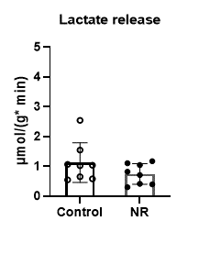
 |  |  |  |  |  |  |  | NAD+ | 0.251336193 | 0.050040562 | 0.263521298 | 0.198968574 | 0.197702218 | 0.257349691 | 0.193913281 | 0.095992121 | 0.423943977 | 0.450215201 | 0.46583364 | 0.294846361 | 0.413671926 | 0.174138805 | 0.253368257 | 0.513300967 | 0.0030531626528 | 0.024425301222 | 1.5606680698 | 1.9812246205 | 0.98639245445 | 2.5152500587
 | Control | NR | Control | NR |  |  |  | NADH | 0.024933308 | 0.002409563 | 0.025950363 | 0.003532213 | 0.007463057 | 0.022222108 | 0.011063345 | 0.004052059 | 0.029740985 | 0.014642061 | 0.020189749 | 0.002216261 | 0.025341529 | 0.003598439 | 0.011706026 | 0.042564168 | 0.33183455353 | 0.61261763729 | 0.66309352522 | 1.4759923089 | 0.56168520382 | 0.47907839339
 | 17.224 | 10.420 | 1.832 | 0.976 |  |  |  | NADP+ | 0.029202236 | 0.00089938 | 0.028585 | 0.004262741 | 0.011774031 | 0.024316113 | 0.022765551 | 0.001094374 | 0.02439881 | 0.019055179 | 0.039892364 | 0.026246088 | 0.018270072 | 0.004216475 | 0.012548051 | 0.051328742 | 0.2050322273 | 0.44446253802 | 0.79037332206 | 1.5944401644 | 0.67304995767 | 0.68817787046
 | 55.290 | 70.001 | 4.799 | 7.057 |  |  |  | Phosphoenolpyruvate | 0.169362722 | 0.090441915 | 0.196544019 | 0.106222581 | 0.062106325 | 0.189502588 | 0.137842443 | 0.046931782 | 0.22500701 | 0.260004745 | 0.213690046 | 0.190159967 | 0.234067895 | 0.107046204 | 0.150129865 | 0.224070391 | 0.01391863996 | 0.067311043505 | 1.356324526 | 1.6058552454 | 0.68334185165 | 1.8564031991
 |  | 58.293 |  | 5.131 |  |  |  | Pyruvate | 0.225906526 | 0.380827999 | 0.300167863 | 0.188295793 | 0.148918296 | 0.338299311 | 0.201577378 | 0.129739077 | 0.275062424 | 0.305838688 | 0.230874553 | 0.303783559 | 0.315190295 | 0.091182361 | 0.19947231 | 0.300845795 | 0.75244108799 | 0.8254441793 | 0.59343207683 | 1.0567047676 | 0.079572358858 | 0.12352749728
 | 10.420 | 57.742 | 0.812 | 4.136 |  |  |  | Ribose-5P | 0.060860057 | 0.156474624 | 0.134428154 | 0.053774522 | 0.028343468 | 0.136534061 | 0.070655188 | 0.053860997 | 0.287273912 | 0.368805781 | 0.283253395 | 0.214151004 | 0.288888192 | 0.10286678 | 0.155951587 | 0.317732141 | 0.00072376728819 | 0.010175928243 | 1.7324212359 | 2.905213015 | 1.5386439483 | 3.1404010494
 | 9.378 | 33.100 | 0.639 | 2.546 |  |  |  | Sedoheptulose-7P | 0.006381826 | 0.053268389 | 0.002379298 | 0.016153019 | 0.016737653 | 0.011863098 | 0.005985185 | 0.012457308 | 0.03993684 | 0.0539474 | 0.04576371 | 0.056273898 | 0.042827876 | 0.065235157 | 0.063518562 | 0.01945822 | 0.00084799402027 | 0.010175928243 | 1.7954990711 | 3.0901119191 | 1.6276590913 | 3.0716072102
 | 22.006 | 29.668 | 1.652 | 2.181 |  |  |  | Succinate | 0.401571064 | 0.197820472 | 0.190902786 | 0.421991432 | 0.39027817 | 0.276575253 | 0.337179867 | 0.204148121 | 0.346051281 | 0.587984368 | 0.512116045 | 0.341444136 | 0.41051535 | 0.397814366 | 0.370833515 | 0.517794088 | 0.014023134064 | 0.067311043505 | 1.3334778401 | 1.4396200863 | 0.52568813673 | 1.853154914
 | 18.389 | 11.892 | 1.558 | 0.867 |  |  |  | UDP-hexose | 0.045900937 | 0.01121458 | 0.043867203 | 0.043451749 | 0.046856952 | 0.057892267 | 0.029260785 | 0.019054404 | 0.032779707 | 0.013601826 | 0.032975965 | 0.034949706 | 0.021969651 | 0.002288251 | 0.018135604 | 0.038688758 | 0.096744228917 | 0.26786629415 | 1.0540361599 | 0.65677380019 | -0.60653151815 | 1.0143749325
 | 15.815 | 19.799 | 1.402 | 1.701

Mean | 21.218 | 36.364 | 1.814 | 3.074 |  |  |  |  | NAD+ |  |  | normalized NAD+
SD | 15.660 | 22.901 | 1.388 | 2.186 |  |  |  |  | Control | NR |  | Control | NR |  |  | Fig2E
P Value | 0.121 |  | 0.152 |  | Fig2C |  |  |  | 0.251 | 0.424 |  | 1.333 | 2.248
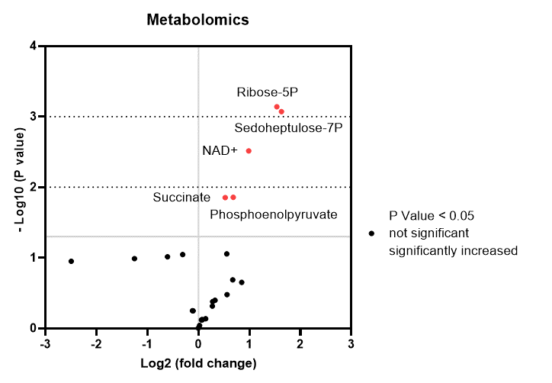
 |  |  |  |  |  |  |  |  | 0.050 | 0.450 |  | 0.265 | 2.387
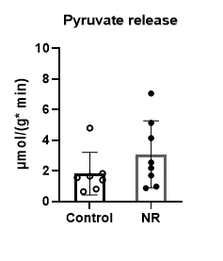
 |  |  |  |  |  |  |  |  | 0.264 | 0.466 |  | 1.397 | 2.470
 |  |  |  |  |  |  |  |  | 0.199 | 0.295 |  | 1.055 | 1.563
 |  |  |  |  |  |  |  |  | 0.198 | 0.414 |  | 1.048 | 2.193
 |  |  |  |  |  |  |  |  | 0.257 | 0.174 |  | 1.365 | 0.923
 |  |  |  |  |  |  |  |  | 0.194 | 0.253 |  | 1.028 | 1.343
 |  |  |  |  |  |  |  |  | 0.096 | 0.513 |  | 0.509 | 2.722

 |  |  |  |  |  |  |  | Mean | 0.189 | 0.374 |  | 1.000 | 1.981
 |  |  |  |  |  |  |  | SD | 0.078 | 0.119 |  | 0.412 | 0.629
 |  |  |  |  |  |  |  | P Value | 0.003 |  |  | 0.003

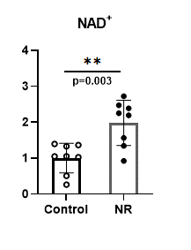
 |  |  |  |  |  |  |  |  |  | Fig2D

5.Fluxomics_G+FFA
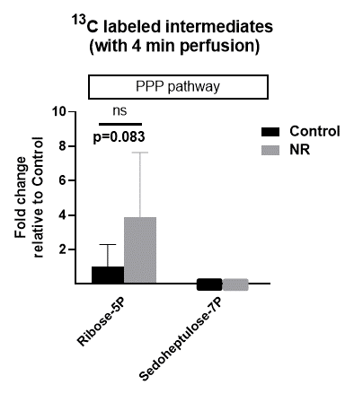
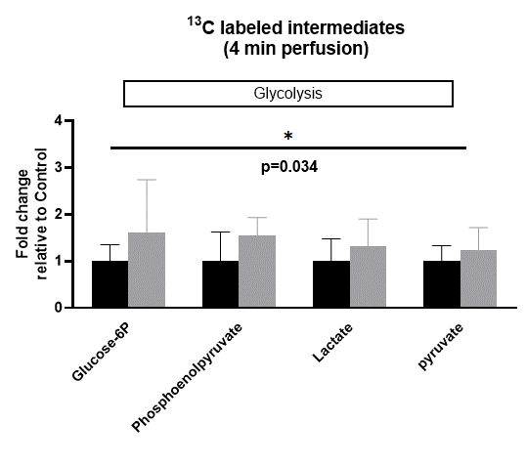
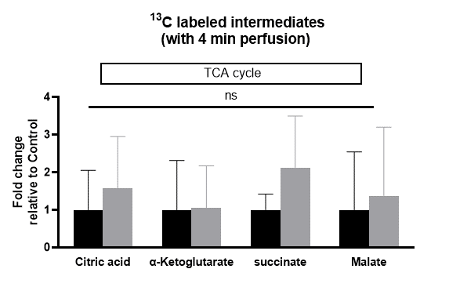
Fluxomics measusements in isolated mice hearts perfused with Glucose and FFA
under constant flow 2.5ml/min

Fluxomics data in mice hearts tissues
 | original data
 | Analyte.name | Control_01 | Control_02 | Control_03 | Control_04 | Control_05 | Control_06 | Control_07 | Control_08 | NR_01 | NR_02 | NR_03 | NR_04 | NR_05 | NR_06 | NR_07 | NR_08 | Mean_Crtl | SD | Mean_NR | SD | P Value
 | Glucose-6P | 0.036643197378 | 0.060263384137 | 0.028704863294 | 0.044303613919 | 0.0345322212 | 0.048411196165 | 0.019771339277 | 0.027126263494 | 0.045868408161 | 0.16328877384 | 0.056004079339 | 0.043969473323 | 0.038726373089 | 0.059158895004 | 0.038310151912 | 0.037362186988 | 0.037469509858 | 0.013051128336 | 0.060336042707 | 0.042386839613 | 0.034
 | Phosphoenolpyruvate | 0.067003646206 | 0.0071839505376 | 0.044265974448 | 0.026990873719 | 0.02689447892 | 0.046767978261 | 0.017346460667 | 0.016823189863 | 0.064009706578 | 0.039296384388 | 0.054933496442 | 0.052365347464 | 0.038726924145 | 0.04736238605 | 0.028848688483 | 0.063678160688 | 0.031659569078 | 0.019657536528 | 0.04865263678 | 0.012505768529
 | Lactate | 0.18572109803 | 0.18101937859 | 0.28453468598 | 0.17523289684 | 0.076942252179 | 0.32550067353 | 0.19475565629 | 0.070023318441 | 0.30565393841 | 0.3478177648 | 0.26137701019 | 0.12881324133 | 0.37088978593 | 0.084102047457 | 0.14013729912 | 0.31601690488 | 0.18671624498 | 0.088420325419 | 0.24435099902 | 0.11070589666
 | pyruvate | 0.045151506796 | 0.04069555813 | 0.047127806883 | 0.029221603478 | 0.024051704993 | 0.052602924864 | 0.017540258711 | 0.039221343653 | 0.064168515654 | 0.039621638933 | 0.045431854103 | 0.070330338232 | 0.052743151482 | 0.019348042926 | 0.023349043464 | 0.04925870387 | 0.036951588439 | 0.01217659872 | 0.045531411083 | 0.017891705522

 | Citric acid | 0.059859498724 | 0.0058994006878 | 0.11176986233 | 0.0057103282467 | 0.010205412246 | 0.056686000738 | 0.014912863364 | 0.020457519879 | 0.12145057529 | 0.079044692817 | 0.023717212567 | 0.027613563548 | 0.027533360029 | 0.010151095658 | 0.02697902469 | 0.13493243977 | 0.035687610777 | 0.037630885337 | 0.056427745546 | 0.048765266853 | 0.275
 | succinate | 0.032920108381 | 0.0099798976082 | 0.017756818944 | 0.014113206057 | 0.011193249106 | 0.014231358446 | 0.024115489943 | 0.023375925781 | 0.028311792316 | 0.066271994058 | 0.024866284092 | 0.014254766987 | 0.019124942982 | 0.078513966046 | 0.021083863042 | 0.061904080639 | 0.018460756783 | 0.0078123886807 | 0.03929146127 | 0.025273827812
 | Alpha-Ketoglutarate | 0.0013121577822 | 0.0020406559717 | 0.0045194173174 | 0.00068362792255 | 0.00016892560529 | 0.00054773074296 | 0.000310584372 | 0.0090263218987 | 0.0077557697823 | 0.0012986254272 | 0 | 0.0046972547802 | 0.0012724708537 | 0.0012908307905 | 0.00059043935297 | 0.002803574397 | 0.0023261777016 | 0.0030563560883 | 0.002463620673 | 0.0025868142309
 | Malate | 0.00075566628724 | 0.0049385174316 | 0.019551099549 | 0 | 0 | 0 | 0.0022303022322 | 0.0071465193884 | 0.0061686244863 | 0.017335822756 | 0.0012936271471 | 0.001496636324 | 0 | 0 | 0.0020801198489 | 0.019319702337 | 0.0043277631111 | 0.0066913184543 | 0.0059618166124 | 0.0078896660131

 | Ribose-5P | 0.0017352131791 | 0.00086061365381 | 7.9620585761E-05 | 3.6159763152E-06 | 0.000220929845 | 0 | 0.00015368790798 | 0.00070182815502 | 0.0048950388997 | 0.0033871835091 | 0.00082901740576 | 0.0023183120232 | 0.0025907137726 | 0 | 0.00027361368928 | 0.00024777524444 | 0.00046943866287 | 0.00060474133951 | 0.001817706818 | 0.0017692552394 | 0.083

 | normalized data
 | Analyte.name | Control_01 | Control_02 | Control_03 | Control_04 | Control_05 | Control_06 | Control_07 | Control_08 | NR_01 | NR_02 | NR_03 | NR_04 | NR_05 | NR_06 | NR_07 | NR_08 | Mean_Crtl | SD | Mean_NR | SD | P Value
 | Glucose-6P | 0.97794706995 | 1.6083312636 | 0.76608590299 | 1.1823910718 | 0.92160856468 | 1.2920157309 | 0.52766474267 | 0.72395565347 | 1.2241528735 | 4.3579105907 | 1.4946573774 | 1.1734734052 | 1.0335436261 | 1.5788542532 | 1.022435363 | 0.99713572795 | 1 | 0.34831329219 | 1.6102704021 | 1.1312354972 | 0.034
 | Phosphoenolpyruvate | 2.1163789703 | 0.22691245481 | 1.3981862589 | 0.85253446288 | 0.84948973417 | 1.4772146186 | 0.54790577295 | 0.53137772728 | 2.0218123128 | 1.2412166537 | 1.7351308954 | 1.6540132727 | 1.2232296671 | 1.495989599 | 0.91121544997 | 2.0113400954 | 1 | 0.62090347724 | 1.5367434933 | 0.39500754095
 | Lactate | 0.99467027116 | 0.9694891765 | 1.5238882188 | 0.93849839821 | 0.41208118868 | 1.7432905935 | 1.043056839 | 0.3750253142 | 1.6369970295 | 1.8628146942 | 1.3998621824 | 0.68988770281 | 1.9863819882 | 0.45042705022 | 0.75053618999 | 1.6924981804 | 1 | 0.47355453954 | 1.3086756272 | 0.59290982779
 | pyruvate | 1.2219097664 | 1.1013209404 | 1.2753932611 | 0.79080777615 | 0.65089772888 | 1.4235632915 | 0.47468213012 | 1.0614251054 | 1.7365563529 | 1.0722580708 | 1.2294966475 | 1.9033102825 | 1.4273581654 | 0.52360517488 | 0.63188199616 | 1.3330605246 | 1 | 0.32952842448 | 1.2321909019 | 0.48419313695

 | Citric acid | 1.6773187507 | 0.16530668653 | 3.1318953524 | 0.16000870112 | 0.28596512974 | 1.5883943896 | 0.41787228226 | 0.57323870759 | 3.4031579207 | 2.214905708 | 0.66457832425 | 0.7737576976 | 0.7715103205 | 0.28444312848 | 0.75597732945 | 3.7809322853 | 1 | 1.054452358 | 1.5811578393 | 1.3664480695 | 0.275
 | succinate | 1.7832480416 | 0.54060067663 | 0.96186841917 | 0.76449769763 | 0.60632666567 | 0.77089788968 | 1.3063110156 | 1.266249594 | 1.533620352 | 3.5898850104 | 1.346980754 | 0.772165906 | 1.0359782758 | 4.2530199042 | 1.1420909386 | 3.3532796821 | 1 | 0.42318897174 | 2.1283776029 | 1.3690569736
 | Alpha-Ketoglutarate | 0.56408320881 | 0.87725712886 | 1.9428512767 | 0.29388465124 | 0.072619389815 | 0.23546384379 | 0.13351704463 | 3.8803234561 | 3.3341260975 | 0.55826578782 | 0 | 2.0193017829 | 0.54702220421 | 0.55491495325 | 0.25382383838 | 1.2052279562 | 1 | 1.3138962196 | 1.0590853275 | 1.112044978
 | Malate | 0.17460897647 | 1.1411247115 | 4.517599288 | 0 | 0 | 0 | 0.51534757678 | 1.6513194472 | 1.4253609377 | 4.005723583 | 0.29891357588 | 0.34582214542 | 0 | 0 | 0.4806454964 | 4.4641312016 | 1 | 1.5461378737 | 1.3775746175 | 1.8230355522

 | Ribose-5P | 3.696357621 | 1.8332824326 | 0.16960807036 | 0.0077027663063 | 0.47062558429 | 0 | 0.3273865579 | 1.4950369676 | 10.42743022 | 7.2153910127 | 1.7659759865 | 4.9384769652 | 5.5187481934 | 0 | 0.58285290693 | 0.52781175485 | 1 | 1.2882222692 | 3.87208588 | 3.7688741454 | 0.083

 |  | Fig2F |  |  |  |  | Fig2G |  |  |  |  | Fig2H

6.Pdia &TOC_Lac+Pyr+FFA
Diastolic pressure data during 35min Ischemia in isolated mice hearts perfused with Lactate + Pyruvate + FFA
TOC green
Group averages bold red

Control Group |  | Diastolic Pressure(mmHg) (35min ischemia)
 |  | Time(min) |  |  |  |  |  |  |  |  |  |  |  |  |  |  |  |  |  |  |  |  |  |  |  |  |  |  |  |  |  |  |  |  |  |  |  | TOC (min)
 | mouse # | 1 | 2 | 3 | 4 | 5 | 6 | 7 | 8 | 9 | 10 | 11 | 12 | 13 | 14 | 15 | 16 | 17 | 18 | 19 | 20 | 21 | 22 | 23 | 24 | 25 | 26 | 27 | 28 | 29 | 30 | 31 | 32 | 33 | 34 | 35 |  | EDP≥3.0
 | Con 1 | 1.8 | 1.9 | 2.3 | 5.4 | 27.3 | 90.5 | 124.2 | 107.0 | 91.1 | 82.1 | 75.4 | 70.9 | 67.0 | 64.3 | 60.5 | 58.9 | 57.4 | 55.1 | 54.6 | 53.2 | 52.8 | 51.9 | 50.4 | 49.8 | 49.4 | 48.7 | 47.8 | 47.0 | 46.7 | 46.3 | 45.6 | 45.0 | 44.7 | 44.2 | 43.6 |  | 4
 | Con 2 | 0.7 | 0.8 | 1.7 | 2.5 | 11.8 | 66.4 | 134.5 | 128.9 | 114.1 | 99.1 | 89.8 | 82.4 | 76.5 | 72.7 | 69.3 | 65.2 | 63.4 | 61.7 | 59.9 | 57.8 | 56.2 | 54.4 | 52.9 | 52.3 | 50.5 | 48.7 | 48.2 | 47.9 | 46.8 | 46.6 | 45.4 | 45.1 | 44.7 | 43.4 | 42.8 |  | 5
 | Con 3 | 0.7 | 0.6 | 0.5 | 0.3 | 0.3 | 0.6 | 0.7 | 1.5 | 2.1 | 4.2 | 8.9 | 25.1 | 56.0 | 93.0 | 105.0 | 99.2 | 92.0 | 86.0 | 82.1 | 76.8 | 74.8 | 72.5 | 71.0 | 67.2 | 64.9 | 63.5 | 62.6 | 62.4 | 61.7 | 62.0 | 62.2 | 62.3 | 62.4 | 62.4 | 62.0 |  | 10
 | Con 4 | 1.2 | 0.9 | 1.1 | 0.9 | 1.5 | 2.1 | 2.9 | 6.3 | 10.8 | 24.8 | 52.0 | 96.5 | 136.5 | 135.0 | 122.5 | 108.8 | 101.1 | 94.2 | 88.5 | 84.8 | 80.9 | 77.9 | 75.5 | 73.6 | 70.9 | 69.7 | 67.9 | 66.2 | 65.3 | 63.7 | 62.2 | 61.5 | 60.0 | 59.0 | 58.0 |  | 8
 | Con 5 | 1.9 | 1.2 | 1.5 | 1.7 | 1.8 | 2.8 | 4.5 | 8.9 | 19.1 | 40.1 | 76.6 | 110.6 | 135.0 | 122.5 | 111.4 | 100.8 | 93.2 | 87.6 | 82.8 | 79.1 | 76.5 | 73.5 | 69.2 | 67.5 | 67.1 | 64.7 | 63.8 | 62.8 | 61.6 | 60.3 | 60.4 | 59.8 | 59.1 | 58.1 | 57.6 |  | 7
 | Con 6 | 1.6 | 0.8 | 1.3 | 0.9 | 0.7 | 3.4 | 9.6 | 39.5 | 67.9 | 100.2 | 118.4 | 112.6 | 106.6 | 97.6 | 94.0 | 89.4 | 83.6 | 79.8 | 76.4 | 73.4 | 71.7 | 69.1 | 66.3 | 65.6 | 64.1 | 62.7 | 62.2 | 60.3 | 59.4 | 58.3 | 57.6 | 56.9 | 55.7 | 55.4 | 55.2 |  | 6
 | Con 7 | 1.0 | 0.6 | 0.3 | 0.4 | 1.3 | 0.8 | 1.0 | 4.4 | 20.9 | 68.2 | 88.8 | 90.3 | 84.1 | 78.5 | 75.4 | 73.0 | 71.2 | 69.8 | 66.8 | 63.8 | 60.0 | 57.1 | 54.3 | 52.4 | 51.6 | 50.0 | 49.4 | 47.5 | 47.2 | 46.5 | 45.3 | 44.8 | 45.1 | 44.9 | 44.4 |  | 8
 | Con 8 | 1.1 | 0.6 | 0.8 | 1.6 | 2.4 | 4.3 | 8.4 | 30.9 | 47.2 | 95.7 | 124.8 | 120.4 | 98.1 | 93.8 | 89.1 | 81.6 | 77.6 | 74.5 | 72.1 | 69.5 | 67.8 | 65.4 | 63.9 | 62.0 | 60.5 | 59.3 | 58.5 | 58.1 | 57.7 | 57.3 | 56.8 | 56.4 | 56.2 | 56.1 | 55.3 |  | 6

 | Mean | 1.3 | 0.9 | 1.2 | 1.7 | 5.9 | 21.4 | 35.7 | 40.9 | 46.7 | 64.3 | 79.3 | 88.6 | 95.0 | 94.7 | 90.9 | 84.6 | 79.9 | 76.1 | 72.9 | 69.8 | 67.6 | 65.2 | 62.9 | 61.3 | 59.9 | 58.4 | 57.6 | 56.5 | 55.8 | 55.1 | 54.4 | 54.0 | 53.5 | 52.9 | 52.4 |  | 6.8 | Mean
 | SD | 0.5 | 0.4 | 0.7 | 1.7 | 9.4 | 35.8 | 57.9 | 49.7 | 40.8 | 37.0 | 36.9 | 30.5 | 29.8 | 24.1 | 21.6 | 18.0 | 15.3 | 13.4 | 11.8 | 10.9 | 10.2 | 9.7 | 9.3 | 8.8 | 8.3 | 8.2 | 8.0 | 7.8 | 7.7 | 7.4 | 7.7 | 7.7 | 7.5 | 7.6 | 7.6 |  | 1.9 | SD

NR Group |  | Diastolic Pressure(mmHg) (35min ischemia)
 |  | Time(min)
 | mouse # | 1 | 2 | 3 | 4 | 5 | 6 | 7 | 8 | 9 | 10 | 11 | 12 | 13 | 14 | 15 | 16 | 17 | 18 | 19 | 20 | 21 | 22 | 23 | 24 | 25 | 26 | 27 | 28 | 29 | 30 | 31 | 32 | 33 | 34 | 35 |  | TOC
 | NR 1 | 1.4 | 1.0 | 1.0 | 1.2 | 2.7 | 4.8 | 8.5 | 24.1 | 69.6 | 109.2 | 125.1 | 112.1 | 103.3 | 97.4 | 91.3 | 85.6 | 80.8 | 75.7 | 71.9 | 69.5 | 66.4 | 64.9 | 63.4 | 60.5 | 59.5 | 58.8 | 57.2 | 56.9 | 56.4 | 55.5 | 54.8 | 54.2 | 54.3 | 54.0 | 53.7 |  | 6
 | NR 2 | 0.7 | 0.9 | 2.3 | 4.3 | 10.0 | 11.0 | 31.0 | 45.4 | 62.9 | 75.9 | 92.9 | 107.3 | 117.5 | 121.0 | 113.0 | 105.0 | 99.0 | 93.3 | 87.9 | 82.8 | 76.1 | 73.8 | 71.0 | 67.3 | 65.0 | 62.4 | 60.7 | 58.6 | 57.3 | 55.9 | 53.8 | 52.9 | 51.5 | 50.5 | 49.2 |  | 4
 | NR 3 | 2.0 | 1.9 | 2.3 | 3.8 | 7.6 | 15.1 | 28.3 | 55.7 | 85.5 | 115.1 | 126.8 | 115.0 | 103.2 | 94.6 | 87.7 | 80.9 | 76.6 | 72.1 | 69.0 | 66.8 | 64.0 | 62.6 | 61.3 | 59.6 | 58.4 | 57.0 | 56.3 | 55.7 | 53.1 | 52.5 | 52.1 | 51.8 | 50.9 | 50.4 | 50.0 |  | 4
 | NR 4 | 2.1 | 1.8 | 1.9 | 2.1 | 2.2 | 3.5 | 6.0 | 11.3 | 21.7 | 35.3 | 53.1 | 75.9 | 83.6 | 74.9 | 70.1 | 64.6 | 60.6 | 57.0 | 53.7 | 50.2 | 47.9 | 47.0 | 43.7 | 43.3 | 41.5 | 40.8 | 39.7 | 37.6 | 37.8 | 38.0 | 37.5 | 37.6 | 36.2 | 36.5 | 36.4 |  | 6
 | NR 5 | 0.8 | 0.7 | 0.9 | 0.8 | 1.1 | 2.2 | 6.4 | 19.5 | 41.1 | 73.8 | 106.7 | 115.2 | 108.2 | 103.4 | 97.3 | 90.1 | 84.6 | 79.9 | 75.6 | 73.1 | 71.2 | 67.9 | 66.6 | 65.8 | 63.9 | 61.4 | 60.1 | 58.9 | 57.4 | 57.0 | 56.3 | 55.5 | 55.0 | 54.4 | 53.7 |  | 7
 | NR 6 | 1.2 | 1.7 | 1.0 | 0.7 | 0.8 | 0.9 | 1.0 | 1.2 | 2.7 | 10.2 | 35.0 | 73.5 | 89.4 | 92.6 | 83.0 | 75.6 | 72.1 | 68.2 | 65.2 | 62.2 | 59.9 | 57.9 | 55.9 | 54.4 | 52.6 | 51.5 | 50.8 | 50.6 | 50.1 | 49.1 | 49.3 | 49.5 | 49.4 | 49.4 | 48.5 |  | 10
 | NR 7 | 0.1 | 0.4 | 0.1 | 0.2 | 0.0 | 0.2 | 0.0 | 0.0 | 0.4 | 3.6 | 6.6 | 13.1 | 29.1 | 40.8 | 80.4 | 90.0 | 91.8 | 83.9 | 73.5 | 67.8 | 64.1 | 61.2 | 57.6 | 55.1 | 52.7 | 51.2 | 48.8 | 47.1 | 45.2 | 44.5 | 43.4 | 41.8 | 42.2 | 39.8 | 39.0 |  | 10
 | NR 8 | 0.9 | 0.2 | 0.1 | 0.0 | 0.1 | 0.1 | 0.0 | 0.6 | 2.2 | 7.9 | 43.5 | 70.8 | 66.0 | 58.2 | 54.7 | 51.7 | 48.7 | 46.6 | 44.9 | 41.8 | 40.0 | 38.8 | 36.4 | 35.1 | 34.2 | 33.3 | 33.1 | 32.0 | 31.9 | 31.8 | 32.0 | 30.5 | 30.7 | 30.6 | 29.7 |  | 10

 | Mean | 1.2 | 1.1 | 1.2 | 1.6 | 3.1 | 4.7 | 10.2 | 19.7 | 35.8 | 53.9 | 73.7 | 85.4 | 87.5 | 85.4 | 84.7 | 80.4 | 76.8 | 72.1 | 67.7 | 64.3 | 61.2 | 59.3 | 57.0 | 55.1 | 53.5 | 52.1 | 50.8 | 49.7 | 48.7 | 48.0 | 47.4 | 46.7 | 46.3 | 45.7 | 45.0 |  | 7.1 | Mean
 | SD | 0.7 | 0.7 | 0.9 | 1.6 | 3.7 | 5.5 | 12.5 | 21.2 | 33.9 | 45.6 | 45.1 | 35.1 | 28.6 | 25.9 | 17.5 | 16.5 | 16.3 | 14.9 | 13.3 | 13.0 | 11.9 | 11.4 | 11.7 | 11.0 | 10.8 | 10.3 | 10.0 | 10.1 | 9.6 | 9.2 | 8.9 | 9.1 | 8.9 | 8.9 | 8.9 |  | 2.6 | SD
 |  |  |  |  |  |  |  |  |  |  |  |  |  |  |  |  |  |  |  |  |  |  |  |  |  |  |  |  |  |  |  |  |  |  |  |  | P value | 0.746

 |  | Fig 3B |  |  |  |  |  |  |  |  |  |  |  | Fig 3C
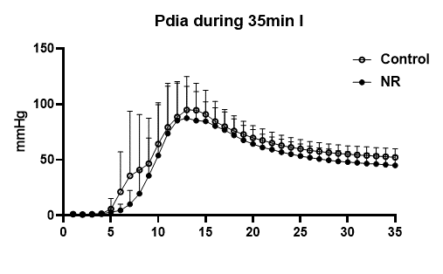
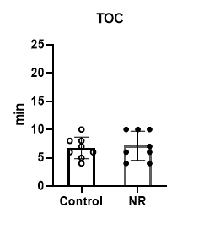
 |  |  |  |  |  |  |  |  |  |  |  | EDP≥3.0 mmHg
 |  |  |  |  |  |  |  |  |  |  |  | TOC (min)
 |  |  |  |  |  |  |  |  |  |  |  | Control | NR
 |  |  |  |  |  |  |  |  |  |  |  | 4 | 6
 |  |  |  |  |  |  |  |  |  |  |  | 5 | 4
 |  |  |  |  |  |  |  |  |  |  |  | 10 | 4
 |  |  |  |  |  |  |  |  |  |  |  | 8 | 6
 |  |  |  |  |  |  |  |  |  |  |  | 7 | 7
 |  |  |  |  |  |  |  |  |  |  |  | 6 | 10
 |  |  |  |  |  |  |  |  |  |  |  | 8 | 10
 |  |  |  |  |  |  |  |  |  |  |  | 6 | 10

 |  |  |  |  |  |  |  |  |  |  | Mean | 6.8 | 7.1
 |  |  |  |  |  |  |  |  |  |  | SD | 1.9 | 2.6
 |  |  |  |  |  |  |  |  |  |  | P value | 0.746

7.IR injury_Lac+Pyr+FFA
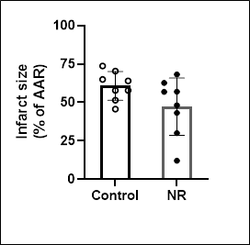
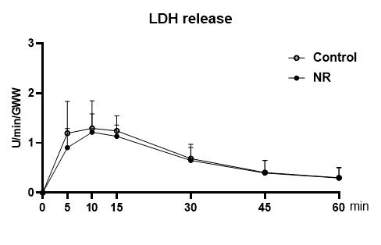
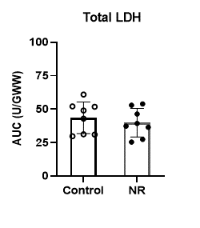
Cell death measurements in isolated mice hearts during IRI perfused with Lactate + Pyruvate + FFA

% IS |  |  |  | LDH |  |  |  |  |  |  |  |  |  |  | RPP%
 |  |  |  |  |  |  |  |  |  |  |  |  |  |  |  |  | Left Ventricular Developed Pressure (mmHg) |  |  |  |  |  |  | RPP recovery as % of Baseline
Control group |  |  |  |  |  | LDH release during reperfusion (U/min/GWW) |  |  |  |  |  |  |  |  |  |  |  |  | Heart Rate (BPM) |  | Rate x Pressure Product
Mouse Nr. | Infarct size | Area at risk | Infarct size(%AAR) |  | mouse # | R 5min | R 10min | R 15min | R 30min | R 45min | R 60min |  |  | Total LDH release(U/Gww) |  | mouse # | Baseline 25min | End reperfusion | Baseline 25min | End reperfusion | Baseline 25min | End reperfusion
Con 1 | 149484 | 233703 | 64.0 |  | Con 1 | 2.335 | 2.154 | 1.387 | 0.617 | 0.318 | 0.223 |  |  | 52.010 |  | Con 1 | 78.5 | 10.9 | 416 | 348 | 32656 | 3793 |  | 11.62
Con 2 | 144495 | 195857 | 73.8 |  | Con 2 | 1.617 | 1.765 | 1.468 | 0.729 | 0.317 | 0.229 |  |  | 49.000 |  | Con 2 | 96.8 | 35.9 | 416 | 322 | 40269 | 11560 |  | 28.71
Con 3 | 93532 | 204592 | 45.7 |  | Con 3 | 0.481 | 0.759 | 0.975 | 0.543 | 0.326 | 0.266 |  |  | 30.980 |  | Con 3 | 93.7 | 41.8 | 358 | 358 | 33545 | 14964 |  | 44.61
Con 4 | 178908 | 254196 | 70.4 |  | Con 4 | 1.562 | 1.777 | 1.740 | 0.690 | 0.353 | 0.264 |  |  | 51.720 |  | Con 4 | 79.5 | 9.6 | 336 | 348 | 26712 | 3341 |  | 12.51
Con 5 | 143544 | 248108 | 57.9 |  | Con 5 | 0.979 | 1.004 | 1.007 | 0.406 | 0.246 | 0.195 |  |  | 31.230 |  | Con 5 | 70.0 | 24.3 | 399 | 396 | 27930 | 9623 |  | 34.45
Con 6 | 115341 | 224109 | 51.5 |  | Con 6 | 0.686 | 0.977 | 0.877 | 0.472 | 0.274 | 0.195 |  |  | 29.740 |  | Con 6 | 83.8 | 32.7 | 323 | 360 | 27067 | 11772 |  | 43.49
Con 7 | 120452 | 207944 | 57.9 |  | Con 7 | 1.338 | 1.319 | 1.084 | 0.707 | 0.425 | 0.239 |  |  | 42.900 |  | Con 7 | 71.2 | 23.3 | 315 | 305 | 22428 | 7106 |  | 31.69
Con 8 | 167485 | 257497 | 65.0 |  | Con 8 | 0.571 | 0.595 | 1.419 | 1.334 | 0.999 | 0.790 |  |  | 60.940 |  | Con 8 | 72.1 | 10.8 | 240 | 320 | 17304 | 3456 |  | 19.97
 |  |  |  |  |  |  |  |  |  |  |  |  |  |  |  |  | Left Ventricular Developed Pressure (mmHg)
NR group |  |  |  |  |  | LDH release during reperfusion (U/min/GWW) |  |  |  |  |  |  |  |  |  |  |  |  | Heart Rate (BPM) |  | Rate x Pressure Product
Mouse Nr. | Infarct size | Area at risk | Infarct size(%AAR) |  | mouse # | R 5min | R 10min | R 15min | R 30min | R 45min | R 60min |  |  | Total LDH release(U/Gww) |  | mouse # | Baseline 25min | End reperfusion | Baseline 25min | End reperfusion | Baseline 25min | End reperfusion
NR 1 | 112267 | 233242 | 48.1 |  | NR 1 | 0.567 | 0.804 | 0.833 | 0.371 | 0.228 | 0.165 |  |  | 25.410 |  | NR 1 | 88.5 | 41.5 | 318 | 336 | 28143 | 13944 |  | 49.55
NR 2 | 181320 | 265870 | 68.2 |  | NR 2 | 1.316 | 1.763 | 1.285 | 0.389 | 0.259 | 0.174 |  |  | 39.270 |  | NR 2 | 90.6 | 10.8 | 324 | 404 | 29354 | 4363 |  | 14.86
NR 3 | 95044 | 220040 | 43.2 |  | NR 3 | 0.886 | 0.890 | 0.786 | 0.425 | 0.216 | 0.132 |  |  | 27.350 |  | NR 3 | 67.4 | 21.2 | 344 | 310 | 23186 | 6572 |  | 28.35
NR 4 | 150534 | 240119 | 62.7 |  | NR 4 | 1.483 | 1.747 | 1.448 | 0.941 | 0.414 | 0.259 |  |  | 52.900 |  | NR 4 | 78.4 | 13.2 | 362 | 337 | 28381 | 4448 |  | 15.67
NR 5 | 111010 | 194896 | 57.0 |  | NR 5 | 1.097 | 1.300 | 1.256 | 0.487 | 0.211 | 0.186 |  |  | 36.410 |  | NR 5 | 82.4 | 17.4 | 469 | 376 | 38646 | 6542 |  | 16.93
NR 6 | 126540 | 222377 | 56.9 |  | NR 6 | 0.610 | 1.160 | 1.227 | 0.694 | 0.281 | 0.201 |  |  | 37.250 |  | NR 6 | 78.6 | 34.3 | 336 | 300 | 26410 | 10290 |  | 38.96
NR 7 | 23625 | 196708 | 12.0 |  | NR 7 | 0.365 | 0.958 | 1.060 | 0.919 | 0.742 | 0.564 |  |  | 46.360 |  | NR 7 | 76.0 | 66.2 | 360 | 336 | 27360 | 22243 |  | 81.30
NR 8 | 63235 | 211070 | 30.0 |  | NR 8 | 0.925 | 1.110 | 1.174 | 0.955 | 0.828 | 0.698 |  |  | 53.900 |  | NR 8 | 68.1 | 42.5 | 317 | 260 | 21588 | 11050 |  | 51.19

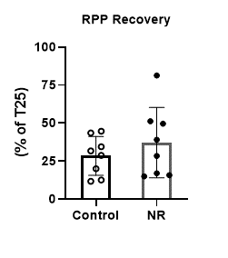
 |  | Mean Ctrl | 60.8 |  | Mean Ctrl | 1.196 | 1.294 | 1.245 | 0.687 | 0.407 | 0.300 |  | Mean Ctrl | 43.565 |  |  |  |  |  |  |  |  | Mean Ctrl | 28.380
 |  | SD | 9.4 |  | SD | 0.637 | 0.555 | 0.301 | 0.286 | 0.245 | 0.200 |  | SD | 11.780 |  |  |  |  |  | Fig 3G |  |  | SD | 12.781
 |  | Mean NR | 47.3 |  | Mean NR | 0.906 | 1.217 | 1.134 | 0.648 | 0.397 | 0.297 |  | Mean NR | 39.856 |  |  |  |  |  |  |  |  | Mean NR | 37.101
 |  | SD | 18.6 |  | SD | 0.384 | 0.367 | 0.228 | 0.260 | 0.249 | 0.212 |  | SD | 10.649 |  |  |  |  |  |  |  |  | SD | 23.137
 |  | P Value | 0.088 |  | P Value | 0.289 | 0.747 | 0.421 | 0.776 | 0.938 | 0.978 |  | P Value | 0.520 |  |  |  |  |  |  |  |  | P Value | 0.367
Fig 3D
 |  |  |  | Fig 3E |  |  |  |  |  |  |  | Fig 3F

8.Function IR_Lac+Pyr+FFA
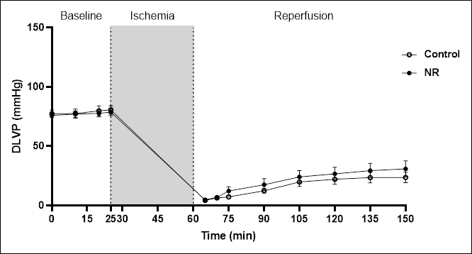
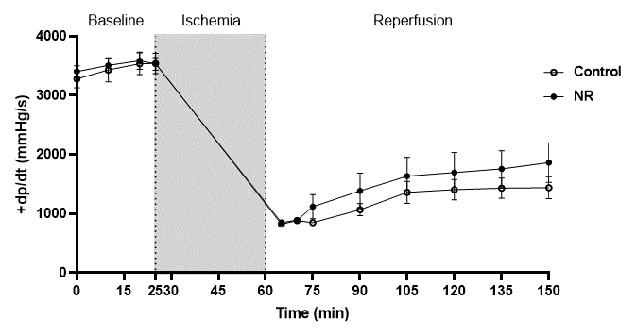
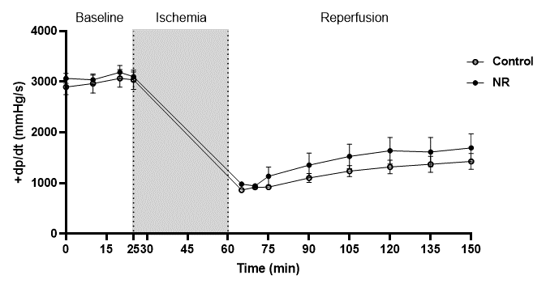
Cardiac performance throughout langendorff perfusion with Lactate + Pyruvate + FFA

DLVP (mmHg) |  |  |  |  |  |  |  |  |  |  |  |  | dp/dt (mmHg/s) |  |  |  |  |  |  |  |  |  |  |  |  | ˗dp/dt (mmHg/s)
 | Time relative to perfusion |  |  |  |  |  |  |  |  |  |  |  |  | Time relative to perfusion |  |  |  |  |  |  |  |  |  |  |  |  | Time relative to perfusion
Control group | Baseline |  |  |  | reprfusion |  |  |  |  |  |  |  | Control group | Baseline |  |  |  | reprfusion |  |  |  |  |  |  |  | Control group | Baseline |  |  |  | reprfusion
Mouse Nr. | 0 | 10 | 20 | 25 | 5 | 10 | 15 | 30 | 45 | 60 | 75 | 90 | Mouse Nr. | 0 | 10 | 20 | 25 | 5 | 10 | 15 | 30 | 45 | 60 | 75 | 90 | Mouse Nr. | 0 | 10 | 20 | 25 | 5 | 10 | 15 | 30 | 45 | 60 | 75 | 90
Con 1 | 81.9 | 77.7 | 77.6 | 78.5 | 3.5 | 4.5 | 5.2 | 8.2 | 9.2 | 10.3 | 11.3 | 10.9 | Con 1 | 3630 | 3655 | 3604 | 3680 | 809 | 860 | 759 | 809 | 936 | 936 | 961 | 961 | Con 1 | 3098 | 3010 | 3111 | 3124 | 911 | 961 | 797 | 822 | 999 | 1012 | 948 | 1100
Con 2 | 97.4 | 100.3 | 98.2 | 96.8 | 4 | 6.7 | 5.7 | 18.3 | 28.7 | 32.5 | 33.8 | 35.9 | Con 2 | 4135 | 4667 | 4464 | 4502 | 809 | 986 | 847 | 1037 | 1568 | 1733 | 1821 | 1859 | Con 2 | 3781 | 3971 | 3807 | 3882 | 771 | 961 | 986 | 1062 | 1442 | 1581 | 1657 | 1821
Con 3 | 76.4 | 86.3 | 98.4 | 93.7 | 4.6 | 11 | 12.2 | 19.9 | 35.7 | 41.2 | 44.4 | 41.8 | Con 3 | 3351 | 3655 | 3996 | 3882 | 708 | 936 | 835 | 1530 | 2403 | 2276 | 2200 | 2403 | Con 3 | 2985 | 3425 | 3642 | 3718 | 809 | 986 | 911 | 1492 | 1733 | 1998 | 2163 | 2238
Con 4 | 74.8 | 68.4 | 74.8 | 79.5 | 5 | 5.5 | 5.4 | 7.5 | 8.5 | 9.5 | 10 | 9.6 | Con 4 | 3048 | 3035 | 3200 | 3174 | 847 | 860 | 911 | 759 | 885 | 923 | 986 | 860 | Con 4 | 2770 | 2428 | 2681 | 2441 | 948 | 771 | 948 | 847 | 936 | 911 | 974 | 936
Con 5 | 71 | 68.3 | 69.3 | 70 | 4.4 | 5.1 | 8.6 | 9.4 | 20.6 | 21.6 | 22 | 24.3 | Con 5 | 3010 | 3415 | 3413 | 3440 | 797 | 809 | 797 | 999 | 1115 | 1366 | 1467 | 1366 | Con 5 | 2732 | 2808 | 2871 | 2844 | 835 | 885 | 847 | 1037 | 1024 | 1265 | 1342 | 1315
Con 6 | 74.5 | 76.2 | 78.6 | 83.8 | 4.4 | 8.6 | 11.6 | 14 | 29 | 31.5 | 32.4 | 32.7 | Con 6 | 3250 | 3111 | 3680 | 3503 | 936 | 847 | 948 | 1467 | 1733 | 1771 | 1808 | 1669 | Con 6 | 2909 | 3070 | 3225 | 3162 | 936 | 961 | 1050 | 1416 | 1619 | 1593 | 1707 | 1653
Con 7 | 71.6 | 70.7 | 71.6 | 71.2 | 4.4 | 4.9 | 5.1 | 16.3 | 18.8 | 21.5 | 23.3 | 23.3 | Con 7 | 2845 | 2985 | 3048 | 3073 | 923 | 936 | 822 | 1088 | 1353 | 1353 | 1353 | 1416 | Con 7 | 2555 | 2630 | 2871 | 2643 | 885 | 974 | 936 | 1155 | 1098 | 1189 | 1315 | 1303
Con 8 | 71.7 | 72.7 | 70.3 | 72.1 | 4 | 4.1 | 4.2 | 5 | 8 | 8.4 | 10.8 | 10.8 | Con 8 | 2959 | 2921 | 2883 | 3073 | 759 | 835 | 860 | 847 | 885 | 898 | 860 | 986 | Con 8 | 2352 | 2390 | 2327 | 2504 | 823 | 860 | 898 | 986 | 1050 | 999 | 873 | 1062
Mean | 77.4 | 77.6 | 79.9 | 80.7 | 4.3 | 6.3 | 7.2 | 12.3 | 19.8 | 22.1 | 23.5 | 23.7 | Mean | 3278.5 | 3430.5 | 3536.0 | 3540.9 | 823.5 | 883.6 | 847.4 | 1067.0 | 1359.8 | 1407.0 | 1432.0 | 1440.0 | Mean | 2897.8 | 2966.5 | 3066.9 | 3039.8 | 864.8 | 919.9 | 921.6 | 1102.1 | 1237.6 | 1318.5 | 1372.4 | 1428.5
SD | 8.8 | 10.9 | 11.9 | 10.2 | 0.5 | 2.4 | 3.1 | 5.5 | 10.7 | 12.2 | 12.6 | 12.5 | SD | 427.4 | 579.0 | 519.7 | 484.5 | 77.2 | 61.4 | 60.3 | 290.4 | 529.3 | 494.8 | 483.7 | 525.5 | SD | 428.8 | 533.5 | 489.7 | 538.9 | 64.5 | 75.0 | 78.6 | 243.8 | 311.9 | 375.6 | 448.9 | 442.9

 | Time relative to perfusion |  |  |  |  |  |  |  |  |  |  |  |  | Time relative to perfusion |  |  |  |  |  |  |  |  |  |  |  |  | Time relative to perfusion
NR group | Baseline |  |  |  | reprfusion |  |  |  |  |  |  |  | NR group | Baseline |  |  |  | reprfusion |  |  |  |  |  |  |  | NR group | Baseline |  |  |  | reprfusion
Mouse Nr. | 0 | 10 | 20 | 25 | 5 | 10 | 15 | 30 | 45 | 60 | 75 | 90 | Mouse Nr. | 0 | 10 | 20 | 25 | 5 | 10 | 15 | 30 | 45 | 60 | 75 | 90 | Mouse Nr. | 0 | 10 | 20 | 25 | 5 | 10 | 15 | 30 | 45 | 60 | 75 | 90
NR 1 | 79.1 | 84 | 87.3 | 88.5 | 4.4 | 9.7 | 13.5 | 13.9 | 33.6 | 38.6 | 40.6 | 41.5 | NR 1 | 3389 | 3402 | 3528 | 3427 | 923 | 885 | 860 | 1050 | 1657 | 1910 | 1973 | 2340 | NR 1 | 3098 | 3073 | 3250 | 3173 | 974 | 911 | 999 | 1075 | 1442 | 1884 | 1834 | 1897
NR 2 | 78.4 | 87.3 | 90.6 | 90.6 | 4.2 | 3.6 | 5.7 | 3.9 | 8 | 10.2 | 11.4 | 10.8 | NR 2 | 3566 | 4060 | 4363 | 3996 | 822 | 809 | 771 | 898 | 873 | 822 | 797 | 885 | NR 2 | 2593 | 3225 | 3984 | 3579 | 974 | 860 | 809 | 961 | 961 | 1126 | 809 | 948
NR 3 | 72.5 | 67.1 | 67.3 | 67.4 | 3.8 | 4.7 | 6.3 | 9.9 | 12.9 | 15.6 | 21.3 | 21.2 | NR 3 | 3693 | 3377 | 3402 | 3386 | 847 | 835 | 847 | 708 | 1037 | 1050 | 1442 | 1378 | NR 3 | 3503 | 2847 | 2934 | 2858 | 973 | 974 | 948 | 822 | 1239 | 1126 | 1252 | 1176
NR 4 | 82.3 | 72.6 | 74.5 | 78.4 | 5.7 | 4.2 | 7 | 7.9 | 10.8 | 13.8 | 12.7 | 13.2 | NR 4 | 3845 | 3516 | 3427 | 3566 | 784 | 759 | 911 | 784 | 873 | 1012 | 961 | 1062 | NR 4 | 3364 | 2820 | 2770 | 2921 | 911 | 847 | 948 | 898 | 885 | 999 | 847 | 1126
NR 5 | 78.4 | 86.5 | 79.5 | 82.4 | 4.9 | 5.9 | 7.7 | 8.9 | 15.7 | 18.4 | 17.4 | 17.4 | NR 5 | 3313 | 3984 | 4034 | 3984 | 797 | 948 | 986 | 1037 | 1239 | 1252 | 1265 | 1328 | NR 5 | 3136 | 3566 | 3402 | 3301 | 911 | 948 | 1062 | 1088 | 1189 | 1227 | 1151 | 1239
NR 6 | 73.8 | 74.6 | 79.9 | 78.6 | 4.7 | 12.2 | 6.9 | 16.5 | 23.6 | 24.8 | 29 | 34.3 | NR 6 | 3212 | 3237 | 3364 | 3187 | 999 | 1062 | 885 | 1429 | 1631 | 1505 | 1948 | 1948 | NR 6 | 2997 | 2757 | 3063 | 2945 | 1201 | 1100 | 938 | 1380 | 1543 | 1505 | 1733 | 1910
NR 7 | 71.5 | 73.4 | 74.9 | 76 | 5.7 | 9.8 | 36.4 | 46.2 | 50.6 | 55.6 | 60.5 | 66.2 | NR 7 | 3136 | 3217 | 3488 | 3503 | 835 | 962 | 2517 | 3250 | 3554 | 3781 | 3541 | 3824 | NR 7 | 2883 | 3023 | 3211 | 3218 | 948 | 1012 | 2390 | 2845 | 2990 | 3237 | 3301 | 3364
NR 8 | 71.7 | 70.6 | 67.7 | 68.1 | 4.2 | 5.5 | 13.6 | 32.8 | 37.2 | 36.2 | 41.8 | 42.5 | NR 8 | 3073 | 3263 | 3086 | 3225 | 797 | 847 | 1178 | 1922 | 2213 | 2238 | 2137 | 2138 | NR 8 | 2972 | 3010 | 2876 | 2808 | 961 | 911 | 1001 | 1771 | 1985 | 2012 | 1998 | 1910
Mean | 76.0 | 77.0 | 77.7 | 78.8 | 4.7 | 6.9 | 12.1 | 17.5 | 24.1 | 26.7 | 29.3 | 30.9 | Mean | 3403.4 | 3507.0 | 3586.5 | 3534.3 | 850.5 | 888.4 | 1119.4 | 1384.8 | 1634.6 | 1696.3 | 1758.0 | 1862.9 | Mean | 3068.3 | 3040.1 | 3186.3 | 3100.4 | 981.6 | 945.4 | 1136.9 | 1355.0 | 1529.3 | 1639.5 | 1615.6 | 1696.3
SD | 4.1 | 7.8 | 8.4 | 8.4 | 0.7 | 3.2 | 10.3 | 14.5 | 15.1 | 15.6 | 17.2 | 18.9 | SD | 275.4 | 333.4 | 409.8 | 308.7 | 74.2 | 97.6 | 577.7 | 850.1 | 901.8 | 968.8 | 870.7 | 946.8 | SD | 282.0 | 261.6 | 384.7 | 264.3 | 92.5 | 83.2 | 511.6 | 675.2 | 685.3 | 744.2 | 814.0 | 781.7

 | supplementary Fig2A |  |  |  |  |  |  |  |  |  |  |  | supplementary Fig2B |  |  |  |  |  |  |  |  |  |  |  |  | supplementary Fig2C

9.Metabolomics_Lac+Pyr+FFA
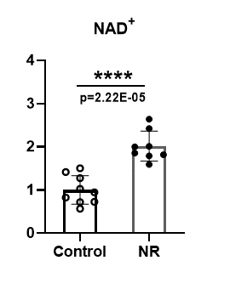
Metabolomics measusements in isolated mice hearts perfused with Lactate + Pyruvate + FFA
under constant flow 2.5ml/min

metabolomics data in mice hearts tissues

 | Analyte.name | Control_01 | Control_02 | Control_03 | Control_04 | Control_05 | Control_06 | Control_07 | Control_08 | Control_09 | NR_01 | NR_02 | NR_03 | NR_04 | NR_05 | NR_06 | NR_07 | NR_08 | P_Value | FDR | VIP_score | Fold_change | Log2_fold_change | 一Log 10 (P value)
 | Alanine | 2.4973882 | 3.297382683 | 3.587248727 | 4.009887656 | 2.15038066 | 3.693401904 | 2.346628281 | 2.558651413 | 2.271140226 | 2.820894193 | 3.546196274 | 3.153321782 | 3.688409588 | 3.650793879 | 2.951766167 | 2.894575682 | 2.993993246 | 0.32073451586 | 0.49013621137 | 0.62832331778 | 1.0946662321 | 0.13049105369 | 0.49385430094
 | Alpha-Ketoglutarate | 0.064832112 | 0.114517459 | 0.07118463 | 0.172981463 | 0.06370719 | 0.112925441 | 0.139030203 | 0.084428112 | 0.085547035 | 0.079946307 | 0.029604353 | 0.045793975 | 0.070099073 | 0.121469817 | 0.059163839 | 0.039348215 | 0.098762787 | 0.065360579619 | 0.21190927572 | 1.3286913433 | 0.67338663285 | -0.57049301185 | 1.1846841051
 | AMP | 0.842897261 | 1.795461859 | 0.571776394 | 1.306728664 | 1.004648649 | 1.120236845 | 0.884802111 | 0.833002136 | 1.076982998 | 1.534169703 | 1.876437363 | 1.843761226 | 2.609487378 | 0.731687957 | 2.345434187 | 2.211229039 | 1.914346416 | 0.0041959598052 | 0.052449497565 | 1.6324772013 | 1.7961962717 | 0.84494500301 | 2.3771686807
 | Aspartate | 0.325897831 | 0.315833734 | 0.292843403 | 0.363412865 | 0.438563562 | 0.2954424 | 0.285970343 | 0.346955387 | 0.248103929 | 0.343938658 | 0.327282476 | 0.334694718 | 0.383266325 | 0.324044451 | 0.25164847 | 0.326329834 | 0.325393166 | 0.88129713477 | 0.91801784872 | 0.12115493812 | 1.0105215103 | 0.015100031723 | 0.054877641831
 | ATP | 0.149215706 | 0.14744909 | 0.247271625 | 0.217192886 | 0.097876422 | 0.148857471 | 0.116614875 | 0.124742133 | 0.151323666 | 0.187829892 | 0.08507634 | 0.120980094 | 0.121582781 | 0.218542749 | 0.118963116 | 0.085294083 | 0.189875588 | 0.55224567051 | 0.62755189831 | 0.3981410246 | 0.90619276335 | -0.14211012502 | 0.25786768022
 | Citric acid | 0.043717634 | 0.034747925 | 0.041569366 | 0.052890125 | 0.042365169 | 0.0299641 | 0.060532245 | 0.044891388 | 0.052279559 | 0.057853677 | 0.035236761 | 0.040766797 | 0.036392728 | 0.04326415 | 0.056445628 | 0.054120454 | 0.065326415 | 0.45219740506 | 0.56524675632 | 0.63235967633 | 1.0871678137 | 0.12057464995 | 0.34467193419
 | Creatine | 0.151322132 | 0.245701434 | 0.15810464 | 0.243357682 | 0.233598678 | 0.397447092 | 0.087977999 | 0.287384158 | 0.132531718 | 0.165311289 | 0.237520433 | 0.131741433 | 0.70650151 | 0.456797161 | 0.395121383 | 0.139141551 | 0.194131768 | 0.28686994801 | 0.49013621137 | 0.90398897192 | 1.4088540682 | 0.49452218227 | 0.54231494529
 | Creatinine | 0.240677351 | 0.525330905 | 0.275679219 | 0.463797 | 0.467676366 | 0.923430224 | 0.098680425 | 0.623077357 | 0.229143584 | 0.291333695 | 0.437631395 | 0.234502637 | 1.861087649 | 1.08860074 | 0.92075541 | 0.253445892 | 0.341790022 | 0.28250148893 | 0.49013621137 | 0.9166173305 | 1.5874731347 | 0.66673217687 | 0.54897925888
 | Glucose | 0.064024707 | 0.023890626 | 0.095358116 | 0.041565371 | 0.032811443 | 0.07043396 | 0.029796918 | 0.043139917 | 0.019131782 | 0.016483407 | 0.027428233 | 0.02414383 | 0.027344382 | 0.081999363 | 0.020070369 | 0.012050128 | 0.019634586 | 0.13643618973 | 0.34109047432 | 0.90271490175 | 0.61358286963 | -0.7046698895 | 0.86507041769
 | Glucose-6P | 5.853778407 | 1.914408651 | 8.923428786 | 4.684924336 | 3.637247083 | 8.159451389 | 2.909915912 | 3.782669077 | 2.929991254 | 1.249633002 | 4.21081332 | 3.538254739 | 4.651849791 | 4.274620338 | 2.64736164 | 0.398476853 | 2.153528494 | 0.077338751625 | 0.21482986563 | 1.02366858 | 0.60788900767 | -0.71812016381 | 1.1116028424
 | Glutamate | 2.270657317 | 2.732182982 | 2.907200716 | 2.96505739 | 1.894494519 | 3.385488329 | 2.270695468 | 2.718511102 | 2.00381865 | 2.192553943 | 2.759358922 | 2.5323191 | 3.119699808 | 3.020657331 | 2.396321932 | 2.308894136 | 2.38617667 | 0.93276986027 | 0.93276986027 | 0.47299648363 | 1.0067985301 | 0.0097750153547 | 0.030225495316
 | Glutamine | 0.500799656 | 0.694451902 | 0.976643915 | 1.005897955 | 0.394107493 | 0.758020209 | 0.533157286 | 0.669385383 | 0.553654904 | 0.480464466 | 0.558365499 | 0.563972364 | 0.682375763 | 0.728601073 | 0.719453784 | 0.503886467 | 0.570462318 | 0.35289807219 | 0.49013621137 | 0.68628575325 | 0.88866644157 | -0.17028608573 | 0.4523507141
 | IMP | 2.16578373 | 2.272739347 | 3.115537728 | 3.335600396 | 1.513451392 | 3.151148378 | 1.881524612 | 2.354621877 | 1.501038087 | 2.033090167 | 2.518391491 | 2.009730669 | 2.126869657 | 3.305034115 | 1.349285928 | 1.266916829 | 1.937479921 | 0.37538172487 | 0.4939233222 | 0.5763473097 | 0.87430177453 | -0.1937967677 | 0.42552687444
 | Lactate | 0.521884957 | 0.38449888 | 0.712085412 | 0.492262907 | 0.418154577 | 0.760769246 | 0.435637966 | 0.503366212 | 0.332464864 | 0.385876259 | 0.43242402 | 0.419142675 | 0.49855795 | 0.717354867 | 0.383643341 | 0.257159881 | 0.387287857 | 0.30227771385 | 0.49013621137 | 0.62603311089 | 0.85869773098 | -0.21977771528 | 0.51959387104
 | Malate | 0.202696135 | 0.176807268 | 0.231624274 | 0.297010368 | 0.208141308 | 0.220304504 | 0.173611662 | 0.187326241 | 0.139120636 | 0.166055094 | 0.236225149 | 0.159723029 | 0.190923427 | 0.255552442 | 0.141977208 | 0.154241226 | 0.163946954 | 0.33980933683 | 0.49013621137 | 0.60359934262 | 0.89958997937 | -0.15266050402 | 0.46876469234
 | NAD+ | 0.114925141 | 0.225796615 | 0.163682697 | 0.240119574 | 0.090409592 | 0.203434186 | 0.131606618 | 0.150917487 | 0.115826547 | 0.285494515 | 0.318756012 | 0.32108616 | 0.386665259 | 0.421288321 | 0.289688765 | 0.253957908 | 0.295871982 | 2.2199048313E-05 | 0.00055497620781 | 2.0070178048 | 2.0145979354 | 1.0104919408 | 4.6536656436
 | NADH | 0.015922163 | 0.025118523 | 0.024732942 | 0.028626429 | 0.006487077 | 0.023726865 | 0.021827869 | 0.014139968 | 0.020640213 | 0.029530711 | 0.035304097 | 0.037170272 | 0.026975471 | 0.063475359 | 0.019582008 | 0.034018218 | 0.025641791 | 0.023706586089 | 0.11853293044 | 1.407974072 | 1.6866610303 | 0.75417006309 | 1.6251309829
 | NADP+ | 0.012055953 | 0.021781758 | 0.013528294 | 0.020106898 | 0.010833705 | 0.020396701 | 0.013986602 | 0.016893104 | 0.011076208 | 0.019447687 | 0.020824622 | 0.019670279 | 0.0250067 | 0.022407911 | 0.020216843 | 0.015807018 | 0.02140805 | 0.011530859238 | 0.095695732708 | 1.441824569 | 1.3179921287 | 0.39834175438 | 1.9381383294
 | Phosphoenolpyruvate | 1.09995854 | 0.37421247 | 1.623213259 | 0.555571632 | 0.95363577 | 1.212773104 | 0.429539419 | 0.799214912 | 0.449964791 | 0.610182011 | 0.633666426 | 0.598270778 | 0.591899298 | 0.441048471 | 0.360413613 | 0.184149137 | 0.717091501 | 0.066481792184 | 0.21190927572 | 1.1240699341 | 0.62066675344 | -0.68810922613 | 1.1772972816
 | Pyruvate | 0.090091206 | 0.078761958 | 0.100708004 | 0.107675571 | 0.103825388 | 0.362793345 | 0.079043559 | 0.115908632 | 0.072616821 | 0.08713579 | 0.100736034 | 0.081568975 | 0.196587958 | 0.139855328 | 0.133421033 | 0.074864293 | 0.095463202 | 0.77593986463 | 0.84341289634 | 0.41519264434 | 0.92074333826 | -0.11912904087 | 0.11017193528
 | Ribose-5P | 0.454282158 | 0.216652782 | 0.749190931 | 0.547492201 | 0.416249009 | 1.224519279 | 0.313671694 | 0.554659654 | 0.258278699 | 0.376969395 | 0.837310493 | 0.666553585 | 1.386847807 | 1.411814483 | 0.766899705 | 0.328866051 | 0.515892737 | 0.1724133218 | 0.39184845863 | 0.84130657974 | 1.4947315541 | 0.57988640725 | 0.76342918074
 | Sedoheptulose-7P | 0.106146039 | 0.030912548 | 0.100619902 | 0.08466819 | 0.098082625 | 0.199837819 | 0.061678537 | 0.100713963 | 0.064420891 | 0.081555767 | 0.211353897 | 0.182220193 | 0.310402929 | 0.387555753 | 0.239019152 | 0.097046381 | 0.174965017 | 0.015311317233 | 0.095695732708 | 1.4784536941 | 2.2366633913 | 1.161348153 | 1.8149874453
 | Succinate | 0.261063905 | 0.296180563 | 0.369711125 | 0.391831907 | 0.207874693 | 0.38783719 | 0.262404402 | 0.253940453 | 0.227460795 | 0.295925391 | 0.360996115 | 0.318221421 | 0.373121009 | 0.40140543 | 0.293112555 | 0.280287782 | 0.294198159 | 0.28174448341 | 0.49013621137 | 0.64442738643 | 1.1076329873 | 0.14747992545 | 0.55014457873
 | UDP-HexNac | 0.394927108 | 0.48212173 | 0.368762332 | 0.706669711 | 0.366339225 | 0.506193576 | 0.506183379 | 0.475626605 | 0.416955467 | 0.674392096 | 0.331571186 | 0.435746432 | 0.419539028 | 0.740287277 | 0.410583278 | 0.409680234 | 0.71745941 | 0.4914529645 | 0.58506305297 | 0.44136324912 | 1.1024881183 | 0.14076310775 | 0.30851804088
 | UDP-hexose | 0.111046065 | 0.1501417 | 0.115872401 | 0.178869588 | 0.111440944 | 0.091272837 | 0.148906212 | 0.185258689 | 0.170355581 | 0.225285714 | 0.180792596 | 0.194633106 | 0.246336147 | 0.115616588 | 0.184428829 | 0.097707651 | 0.239053999 | 0.067810968232 | 0.21190927572 | 1.1266859375 | 1.3215516246 | 0.40223278294 | 1.1687000546

 |  | NAD+ |  |  | normalized NAD+
 |  | Control | NR |  | Control | NR |  |  | Fig3J
 |  | 0.115 | 0.285 |  | 0.720 | 1.788
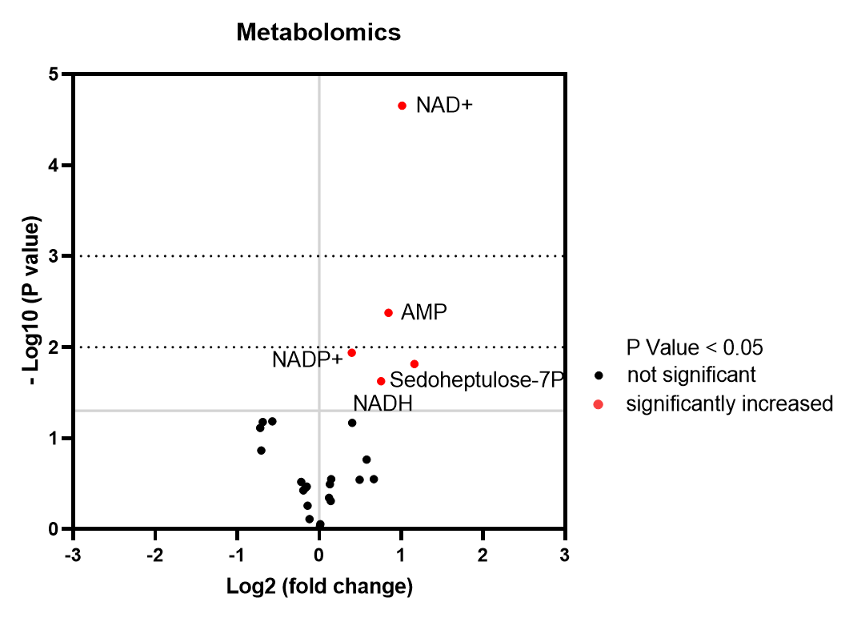
 |  | 0.226 | 0.319 |  | 1.414 | 1.997
 |  | 0.164 | 0.321 |  | 1.025 | 2.011
 |  | 0.240 | 0.387 |  | 1.504 | 2.422
 |  | 0.090 | 0.421 |  | 0.566 | 2.639
 |  | 0.203 | 0.290 |  | 1.274 | 1.815
 |  | 0.132 | 0.254 |  | 0.824 | 1.591
 |  | 0.151 | 0.296 |  | 0.945 | 1.853
 |  | 0.116 |  |  | 0.726
 | Mean | 0.160 | 0.322 |  | 1.00 | 2.01
 | SD | 0.053 | 0.056 |  | 0.33 | 0.35
 | P Value | 2.2199048313E-05 |  |  | 2.2199048313E-05

 |  |  | Fig3I

10.Pdia &TOC_G+FFA+Ins
Diastolic pressure data during 35min Ischemia in isolated mice hearts perfused with Glucose + FFA +Insulin
TOC green
Group averages bold red

Control Group |  | Diastolic Pressure(mmHg) (35min ischemia)
 |  | Time(min) |  |  |  |  |  |  |  |  |  |  |  |  |  |  |  |  |  |  |  |  |  |  |  |  |  |  |  |  |  |  |  |  |  |  |  | TOC (min)
 | mouse # | 1 | 2 | 3 | 4 | 5 | 6 | 7 | 8 | 9 | 10 | 11 | 12 | 13 | 14 | 15 | 16 | 17 | 18 | 19 | 20 | 21 | 22 | 23 | 24 | 25 | 26 | 27 | 28 | 29 | 30 | 31 | 32 | 33 | 34 | 35 |  | EDP≥3.0
 | Con 1 | 0.7 | 0.5 | 0.3 | 0.5 | 0.6 | 0.5 | 0.6 | 0.6 | 0.7 | 0.7 | 0.9 | 0.7 | 0.8 | 1.0 | 1.2 | 1.3 | 2.1 | 3.3 | 10.0 | 22.2 | 33.3 | 42.1 | 48.8 | 53.9 | 57.0 | 60.0 | 63.0 | 64.1 | 65.3 | 64.6 | 63.6 | 62.2 | 61.4 | 60.5 | 59.0 |  | 18
 | Con 2 | 0.4 | 0.5 | 0.3 | 0.4 | 0.3 | 0.3 | 0.1 | 1.0 | 0.5 | 0.8 | 0.8 | 1.0 | 1.8 | 3.0 | 4.2 | 5.4 | 7.0 | 12.8 | 25.1 | 34.8 | 39.3 | 45.4 | 48.8 | 51.4 | 53.1 | 55.0 | 57.0 | 58.7 | 59.0 | 59.7 | 58.7 | 58.0 | 58.0 | 56.9 | 55.6 |  | 14
 | Con 3 | 0.7 | 0.5 | 0.3 | 0.3 | 0.4 | 0.6 | 0.1 | 0.2 | 0.2 | 0.3 | 0.1 | 0.1 | 0.3 | 1.1 | 3.5 | 7.3 | 11.3 | 15.3 | 24.9 | 36.5 | 46.4 | 53.7 | 56.6 | 58.9 | 59.0 | 59.3 | 60.0 | 59.0 | 58.9 | 58.0 | 57.5 | 56.4 | 56.3 | 55.1 | 54.0 |  | 15
 | Con 4 | 2.5 | 2.1 | 2.5 | 2.0 | 1.5 | 1.1 | 0.5 | 0.6 | 0.6 | 0.7 | 0.7 | 0.8 | 1.0 | 1.6 | 3.5 | 6.4 | 9.7 | 14.6 | 23.5 | 36.0 | 47.1 | 50.3 | 51.9 | 53.5 | 54.9 | 55.8 | 57.6 | 58.7 | 59.5 | 60.3 | 60.2 | 60.0 | 59.8 | 60.0 | 59.5 |  | 15
 | Con 5 | 1.0 | 0.8 | 0.9 | 1.4 | 0.8 | 1.0 | 0.9 | 0.6 | 1.2 | 1.3 | 1.2 | 1.0 | 1.3 | 1.5 | 2.0 | 3.0 | 4.7 | 7.1 | 10.5 | 15.1 | 22.2 | 34.5 | 45.6 | 51.8 | 59.5 | 61.6 | 63.3 | 64.8 | 65.1 | 64.7 | 64.1 | 63.2 | 61.1 | 58.4 | 57.1 |  | 16
 | Con 6 | 1.9 | 1.9 | 1.8 | 1.5 | 1.7 | 2.2 | 2.5 | 2.6 | 3.0 | 3.3 | 3.5 | 4.0 | 4.5 | 6.3 | 9.7 | 23.3 | 39.5 | 51.7 | 55.3 | 57.8 | 59.5 | 60.8 | 61.0 | 61.2 | 61.2 | 61.0 | 61.4 | 61.3 | 61.0 | 60.8 | 60.5 | 59.4 | 59.5 | 59.8 | 60.1 |  | 9
 | Con 7 | 1.5 | 1.9 | 1.4 | 1.4 | 1.6 | 1.6 | 1.6 | 1.6 | 1.8 | 1.7 | 1.7 | 1.9 | 1.8 | 2.2 | 2.4 | 8.2 | 16.3 | 37.2 | 51.9 | 54.6 | 57.0 | 57.8 | 58.9 | 60.3 | 60.4 | 60.8 | 61.6 | 61.4 | 61.2 | 60.0 | 59.5 | 58.9 | 58.2 | 58.2 | 58.0 |  | 16
 | Con 8 | 1.6 | 1.7 | 1.6 | 1.5 | 1.9 | 1.6 | 1.5 | 1.6 | 1.7 | 1.7 | 1.8 | 1.6 | 1.7 | 2.0 | 2.3 | 2.0 | 2.2 | 2.1 | 2.4 | 4.8 | 14.0 | 25.1 | 38.8 | 46.4 | 50.7 | 53.9 | 56.1 | 57.6 | 58.0 | 58.3 | 59.0 | 58.7 | 59.3 | 59.4 | 59.1 |  | 20
 | Con 9 | 2.1 | 2 | 2.1 | 2.4 | 2.3 | 2.6 | 2.7 | 2.4 | 2.7 | 2.5 | 2.7 | 2.5 | 2.6 | 2.8 | 3.1 | 3.7 | 4.3 | 6.2 | 7.8 | 11.9 | 16.2 | 22.8 | 30.7 | 36.7 | 41.5 | 43.5 | 44.5 | 45.2 | 46 | 45.2 | 44.6 | 44.6 | 44.2 | 44.1 | 43.9 |  | 15

 | Mean | 1.4 | 1.3 | 1.2 | 1.3 | 1.2 | 1.3 | 1.2 | 1.2 | 1.4 | 1.4 | 1.5 | 1.5 | 1.8 | 2.4 | 3.5 | 6.7 | 10.8 | 16.7 | 23.5 | 30.4 | 37.2 | 43.6 | 49.0 | 52.7 | 55.3 | 56.8 | 58.3 | 59.0 | 59.3 | 59.1 | 58.6 | 57.9 | 57.5 | 56.9 | 56.3 |  | 15.3 | Mean
 | SD | 0.7 | 0.7 | 0.8 | 0.7 | 0.7 | 0.8 | 1.0 | 0.9 | 1.0 | 1.0 | 1.1 | 1.2 | 1.2 | 1.6 | 2.5 | 6.7 | 11.7 | 16.8 | 18.9 | 18.5 | 16.9 | 13.7 | 9.7 | 7.7 | 6.2 | 5.7 | 5.8 | 5.7 | 5.6 | 5.7 | 5.7 | 5.4 | 5.2 | 5.1 | 5.0 |  | 3.0 | SD

NR Group |  | Diastolic Pressure(mmHg) (35min ischemia)
 |  | Time(min)
 | mouse # | 1 | 2 | 3 | 4 | 5 | 6 | 7 | 8 | 9 | 10 | 11 | 12 | 13 | 14 | 15 | 16 | 17 | 18 | 19 | 20 | 21 | 22 | 23 | 24 | 25 | 26 | 27 | 28 | 29 | 30 | 31 | 32 | 33 | 34 | 35 |  | TOC
 | NR 1 | 0.5 | 0.3 | 0.3 | 0.6 | 0.7 | 0.7 | 0.9 | 1.0 | 1.0 | 1.3 | 1.5 | 3.7 | 6.5 | 11.9 | 34.3 | 48.8 | 59.2 | 63.5 | 65.7 | 68.0 | 68.8 | 69.5 | 70.1 | 68.2 | 67.6 | 66.5 | 64.3 | 62.8 | 61.6 | 61.0 | 60.1 | 58.9 | 57.9 | 57.1 | 55.7 |  | 12
 | NR 2 | 2.4 | 1.8 | 1.3 | 0.5 | 0.6 | 0.3 | 0.6 | 0.7 | 1.1 | 0.8 | 1.0 | 0.9 | 0.9 | 1.1 | 1.6 | 3.0 | 7.6 | 12.3 | 18.5 | 25.7 | 37.3 | 45.2 | 50.7 | 52.6 | 55.1 | 54.3 | 54.6 | 53.8 | 53.1 | 52.8 | 51.6 | 51.2 | 50.4 | 50.2 | 49.8 |  | 16
 | NR 3 | 1.0 | 0.8 | 0.8 | 1.0 | 1.2 | 1.0 | 0.8 | 1.0 | 1.1 | 1.1 | 1.1 | 0.9 | 1.2 | 1.6 | 1.8 | 3.2 | 15.3 | 45.6 | 67.3 | 70.8 | 71.8 | 72.7 | 72.4 | 70.5 | 69.6 | 68.5 | 66.7 | 66.0 | 65.2 | 64.8 | 64.3 | 63.3 | 62.8 | 62.0 | 60.6 |  | 16
 | NR 4 | 1.8 | 1.0 | 0.9 | 1.4 | 1.2 | 1.4 | 1.1 | 1.6 | 1.4 | 1.4 | 1.3 | 1.4 | 2.2 | 5.2 | 9.5 | 29.9 | 50.7 | 68.3 | 74.0 | 70.9 | 69.8 | 70.0 | 70.2 | 70.6 | 71.4 | 71.1 | 70.2 | 68.8 | 68.0 | 67.7 | 67.8 | 67.2 | 66.6 | 66.5 | 66.2 |  | 14
 | NR 5 | 1.0 | 0.9 | 0.8 | 0.9 | 0.7 | 0.7 | 0.8 | 0.6 | 0.9 | 1.2 | 1.0 | 0.8 | 2.0 | 3.5 | 10.3 | 18.7 | 51.8 | 71.3 | 76.4 | 79.7 | 79.0 | 78.6 | 78.5 | 77.3 | 75.7 | 75.3 | 73.5 | 71.9 | 70.5 | 68.2 | 66.7 | 65.2 | 63.5 | 62.3 | 60.7 |  | 14
 | NR 6 | 0.8 | 0.5 | 0.7 | 0.9 | 0.9 | 0.7 | 0.8 | 0.7 | 0.9 | 1.1 | 1.0 | 1.6 | 1.7 | 2.9 | 5.0 | 7.9 | 14.1 | 20.7 | 29.0 | 44.7 | 55.3 | 57.0 | 59.7 | 58.2 | 58.3 | 57.8 | 57.8 | 57.6 | 57.1 | 56.1 | 55.7 | 55.0 | 54.2 | 53.8 | 52.7 |  | 15
 | NR 7 | 2.1 | 2.1 | 2.3 | 2.6 | 2.3 | 2.6 | 2.5 | 2.6 | 2.4 | 2.7 | 2.9 | 2.9 | 2.8 | 3.0 | 3.0 | 3.2 | 3.3 | 3.4 | 3.5 | 7.1 | 11.4 | 16.4 | 22.9 | 39.1 | 49.2 | 54.7 | 59.3 | 61.4 | 63.7 | 65.5 | 66.2 | 67.3 | 66.0 | 65.3 | 64.4 |  | 14
 | NR 8 | 2.1 | 2.3 | 2.1 | 2.6 | 2.3 | 2.5 | 2.3 | 2.4 | 2.7 | 2.7 | 2.7 | 2.9 | 3.3 | 3.9 | 4.8 | 6.5 | 8.7 | 12.6 | 16.7 | 23.3 | 28.0 | 44.2 | 54.7 | 58.9 | 61.0 | 63.3 | 63.6 | 62.4 | 61.5 | 60.6 | 60.3 | 58.0 | 57.4 | 56.7 | 56.5 |  | 13

 | Mean | 1.5 | 1.2 | 1.2 | 1.3 | 1.2 | 1.2 | 1.2 | 1.3 | 1.4 | 1.5 | 1.6 | 1.9 | 2.6 | 4.1 | 8.8 | 15.2 | 26.3 | 37.2 | 43.9 | 48.8 | 52.7 | 56.7 | 59.9 | 61.9 | 63.5 | 63.9 | 63.8 | 63.1 | 62.6 | 62.1 | 61.6 | 60.8 | 59.8 | 59.2 | 58.3 |  | 14.3 | Mean
 | SD | 0.7 | 0.8 | 0.7 | 0.8 | 0.7 | 0.9 | 0.7 | 0.8 | 0.7 | 0.7 | 0.8 | 1.1 | 1.8 | 3.4 | 10.8 | 16.6 | 23.3 | 28.1 | 29.8 | 27.3 | 24.4 | 20.7 | 17.7 | 12.3 | 9.1 | 7.8 | 6.4 | 5.8 | 5.6 | 5.5 | 5.8 | 5.9 | 5.8 | 5.7 | 5.7 |  | 1.4 | SD
 |  |  |  |  |  |  |  |  |  |  |  |  |  |  |  |  |  |  |  |  |  |  |  |  |  |  |  |  |  |  |  |  |  |  |  |  | P value | 0.365

 |  | Fig 4B |  |  |  |  |  |  |  |  |  |  |  | Fig 4C
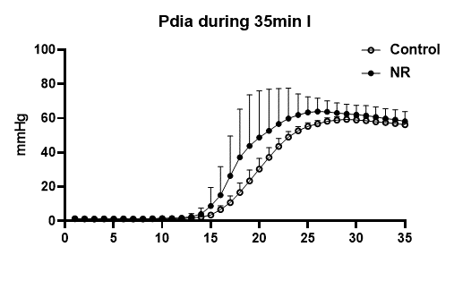
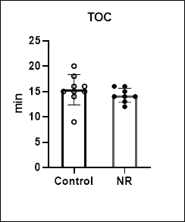
 |  |  |  |  |  |  |  |  |  |  |  | EDP≥3.0 mmHg
 |  |  |  |  |  |  |  |  |  |  |  | TOC (min)
 |  |  |  |  |  |  |  |  |  |  |  | Control | NR
 |  |  |  |  |  |  |  |  |  |  |  | 18 | 12
 |  |  |  |  |  |  |  |  |  |  |  | 14 | 16
 |  |  |  |  |  |  |  |  |  |  |  | 15 | 16
 |  |  |  |  |  |  |  |  |  |  |  | 15 | 14
 |  |  |  |  |  |  |  |  |  |  |  | 16 | 14
 |  |  |  |  |  |  |  |  |  |  |  | 9 | 15
 |  |  |  |  |  |  |  |  |  |  |  | 16 | 14
 |  |  |  |  |  |  |  |  |  |  |  | 20 | 13
 |  |  |  |  |  |  |  |  |  |  |  | 15

 |  |  |  |  |  |  |  |  |  |  | Mean | 15.3 | 14.3
 |  |  |  |  |  |  |  |  |  |  | SD | 3.0 | 1.4
 |  |  |  |  |  |  |  |  |  |  | P value | 0.365

11.IR injury_G+FFA+Ins
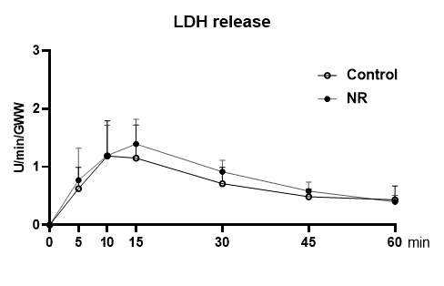
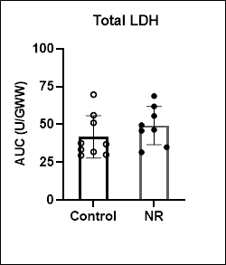
Cell death measurements in isolated mice hearts during IRI perfused with Glucose + FFA +Insulin

% IS |  |  |  | LDH |  |  |  |  |  |  |  |  |  |  | RPP%
 |  |  |  |  |  |  |  |  |  |  |  |  |  |  |  |  | Left Ventricular Developed Pressure (mmHg) |  |  |  |  |  |  | RPP recovery as % of Baseline
Control group |  |  |  |  |  | LDH release during reperfusion (U/min/GWW) |  |  |  |  |  |  |  |  |  |  |  |  | Heart Rate (BPM) |  | Rate x Pressure Product
Mouse Nr. | Infarct size | Area at risk | Infarct size(%AAR) |  | mouse # | R 5min | R 10min | R 15min | R 30min | R 45min | R 60min |  |  | Total LDH release(U/Gww) |  | mouse # | Baseline 25min | End reperfusion | Baseline 25min | End reperfusion | Baseline 25min | End reperfusion
Con 1 | 134410 | 215031 | 62.5 |  | Con 1 | 0.560 | 0.833 | 0.680 | 0.359 | 0.644 | 0.407 |  |  | 31.860 |  | Con 1 | 110.2 | 22.0 | 296 | 299 | 32619 | 6578 |  | 20.17
Con 2 | 108586 | 194734 | 55.8 |  | Con 2 | 0.514 | 0.846 | 1.022 | 0.565 | 0.399 | 0.251 |  |  | 33.360 |  | Con 2 | 93.6 | 28.6 | 300 | 342 | 28080 | 9781 |  | 34.83
Con 3 | 116634 | 192054 | 60.7 |  | Con 3 | 0.290 | 0.670 | 0.930 | 0.563 | 0.342 | 0.301 |  |  | 29.930 |  | Con 3 | 95.3 | 23.5 | 364 | 354 | 34689 | 8319 |  | 23.98
Con 4 | 127617 | 200329 | 63.7 |  | Con 4 | 0.695 | 1.993 | 1.518 | 1.105 | 0.550 | 0.341 |  |  | 56.000 |  | Con 4 | 82.2 | 18.9 | 436 | 345 | 35839 | 6520 |  | 18.19
Con 5 | 113336 | 184691 | 61.4 |  | Con 5 | 0.387 | 0.916 | 1.532 | 1.009 | 0.652 | 0.575 |  |  | 51.060 |  | Con 5 | 128.4 | 34.3 | 346 | 339 | 44426 | 11628 |  | 26.17
Con 6 | 121245 | 194812 | 62.2 |  | Con 6 | 0.919 | 1.243 | 0.797 | 0.758 | 0.353 | 0.195 |  |  | 36.910 |  | Con 6 | 135.8 | 26.8 | 320 | 281 | 43456 | 7531 |  | 17.33
Con 7 | 151108 | 219005 | 69.0 |  | Con 7 | 1.411 | 2.104 | 2.391 | 1.053 | 0.622 | 0.406 |  |  | 69.660 |  | Con 7 | 122.6 | 18.7 | 290 | 297 | 35554 | 5554 |  | 15.62
Con 8 | 115949 | 203286 | 57.0 |  | Con 8 | 0.212 | 0.405 | 0.622 | 0.477 | 0.373 | 0.991 |  |  | 29.490 |  | Con 8 | 105.8 | 27.3 | 364 | 362 | 38511 | 9883 |  | 25.66
Con 9 | 87217 | 191185 | 45.6 |  | Con 9 | 0.653 | 1.680 | 0.874 | 0.504 | 0.430 | 0.438 |  |  | 37.700 |  | Con 9 | 115.1 | 30.6 | 315 | 335 | 36257 | 10251 |  | 28.27
 |  |  |  |  |  |  |  |  |  |  |  |  |  |  |  |  | Left Ventricular Developed Pressure (mmHg)
NR group |  |  |  |  |  | LDH release during reperfusion (U/min/GWW) |  |  |  |  |  |  |  |  |  |  |  |  | Heart Rate (BPM) |  | Rate x Pressure Product
Mouse Nr. | Infarct size | Area at risk | Infarct size(%AAR) |  | mouse # | R 5min | R 10min | R 15min | R 30min | R 45min | R 60min |  |  | Total LDH release(U/Gww) |  | mouse # | Baseline 25min | End reperfusion | Baseline 25min | End reperfusion | Baseline 25min | End reperfusion
NR 1 | 125519 | 202950 | 61.8 |  | NR 1 | 0.261 | 0.555 | 0.972 | 0.603 | 0.434 | 0.292 |  |  | 31.550 |  | NR 1 | 109.7 | 13.2 | 324 | 309 | 35543 | 4079 |  | 11.48
NR 2 | 106000 | 197772 | 53.6 |  | NR 2 | 0.348 | 0.856 | 0.899 | 0.795 | 0.390 | 0.288 |  |  | 34.950 |  | NR 2 | 84.9 | 21.1 | 340 | 341 | 28866 | 7195 |  | 24.93
NR 3 | 114131 | 182128 | 62.7 |  | NR 3 | 1.654 | 1.972 | 1.652 | 1.006 | 0.625 | 0.360 |  |  | 61.820 |  | NR 3 | 109.3 | 19.1 | 332 | 321 | 36288 | 6131 |  | 16.90
NR 4 | 104659 | 179802 | 58.2 |  | NR 4 | 1.557 | 1.712 | 1.312 | 0.737 | 0.442 | 0.310 |  |  | 49.480 |  | NR 4 | 140.5 | 19.9 | 293 | 336 | 41167 | 6686 |  | 16.24
NR 5 | 105392 | 224695 | 46.9 |  | NR 5 | 0.363 | 0.793 | 1.218 | 0.972 | 0.636 | 0.488 |  |  | 45.740 |  | NR 5 | 114.2 | 28.1 | 341 | 304 | 38942 | 8542 |  | 21.94
NR 6 | 117823 | 224509 | 52.5 |  | NR 6 | 0.527 | 1.134 | 1.233 | 0.924 | 0.583 | 0.420 |  |  | 46.390 |  | NR 6 | 117.9 | 23.0 | 317 | 300 | 37374 | 6900 |  | 18.46
NR 7 | 115278 | 180999 | 63.7 |  | NR 7 | 0.888 | 0.872 | 1.660 | 1.068 | 0.722 | 0.437 |  |  | 55.530 |  | NR 7 | 137.7 | 27.7 | 344 | 353 | 47369 | 9778 |  | 20.64
NR 8 | 111048 | 189437 | 58.6 |  | NR 8 | 0.564 | 1.676 | 2.203 | 1.223 | 0.841 | 0.600 |  |  | 68.690 |  | NR 8 | 122.6 | 27.7 | 323 | 344 | 39600 | 9529 |  | 24.06

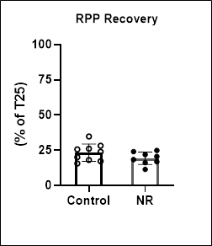
 |  | Mean Ctrl | 59.8 |  | Mean Ctrl | 0.627 | 1.188 | 1.152 | 0.710 | 0.485 | 0.434 |  | Mean Ctrl | 41.774 |  |  |  |  |  |  |  |  | Mean Ctrl | 23.359
 |  | SD | 6.5 |  | SD | 0.365 | 0.605 | 0.569 | 0.280 | 0.131 | 0.237 |  | SD | 13.994 |  |  |  |  |  | Fig 4G |  |  | SD | 6.149
 |  | Mean NR | 57.3 |  | Mean NR | 0.770 | 1.196 | 1.394 | 0.916 | 0.584 | 0.399 |  | Mean NR | 49.269 |  |  |  |  |  |  |  |  | Mean NR | 19.330
 |  | SD | 5.8 |  | SD | 0.550 | 0.520 | 0.427 | 0.198 | 0.156 | 0.109 |  | SD | 12.613 |  |  |  |  |  |  |  |  | SD | 4.474
 |  | P Value | 0.418 |  | P Value | 0.532 | 0.975 | 0.342 | 0.105 | 0.174 | 0.711 |  | P Value | 0.267 |  |  |  |  |  |  |  |  | P Value | 0.148
Fig 4D
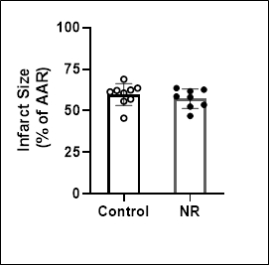
 |  |  |  | Fig 4E |  |  |  |  |  |  |  | Fig 4F

12.Function IR_G+FFA+Ins
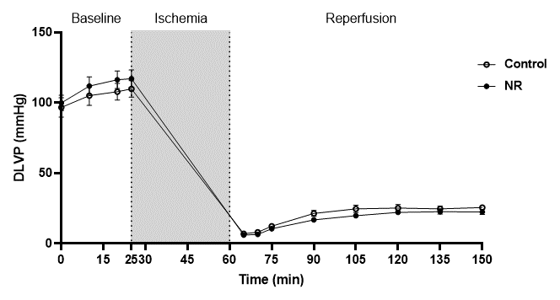
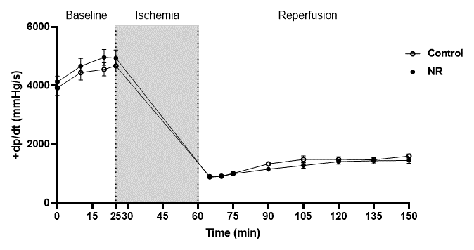
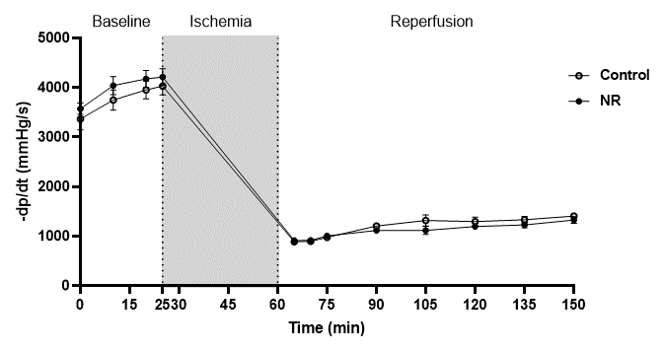
Cardiac performance throughout langendorff perfusion with Glucose + FFA +Insulin

DLVP (mmHg) |  |  |  |  |  |  |  |  |  |  |  |  | dp/dt (mmHg/s) |  |  |  |  |  |  |  |  |  |  |  |  | ˗dp/dt (mmHg/s)
 | Time relative to perfusion |  |  |  |  |  |  |  |  |  |  |  |  | Time relative to perfusion |  |  |  |  |  |  |  |  |  |  |  |  | Time relative to perfusion
Control group | Baseline |  |  |  | reprfusion |  |  |  |  |  |  |  | Control group | Baseline |  |  |  | reprfusion |  |  |  |  |  |  |  | Control group | Baseline |  |  |  | reprfusion
Mouse Nr. | 0 | 10 | 20 | 25 | 5 | 10 | 15 | 30 | 45 | 60 | 75 | 90 | Mouse Nr. | 0 | 10 | 20 | 25 | 5 | 10 | 15 | 30 | 45 | 60 | 75 | 90 | Mouse Nr. | 0 | 10 | 20 | 25 | 5 | 10 | 15 | 30 | 45 | 60 | 75 | 90
Con 1 | 90.1 | 101 | 102.7 | 110.2 | 7 | 7.5 | 16.6 | 21.8 | 20 | 20.1 | 21.7 | 22 | Con 1 | 3541 | 3845 | 4014 | 4401 | 847 | 936 | 1062 | 1391 | 1315 | 1277 | 1163 | 1454 | Con 1 | 3162 | 3566 | 3655 | 4022 | 822 | 898 | 898 | 1265 | 1024 | 1075 | 1100 | 1277
Con 2 | 77.3 | 89 | 92.7 | 93.6 | 4.6 | 7.5 | 10.7 | 24.1 | 26.8 | 28.8 | 28.7 | 28.6 | Con 2 | 3162 | 3781 | 3845 | 4085 | 784 | 822 | 923 | 1312 | 1644 | 1796 | 1619 | 1846 | Con 2 | 2694 | 3174 | 3427 | 3377 | 860 | 847 | 1050 | 1227 | 1391 | 1556 | 1492 | 1505
Con 3 | 83.6 | 92.4 | 94.1 | 95.3 | 7.8 | 8.2 | 14 | 19.2 | 23.1 | 23.2 | 24.5 | 23.5 | Con 3 | 3731 | 4123 | 4147 | 4186 | 885 | 860 | 1113 | 1265 | 1454 | 1480 | 1493 | 1467 | Con 3 | 3035 | 3231 | 3633 | 3667 | 860 | 873 | 1062 | 1138 | 1315 | 1341 | 1391 | 1402
Con 4 | 72.8 | 70 | 80.3 | 82.2 | 6.1 | 8 | 7.8 | 12.8 | 16.4 | 16.2 | 17.6 | 18.9 | Con 4 | 3313 | 3617 | 3857 | 3946 | 822 | 860 | 847 | 1062 | 1062 | 1201 | 1277 | 1277 | Con 4 | 2845 | 3035 | 3351 | 3349 | 847 | 961 | 974 | 1126 | 1012 | 1113 | 1201 | 1211
Con 5 | 112.8 | 124.6 | 128.7 | 128.4 | 4.8 | 6.7 | 12.1 | 21 | 22.7 | 26.5 | 30.8 | 34.3 | Con 5 | 4452 | 5261 | 5476 | 5500 | 885 | 999 | 948 | 1189 | 1252 | 1492 | 1581 | 1758 | Con 5 | 3996 | 4426 | 4730 | 4768 | 860 | 936 | 948 | 1052 | 1214 | 1290 | 1341 | 1480
Con 6 | 124.1 | 129.9 | 134.2 | 135.8 | 9.5 | 11.1 | 10.6 | 20.8 | 24.4 | 27.1 | 27.4 | 26.8 | Con 6 | 5134 | 5514 | 5686 | 5779 | 936 | 1088 | 1050 | 1410 | 1419 | 1530 | 1669 | 1695 | Con 6 | 4211 | 4654 | 4844 | 4932 | 974 | 898 | 911 | 1100 | 1192 | 1239 | 1442 | 1543
Con 7 | 97 | 111.2 | 119.3 | 122.6 | 5 | 4.4 | 12 | 13.1 | 14.8 | 14.7 | 17.4 | 18.7 | Con 7 | 3516 | 4148 | 4603 | 4638 | 885 | 847 | 936 | 1113 | 1163 | 1151 | 1227 | 1454 | Con 7 | 3086 | 3718 | 4034 | 4157 | 936 | 974 | 923 | 1026 | 1037 | 1050 | 1126 | 1429
Con 8 | 83.5 | 96.4 | 103.6 | 105.8 | 11.7 | 12.8 | 13.2 | 27.4 | 39.9 | 32.1 | 21 | 27.3 | Con 8 | 3364 | 4237 | 4641 | 4818 | 1024 | 986 | 1062 | 1633 | 2178 | 1467 | 1353 | 1530 | Con 8 | 2833 | 3490 | 3781 | 3946 | 999 | 873 | 986 | 1408 | 2025 | 1126 | 1189 | 1290
Con 9 | 129 | 131.4 | 115.4 | 115.1 | 6.8 | 6.5 | 14.1 | 32.4 | 33.5 | 38.4 | 32.8 | 30.6 | Con 9 | 5109 | 5476 | 4717 | 4703 | 1012 | 835 | 1151 | 1619 | 1884 | 1998 | 1884 | 1935 | Con 9 | 4439 | 4452 | 4110 | 4073 | 847 | 822 | 1050 | 1520 | 1669 | 1872 | 1720 | 1530
Mean | 96.7 | 105.1 | 107.9 | 109.9 | 7.0 | 8.1 | 12.3 | 21.4 | 24.6 | 25.2 | 24.7 | 25.6 | Mean | 3924.7 | 4444.7 | 4554.0 | 4672.9 | 897.8 | 914.8 | 1010.2 | 1332.7 | 1485.7 | 1488.0 | 1474.0 | 1601.8 | Mean | 3366.8 | 3749.6 | 3951.7 | 4032.3 | 889.4 | 898.0 | 978.0 | 1206.9 | 1319.9 | 1295.8 | 1333.6 | 1407.4
SD | 20.6 | 20.8 | 17.8 | 17.6 | 2.4 | 2.5 | 2.5 | 6.3 | 8.0 | 7.6 | 5.6 | 5.3 | SD | 771.8 | 757.7 | 672.1 | 624.1 | 80.8 | 92.3 | 100.6 | 202.7 | 359.8 | 273.3 | 237.2 | 216.9 | SD | 661.3 | 610.5 | 534.9 | 548.3 | 63.3 | 51.0 | 63.6 | 166.5 | 338.0 | 268.4 | 201.8 | 121.5

 | Time relative to perfusion |  |  |  |  |  |  |  |  |  |  |  |  | Time relative to perfusion |  |  |  |  |  |  |  |  |  |  |  |  | Time relative to perfusion
NR group | Baseline |  |  |  | reprfusion |  |  |  |  |  |  |  | NR group | Baseline |  |  |  | reprfusion |  |  |  |  |  |  |  | NR group | Baseline |  |  |  | reprfusion
Mouse Nr. | 0 | 10 | 20 | 25 | 5 | 10 | 15 | 30 | 45 | 60 | 75 | 90 | Mouse Nr. | 0 | 10 | 20 | 25 | 5 | 10 | 15 | 30 | 45 | 60 | 75 | 90 | Mouse Nr. | 0 | 10 | 20 | 25 | 5 | 10 | 15 | 30 | 45 | 60 | 75 | 90
NR 1 | 94.3 | 98 | 107.1 | 109.7 | 6.4 | 4 | 11.6 | 13.6 | 14.7 | 15.8 | 13.6 | 13.2 | NR 1 | 4325 | 4097 | 4515 | 4679 | 847 | 658 | 923 | 1012 | 911 | 1037 | 961 | 898 | NR 1 | 3731 | 3718 | 3908 | 4135 | 911 | 784 | 936 | 1277 | 809 | 936 | 974 | 936
NR 2 | 89 | 85.7 | 84.2 | 84.9 | 4.4 | 4.6 | 6.5 | 17.5 | 20.3 | 22.9 | 22.5 | 21.1 | NR 2 | 3845 | 3617 | 3452 | 3465 | 873 | 923 | 898 | 1088 | 1315 | 1505 | 1442 | 1505 | NR 2 | 3465 | 3351 | 3136 | 3251 | 835 | 936 | 961 | 1062 | 1227 | 1303 | 1176 | 1315
NR 3 | 86.9 | 104.1 | 108 | 109.3 | 7.9 | 10.1 | 18.2 | 13.1 | 16.3 | 19.4 | 19.4 | 19.1 | NR 3 | 3958 | 4654 | 4755 | 4565 | 797 | 974 | 986 | 1088 | 1290 | 1290 | 1315 | 1378 | NR 3 | 3604 | 4060 | 4186 | 3958 | 911 | 1088 | 1138 | 1100 | 1113 | 1189 | 1214 | 1305
NR 4 | 128.1 | 138.7 | 139.4 | 140.5 | 4.9 | 5.4 | 9.2 | 14.4 | 16.9 | 17.8 | 19.4 | 19.9 | NR 4 | 4907 | 5254 | 5678 | 5602 | 860 | 885 | 885 | 1012 | 1151 | 1201 | 1239 | 1315 | NR 4 | 3984 | 4262 | 4312 | 4224 | 961 | 911 | 986 | 961 | 1126 | 1139 | 1072 | 1303
NR 5 | 94.6 | 98.9 | 113.1 | 114.2 | 5.4 | 5.4 | 7.2 | 22.4 | 26.5 | 26.8 | 28.8 | 28.1 | NR 5 | 3490 | 3845 | 5185 | 4833 | 847 | 860 | 961 | 1176 | 1242 | 1468 | 1530 | 1543 | NR 5 | 3124 | 3364 | 4267 | 4401 | 986 | 974 | 999 | 1138 | 1154 | 1303 | 1492 | 1496
NR 6 | 85.4 | 117.2 | 119.6 | 117.9 | 4.9 | 5.4 | 8.4 | 12.5 | 15.8 | 22.6 | 23.2 | 23 | NR 6 | 3288 | 4806 | 4869 | 4831 | 860 | 835 | 1012 | 1075 | 1024 | 1328 | 1467 | 1480 | NR 6 | 3136 | 4376 | 4388 | 4287 | 860 | 797 | 974 | 961 | 809 | 1062 | 1176 | 1253
NR 7 | 118.1 | 132.9 | 135.5 | 137.7 | 7.9 | 9.5 | 14.5 | 21 | 25.4 | 27.6 | 27.3 | 27.7 | NR 7 | 4502 | 5527 | 5564 | 5691 | 923 | 1126 | 1138 | 1265 | 1556 | 1733 | 1707 | 1771 | NR 7 | 3604 | 4603 | 4527 | 4780 | 940 | 960 | 1027 | 1050 | 1176 | 1328 | 1391 | 1556
NR 8 | 103 | 119.6 | 123.9 | 122.6 | 6.8 | 8.1 | 8.9 | 20.5 | 22.4 | 24.6 | 26.8 | 27.7 | NR 8 | 4679 | 5501 | 5691 | 5855 | 1037 | 1037 | 1151 | 1518 | 1745 | 1720 | 1872 | 1733 | NR 8 | 3933 | 4603 | 4679 | 4679 | 923 | 898 | 1037 | 1391 | 1530 | 1328 | 1328 | 1454
Mean | 99.9 | 111.9 | 116.4 | 117.1 | 6.1 | 6.6 | 10.6 | 16.9 | 19.8 | 22.2 | 22.6 | 22.5 | Mean | 4124.3 | 4662.6 | 4963.6 | 4940.1 | 880.5 | 912.3 | 994.3 | 1154.3 | 1279.3 | 1410.3 | 1441.6 | 1452.9 | Mean | 3572.6 | 4042.1 | 4175.4 | 4214.4 | 915.9 | 918.5 | 1007.3 | 1117.5 | 1118.0 | 1198.5 | 1227.9 | 1327.3
SD | 15.6 | 18.3 | 17.6 | 17.6 | 1.4 | 2.3 | 4.0 | 4.0 | 4.6 | 4.2 | 5.1 | 5.2 | SD | 574.5 | 746.6 | 754.8 | 778.9 | 72.1 | 141.0 | 102.1 | 169.3 | 270.8 | 244.0 | 280.9 | 273.5 | SD | 322.9 | 511.6 | 478.3 | 474.5 | 49.7 | 98.0 | 62.3 | 150.0 | 232.2 | 144.7 | 169.3 | 191.5

 | supplementary Fig3A |  |  |  |  |  |  |  |  |  |  |  | supplementary Fig3B |  |  |  |  |  |  |  |  |  |  |  |  | supplementary Fig3C

13.Metabolomics_G+FFA+Ins
Metabolomics measusements in isolated mice hearts perfused with Glucose + FFA +Insulin
under constant flow 2.5ml/min
p-values highlighted in red are sig' vs. control, by student t test
lactate&pyruvate release in effluent samples |  |  |  |  |  |  | metabolomics data in mice hearts tissues
 | Lactate release (µM) |  | Heart dry weight (mg) |  | Lactae release/HDW [µmol/(g*min)] |  |  |  | Insulin_002 | Insulin_004 | Insulin_005 | Insulin_006 | Insulin_007 | Insulin_008 | Insulin_009 | Insulin_010 | InsulineNR_101 | InsulineNR_102 | InsulineNR_103 | InsulineNR_104 | InsulineNR_105 | InsulineNR_106 | InsulineNR_107 | InsulineNR_108 | P_Value | FDR | VIP_score | Fold_change | Log2_fold_change | 一Log 10 (P value)
 |  |  |  |  |  |  |  | Alanine | 0.296251539 | 0.241299844 | 0.207134181 | 0.406127854 | 0.283254706 | 0.333925935 | 0.340271901 | 0.342903403 | 0.350157057 | 0.329766738 | 0.230021463 | 0.382068823 | 0.270954933 | 0.283775993 | 0.28674156 | 0.311681657 | 0.97908051383 | 0.97908051383 | 0.17519418434 | 0.99755172405 | -0.0035364464383 | 0.0091815929007
 | Control | NR | Control | NR | Control | NR |  | Alpha-Ketoglutarate | 0.003533161 | 0.003214395 | 0.003061883 | 0.002896948 | 0.0025177 | 0.01702542 | 0.002391416 | 0.004095504 | 0.003156943 | 0.00149128 | 0.001619106 | 0.001999768 | 0.0018049 | 0.00120595 | 0.002994158 | 0.001264599 | 0.14366150342 | 0.43098451027 | 1.0816837283 | 0.40108768937 | -1.3180104088 | 0.84265959297
 | 87.629 | 64.016 | 31.85 | 26.48 | 6.878 | 6.044 |  | AMP | 0.889819748 | 0.897091266 | 1.622777007 | 1.401735985 | 0.713804362 | 0.417487199 | 1.011816051 | 1.017008761 | 1.61019729 | 2.318581055 | 1.684344935 | 2.820604779 | 1.841849834 | 1.625919359 | 1.24125291 | 2.114534022 | 0.0011401010272 | 0.015391363868 | 1.963546775 | 1.9139693784 | 0.93656774832 | 2.943056663
 | 102.027 | 59.889 | 20.55 | 25.97 | 12.412 | 5.765 |  | Aspartate | 0.117121828 | 0.102291378 | 0.238979729 | 0.241291107 | 0.123418787 | 0.072623135 | 0.169220733 | 0.171037603 | 0.175805307 | 0.134996023 | 0.205410091 | 0.214363484 | 0.115626662 | 0.125779296 | 0.123783955 | 0.124425951 | 0.94093215884 | 0.97712185725 | 0.45925136139 | 0.98722189999 | -0.018553696093 | 0.026441688056
 | 96.364 | 72.079 | 24.8 | 28.63 | 9.714 | 6.294 |  | ATP | 0.307337376 | 0.234784569 | 0.151514576 | 0.488055299 | 0.441811758 | 0.145581179 | 0.398120457 | 0.407169495 | 0.264626339 | 0.12865772 | 0.12567348 | 0.031677485 | 0.115039027 | 0.237232566 | 0.298984498 | 0.157553538 | 0.019488934796 | 0.17540041316 | 1.5277824069 | 0.52806790257 | -0.92120464183 | 1.7102118974
 | 131.208 | 83.598 | 26.56 | 26.28 | 12.350 | 7.953 |  | Citric acid | 0.199331877 | 0.097084801 | 0.22640899 | 0.279191505 | 0.227188777 | 0.162393112 | 0.152330202 | 0.119342496 | 0.132340365 | 0.161275044 | 0.136853273 | 0.083370781 | 0.220192199 | 0.153314169 | 0.168533155 | 0.193058065 | 0.32381874189 | 0.5828737354 | 0.70993099118 | 0.85352364827 | -0.22849696886 | 0.48969801888
 | 109.706 | 65.648 | 29.7 | 23.85 | 9.235 | 6.881 |  | Creatine | 0.272465594 | 0.220251847 | 0.178043783 | 0.365008092 | 0.257655359 | 0.281652905 | 0.286777256 | 0.271782202 | 0.318906961 | 0.306967282 | 0.20821028 | 0.325569437 | 0.248359881 | 0.277471979 | 0.256012821 | 0.287196231 | 0.62504710321 | 0.84038287485 | 0.38285685947 | 1.0445520172 | 0.062884338338 | 0.20408725323
 | 81.678 | 62.576 | 24.65 | 28.48 | 8.284 | 5.493 |  | Creatine-P | 0.072577084 | 0.050843728 | 0.127146445 | 0.115148944 | 0.34492596 | 0.00798744 | 0.081169807 | 0.230690964 | 0.039662 | 0.011708737 | 0.040299196 | 0.006124165 | 0.013675476 | 0.035256236 | 0.157820218 | 0.023299725 | 0.065405147974 | 0.29432316588 | 1.2722468887 | 0.31814538195 | -1.6522419146 | 1.1843880674
 | 79.854 | 82.734 | 27.53 | 26.04 | 7.252 | 7.943 |  | Creatinine | 0.048264673 | 0.039438289 | 0.041749568 | 0.084927382 | 0.100622726 | 0.044460103 | 0.065695602 | 0.055742556 | 0.068815564 | 0.066203778 | 0.066841008 | 0.068817846 | 0.06386065 | 0.083329531 | 0.082128276 | 0.067370769 | 0.22619218006 | 0.51585552171 | 0.86505310531 | 1.1798011257 | 0.23854369084 | 0.64552241362
 | 95.308 | 105.963 | 26.23 | 26.9 | 9.084 | 9.848 |  | Dihydroxyacetone-P | 0.018451168 | 0.015791866 | 0.015363316 | 0.017570871 | 0.013547186 | 0.033495136 | 0.016710882 | 0.023169262 | 0.018846487 | 0.017520001 | 0.014493227 | 0.020508947 | 0.014187689 | 0.015268247 | 0.017262308 | 0.014356804 | 0.29171002172 | 0.56258361332 | 0.78375553796 | 0.85946774181 | -0.21848460248 | 0.5350486504
 |  |  |  |  |  |  |  | Glucose | 0.733058789 | 0.723537564 | 0.870900666 | 0.704526755 | 0.558609813 | 0.458019348 | 0.49862706 | 0.800972422 | 0.594645754 | 0.368203908 | 0.617763521 | 0.55295926 | 0.741459779 | 0.392327127 | 0.741831805 | 0.529903959 | 0.18045759599 | 0.48723550919 | 0.92474154318 | 0.84870622384 | -0.23666283763 | 0.74362483248
Mean | 97.972 | 74.563 | 26.484 | 26.579 | 9.401 | 7.028 |  | Glucose-6P | 0.084749009 | 0.070048915 | 0.134975196 | 0.145163782 | 0.093551728 | 0.545787158 | 0.102168816 | 0.086985185 | 0.149376986 | 0.19962556 | 0.137138674 | 0.376871241 | 0.160600468 | 0.124500735 | 0.106392197 | 0.177631146 | 0.74700699987 | 0.84038287485 | 0.2308974245 | 1.1335311384 | 0.18082402282 | 0.12667532859
SD | 16.772 | 15.539 | 3.417 | 1.518 | 2.078 | 1.470 |  | Glutamate | 0.950466596 | 0.77817654 | 0.618152703 | 1.052137752 | 0.784738976 | 0.918153264 | 0.844437579 | 0.963591945 | 0.916999322 | 0.792717259 | 0.550553668 | 0.82536882 | 0.773229791 | 0.637657734 | 0.822015961 | 0.688690609 | 0.098891775877 | 0.38143970696 | 1.1204493679 | 0.86937176762 | -0.20195484925 | 1.0048398241
P Value | 0.012 |  | 0.019 |  | 0.019 |  |  | Glutamine | 0.734178813 | 0.618852252 | 0.356348992 | 0.788427875 | 0.635651113 | 0.692413425 | 0.659824145 | 0.891532609 | 0.791007688 | 0.731791787 | 0.495273841 | 0.745972544 | 0.525975268 | 0.609063178 | 0.564725699 | 0.623652365 | 0.5995062798 | 0.84038287485 | 0.37555172582 | 0.946112237 | -0.079916754701 | 0.22220626333
 |  |  |  |  |  |  |  | IMP | 0.3070517 | 0.25289338 | 0.200590007 | 0.341896262 | 0.148686702 | 2.701473859 | 0.362300122 | 0.279920017 | 0.648060299 | 0.763236895 | 0.413070137 | 1.375356241 | 0.727946393 | 0.557278118 | 0.242040442 | 0.739729307 | 0.74637516715 | 0.84038287485 | 0.26175721358 | 1.1897587483 | 0.25066906265 | 0.12704281855
 | Pyruvate release (µM) |  | Pyruvate release/HDW [µmol/(g*min)] |  | Fig5B |  |  | Lactate | 0.238638802 | 0.232969686 | 0.084835694 | 0.275522644 | 0.156801785 | 0.554356367 | 0.250171235 | 0.259395654 | 0.268329749 | 0.294738521 | 0.115320685 | 0.357866526 | 0.213771529 | 0.199325282 | 0.216244902 | 0.235845542 | 0.73482181216 | 0.84038287485 | 0.253042499 | 0.92631669008 | -0.11042258704 | 0.13381796075
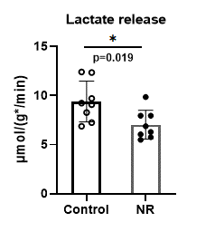
 |  |  |  |  |  |  |  | Malate | 0.041312713 | 0.028296427 | 0.101115554 | 0.06811514 | 0.049335779 | 0.185105384 | 0.050623545 | 0.015502741 | 0.028049733 | 0.140871612 | 0.051505193 | 0.05355092 | 0.034422142 | 0.016417623 | 0.035748992 | 0.034771215 | 0.45843866796 | 0.72739335653 | 0.53876461573 | 0.7329108124 | -0.44829044678 | 0.33871875802
 | Control | NR | Control | NR |  |  |  | NAD+ | 0.252454339 | 0.209166996 | 0.194955801 | 0.362859931 | 0.292793797 | 0.040938716 | 0.292445857 | 0.317835472 | 0.386740064 | 0.350298499 | 0.277086111 | 0.370928225 | 0.335394613 | 0.345424865 | 0.336822454 | 0.356542167 | 0.026128203876 | 0.17636537616 | 1.5298634695 | 1.4052997125 | 0.49087785121 | 1.5828904438
 | 48.736 | 49.340 | 3.825 | 4.658 |  |  |  | NADH | 0.008838942 | 0.012802278 | 0.005353018 | 0.009968517 | 0.004515428 | 0.007202658 | 0.009996529 | 0.010284773 | 0.010956019 | 0.068993472 | 0.005150216 | 0.019511884 | 0.009900622 | 0.017213566 | 0.005486621 | 0.010504266 | 0.22926912076 | 0.51585552171 | 0.8867180391 | 2.1419964574 | 1.098956094 | 0.63965443452
 | 42.998 | 47.649 | 5.231 | 4.587 |  |  |  | NADP+ | 0.026088874 | 0.020856974 | 0.019516348 | 0.037725778 | 0.02999511 | 0.012848747 | 0.028293923 | 0.02762439 | 0.032245518 | 0.028656408 | 0.026860162 | 0.02977233 | 0.030428949 | 0.033266107 | 0.028494209 | 0.030317253 | 0.13246895893 | 0.43098451027 | 1.0730139541 | 1.1827581458 | 0.24215509686 | 0.87788587678
 | 57.374 | 73.682 | 5.784 | 6.434 |  |  |  | Phosphoenolpyruvate | 0.005914891 | 0.006012582 | 0.012484396 | 0.009983495 | 0.007275355 | 0.048210597 | 0.006651967 | 0.00388942 | 0.015690274 | 0.014447312 | 0.019305311 | 0.018607525 | 0.023534627 | 0.016108076 | 0.008951487 | 0.019832233 | 0.42781018244 | 0.72192968287 | 0.62757318799 | 1.3590238156 | 0.44257073814 | 0.36874888286
 | 67.340 | 65.709 | 6.338 | 6.251 |  |  |  | Pyruvate | 0.033207223 | 0.045170921 | 0.065540817 | 0.060902903 | 0.060739482 | 0.109432679 | 0.052188749 | 0.103341328 | 0.046781821 | 0.048425878 | 0.066952931 | 0.049027399 | 0.044401868 | 0.05668668 | 0.07312613 | 0.050945014 | 0.27633770309 | 0.56258361332 | 0.86376755513 | 0.82248425539 | -0.28194003292 | 0.55855985657
 | 71.508 | 52.723 | 6.019 | 5.527 |  |  |  | Ribose-5P | 0.008052103 | 0.007507876 | 0.013259577 | 0.008468427 | 0.006658757 | 0.12728496 | 0.006201171 | 0.007917319 | 0.051899627 | 0.057206255 | 0.04417012 | 0.071402095 | 0.063937078 | 0.062735576 | 0.075438438 | 0.072389483 | 0.034392366081 | 0.18571877684 | 1.5360265042 | 2.6931651486 | 1.4293027006 | 1.4635379451
 | 31.160 | 55.018 | 3.160 | 4.830 |  |  |  | Sedoheptulose-7P | 0.015507837 | 0.014921297 | 0.026260317 | 0.018103209 | 0.014965272 | 0.025945632 | 0.014348105 | 0.01681061 | 0.040557542 | 0.033582161 | 0.039499671 | 0.049864086 | 0.036948103 | 0.030044064 | 0.066116169 | 0.035285454 | 0.00047326759091 | 0.012778224955 | 2.1643619624 | 2.2599216917 | 1.1762727828 | 3.3248932347
 | 64.501 | 54.414 | 5.857 | 5.224 |  |  |  | Succinate | 0.21040905 | 0.176616805 | 0.121319849 | 0.231846161 | 0.14622804 | 0.093696662 | 0.194550729 | 0.20109008 | 0.214443057 | 0.171585306 | 0.142280973 | 0.240323698 | 0.176557376 | 0.148991326 | 0.165521083 | 0.184825591 | 0.68075609425 | 0.84038287485 | 0.41829422555 | 1.0499877632 | 0.070372514556 | 0.16700846209
 | 83.346 | 50.730 | 7.944 | 4.715 |  |  |  | UDP-HexNac | 0.025171491 | 0.024763726 | 0.056007088 | 0.045251604 | 0.032330535 | 0.026984726 | 0.034400721 | 0.033574492 | 0.034423277 | 0.034762459 | 0.043280312 | 0.037418781 | 0.035752341 | 0.036961651 | 0.039572332 | 0.039569089 | 0.48492890435 | 0.72739335653 | 0.55832015018 | 1.0835086648 | 0.11571069072 | 0.31432192884
 |  |  |  |  |  |  |  | UDP-hexose | 0.018489118 | 0.017456074 | 0.037740113 | 0.027773865 | 0.022853847 | 0.014198432 | 0.025107464 | 0.029187114 | 0.024252929 | 0.021536597 | 0.019481265 | 0.02790694 | 0.020909691 | 0.021606939 | 0.030309571 | 0.022871349 | 0.87242909977 | 0.94222342775 | 0.30105167178 | 0.97961295058 | -0.029716248281 | 0.059269857012
Mean | 58.370 | 56.158 | 5.520 | 5.278
SD | 16.839 | 8.967 | 1.488 | 0.730
P Value | 0.748 |  | 0.685 |  | Fig5C |  |  |  | NAD+ |  |  | normalized NAD+ |  |  |  | Fig5E
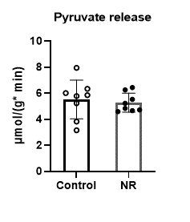
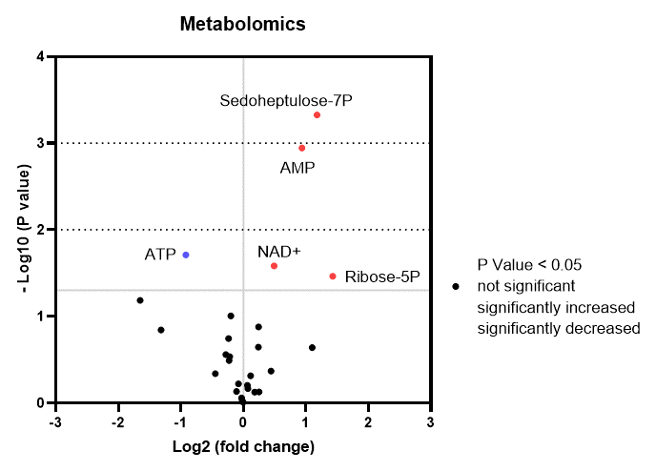
 |  |  |  |  |  |  |  |  | Control | NR |  | Control | NR
 |  |  |  |  |  |  |  |  | 0.252 | 0.387 |  | 1.029 | 1.576
 |  |  |  |  |  |  |  |  | 0.209 | 0.350 |  | 0.852 | 1.427
 |  |  |  |  |  |  |  |  | 0.195 | 0.277 |  | 0.794 | 1.129
 |  |  |  |  |  |  |  |  | 0.363 | 0.371 |  | 1.478 | 1.511
 |  |  |  |  |  |  |  |  | 0.293 | 0.335 |  | 1.193 | 1.367
 |  |  |  |  |  |  |  |  | 0.041 | 0.345 |  | 0.167 | 1.407
 |  |  |  |  |  |  |  |  | 0.292 | 0.337 |  | 1.192 | 1.372
 |  |  |  |  |  |  |  |  | 0.318 | 0.357 |  | 1.295 | 1.453

 |  |  |  |  |  |  |  | Mean | 0.245 | 0.345 |  | 1.000 | 1.405
 |  |  |  |  |  |  |  | SD | 0.099 | 0.032 |  | 0.405 | 0.132
 |  |  |  |  |  |  |  | P Value | 0.026 |  |  | 0.026

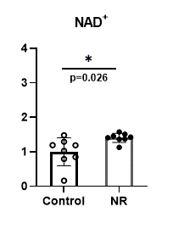
 |  |  |  |  |  |  |  |  | Fig5D

14.Fluxomics_G+FFA+Ins
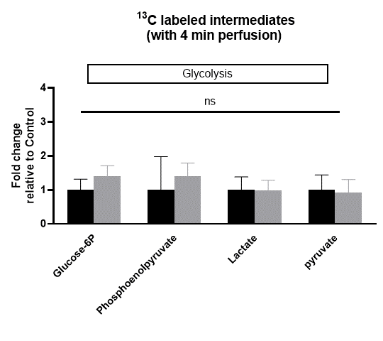
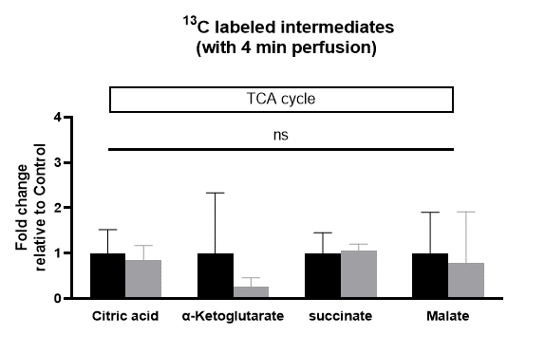
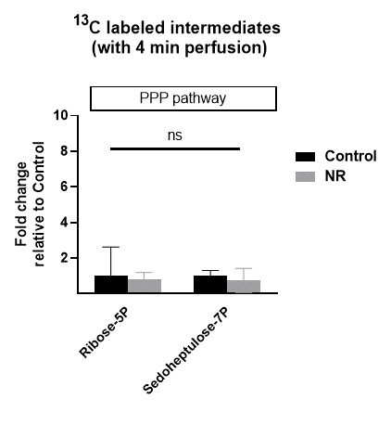
Fluxomics measusements in isolated mice hearts perfused with Glucose + FFA +Insulin
under constant flow 2.5ml/min

Fluxomics data in mice hearts tissues
 | original data
 | Analyte.name | Insulin_002 | Insulin_004 | Insulin_005 | Insulin_006 | Insulin_007 | Insulin_008 | Insulin_009 | Insulin_010 | InsulineNR_101 | InsulineNR_102 | InsulineNR_103 | InsulineNR_104 | InsulineNR_105 | InsulineNR_106 | InsulineNR_107 | InsulineNR_108 | Mean_Crtl | SD | Mean_NR | SD | P Value
 | Glucose-6P | 0.049203261277 | 0.035843994151 | 0.057619643512 | 0.085494923049 | 0.061754251018 | 0.030089547764 | 0.051379816309 | 0.052500849239 | 0.076269496212 | 0.090215920681 | 0.085444129166 | 0.083463004403 | 0.067696582742 | 0.059972030207 | 0.042589316887 | 0.088643887719 | 0.05298578579 | 0.016862482255 | 0.074286796002 | 0.016585521623 | 0.207
 | Phosphoenolpyruvate | 0.0044039825321 | 0.0031548787767 | 0.0072492811766 | 0.0070372647912 | 0.0058483876996 | 0.025634399255 | 0.0046701797847 | 0.0029344988596 | 0.010306478291 | 0.0088004458084 | 0.013732247527 | 0.0082466098663 | 0.013385565053 | 0.010354668436 | 0.0056641646958 | 0.014358843265 | 0.0076166091095 | 0.0074552910031 | 0.010606127868 | 0.0030468860601
 | Lactate | 0.1538009127 | 0.11609298808 | 0.043785039677 | 0.1779562455 | 0.099043297513 | 0.20981450171 | 0.16729650589 | 0.12512674057 | 0.15419404519 | 0.16806502912 | 0.076998671789 | 0.18466562362 | 0.10531735396 | 0.11244478305 | 0.1046410942 | 0.17679374351 | 0.13661452896 | 0.05194247294 | 0.13539004305 | 0.040266072465
 | pyruvate | 0.012625327408 | 0.012899467765 | 0.024406035396 | 0.02385124891 | 0.031413876736 | 0.03228041718 | 0.018014059157 | 0.045253413732 | 0.016625855447 | 0.015430893773 | 0.040520426513 | 0.013506820923 | 0.014936886466 | 0.025003612033 | 0.031734888757 | 0.026866358594 | 0.025092980786 | 0.011047333797 | 0.023078217813 | 0.0096749544795

 | Citric acid | 0.10734101425 | 0.049243645474 | 0.055712624089 | 0.18832591512 | 0.13273340773 | 0.084592552555 | 0.077075373825 | 0.049060516443 | 0.061873652594 | 0.099733905995 | 0.058997824718 | 0.025393943368 | 0.11408766197 | 0.07980949909 | 0.084742404623 | 0.10829474953 | 0.093010631185 | 0.048449327931 | 0.079116705235 | 0.029567720981 | 0.310
 | succinate | 0.10852166645 | 0.086337166638 | 0.029665750769 | 0.16316407886 | 0.081360795803 | 0.051278064116 | 0.098562846206 | 0.078138471258 | 0.10241037686 | 0.098023682043 | 0.07217586184 | 0.086259844951 | 0.099108071032 | 0.078576067005 | 0.088400413297 | 0.10989648822 | 0.087128605013 | 0.03977033287 | 0.091856350656 | 0.012730219448
 | Alpha-Ketoglutarate | 0.0012623560234 | 0.00082806647092 | 2.3850990848E-05 | 0.0014364527084 | 0.00072993912739 | 0.005895734038 | 0.00030787427273 | 0.00076393507225 | 0.00027174634857 | 0.00048106275303 | 0.00032322949141 | 7.5217578013E-05 | 0.00049719706349 | 0.00016624337595 | 0.00093937208915 | 0.00026801939028 | 0.001406026088 | 0.0018707829347 | 0.00037776101124 | 0.00026802757881
 | Malate | 0.014609921555 | 0.009692486777 | 0.012750110923 | 0.034708290723 | 0.019488625943 | 0.067373491876 | 0.019042454445 | 0.0027013193871 | 0.0061712115131 | 0.079979801971 | 0.014520226895 | 0.0068591707985 | 0.00986414458 | 0.0052160489858 | 0.0091662824804 | 0.010803012013 | 0.022545837704 | 0.020343523524 | 0.017822487405 | 0.025289307871

 | Ribose-5P | 0.00052286314976 | 0.00032055642783 | 0.00059254243688 | 0.00032589191791 | 0.00029148326315 | 0.0036417526788 | 0.00010156463763 | 7.2796845082E-05 | 0.00084765076126 | 0.00026877171424 | 0.00051949618339 | 0.00093351540411 | 0.00042201947163 | 0.00041712676577 | 0.00038162607514 | 0.0009763899251 | 0.00073368141963 | 0.0011886418899 | 0.00059582453758 | 0.0002785403857 | 0.466
 | sedoheptulose7P | 0.0050557720094 | 0.0053408449509 | 0.0093588484805 | 0.0059845921845 | 0.0054340705187 | 0.0032736871982 | 0.0046722822059 | 0.0054328807849 | 0.0028071472651 | 0.0021923642199 | 0.013416019305 | 0.0033472475988 | 0.0025356335895 | 0.0023558352038 | 0.0038396573209 | 0.0025529956067 | 0.0055691222916 | 0.0017304179517 | 0.0041308625137 | 0.0037911198566

 | normalized data
 | Analyte.name | Insulin_002 | Insulin_004 | Insulin_005 | Insulin_006 | Insulin_007 | Insulin_008 | Insulin_009 | Insulin_010 | InsulineNR_101 | InsulineNR_102 | InsulineNR_103 | InsulineNR_104 | InsulineNR_105 | InsulineNR_106 | InsulineNR_107 | InsulineNR_108 | Mean_Crtl | SD | Mean_NR | SD | P Value
 | Glucose-6P | 0.92861246736 | 1.0874547325 | 1.6135444964 | 1.1654871226 | 0.56787961745 | 0.96969056028 | 0.9908477992 | 1.4394331437 | 1.7026438192 | 1.6125858642 | 1.575196124 | 1.2776366668 | 1.1318512939 | 0.80378758666 | 1.6729748629 | 1.6729748629 | 1.0953687424 | 0.32174473207 | 1.4312063851 | 0.32755922307 | 0.207
 | Phosphoenolpyruvate | 0.57820776527 | 0.95177277348 | 0.92393671384 | 0.76784663826 | 3.3655920747 | 0.61315734044 | 0.38527628468 | 1.3531583599 | 1.1554283122 | 1.802934525 | 1.0827140723 | 1.7574178824 | 1.3594853415 | 0.74365962784 | 1.8852015455 | 1.8852015455 | 1.1173684938 | 0.95453740744 | 1.4590053565 | 0.435234188
 | Lactate | 1.1258020203 | 0.32050060862 | 1.3026158115 | 0.72498363293 | 1.5358139673 | 1.2245879495 | 0.91591093224 | 1.1286796973 | 1.2302134363 | 0.56361993397 | 1.3517275581 | 0.7709088833 | 0.82308070676 | 0.7659587527 | 1.2941064531 | 1.2941064531 | 1.0348618275 | 0.37724545194 | 1.0117152722 | 0.31112601388
 | pyruvate | 0.50314179554 | 0.97262400209 | 0.950514772 | 1.2518989675 | 1.2864321483 | 0.71789235847 | 1.8034291788 | 0.66256996684 | 0.61494861471 | 1.614811204 | 0.53827088293 | 0.59526154319 | 0.99643849595 | 1.2646918685 | 1.0706722658 | 1.0706722658 | 1.0185628987 | 0.41948068544 | 0.97072089261 | 0.37349122397

 | Citric acid | 1.1540725278 | 0.59899200102 | 2.0247783798 | 1.4270778086 | 0.90949337164 | 0.82867273174 | 0.52747213752 | 0.66523204719 | 1.0722850143 | 0.63431270132 | 0.27302194432 | 1.2266088351 | 0.85806856779 | 0.91110450002 | 1.1643265737 | 1.1643265737 | 1.0169738757 | 0.50535753786 | 0.91300683879 | 0.32520584416 | 0.310
 | succinate | 1.2455343045 | 0.34048233372 | 1.8726809506 | 0.93380119872 | 0.58853305534 | 1.1312340671 | 0.89681765531 | 1.1753932804 | 1.1250459253 | 0.82838307613 | 0.99002899149 | 1.1374917688 | 0.90184006726 | 1.0145969086 | 1.2613135285 | 1.2613135285 | 1.0230596057 | 0.46057228879 | 1.0650017243 | 0.15888379791
 | Alpha-Ketoglutarate | 0.89781835075 | 0.016963405623 | 1.0216401535 | 0.51915048634 | 4.1931896487 | 0.21896768158 | 0.54332923035 | 0.19327262196 | 0.34214354708 | 0.22988868711 | 0.053496573538 | 0.35361866165 | 0.11823633812 | 0.66810430985 | 0.19062191844 | 0.19062191844 | 0.95054144735 | 1.3551355371 | 0.26834149428 | 0.19077976389
 | Malate | 0.64800970126 | 0.56551950257 | 1.539454474 | 0.86440016994 | 2.9882895797 | 0.84461064147 | 0.11981454948 | 0.27371843948 | 3.5474309281 | 0.64403137671 | 0.30423224404 | 0.43751510632 | 0.23135307964 | 0.40656207149 | 0.47915771217 | 0.47915771217 | 0.98047713224 | 0.9179692195 | 0.81618002883 | 1.1104581941

 | Ribose-5P | 0.71265693224 | 0.80762906218 | 0.44418723057 | 0.39728859877 | 4.9636703089 | 0.13843152478 | 0.099221328406 | 1.1553390049 | 0.36633299829 | 0.70806779277 | 1.2723716032 | 0.57520806762 | 0.56853936137 | 0.52015229625 | 1.3308091209 | 1.3308091209 | 1.0898029988 | 1.6042692966 | 0.83403629516 | 0.40643442602 | 0.466
 | sedoheptulose7P | 0.90782204892 | 1.6804889515 | 1.0746024007 | 0.97574989992 | 0.58782821183 | 0.83896204127 | 0.97553626952 | 0.50405559765 | 0.39366422662 | 2.4090006651 | 0.60103682835 | 0.45530219248 | 0.42301732309 | 0.68945466087 | 0.45841974246 | 0.45841974246 | 0.94313067766 | 0.35741547375 | 0.73603942268 | 0.68320228493

 |  | Fig5F |  |  |  |  |  | Fig5G |  |  |  |  | Fig5H

