Figure 2
Figure 2. The percentage of pathogens isolated from turbot farm cases from 2016-2019.
 |  | cases
Edwardsiella piscicida | 40.00% | 62
Aeromonas salmonicida | 36.77% | 57
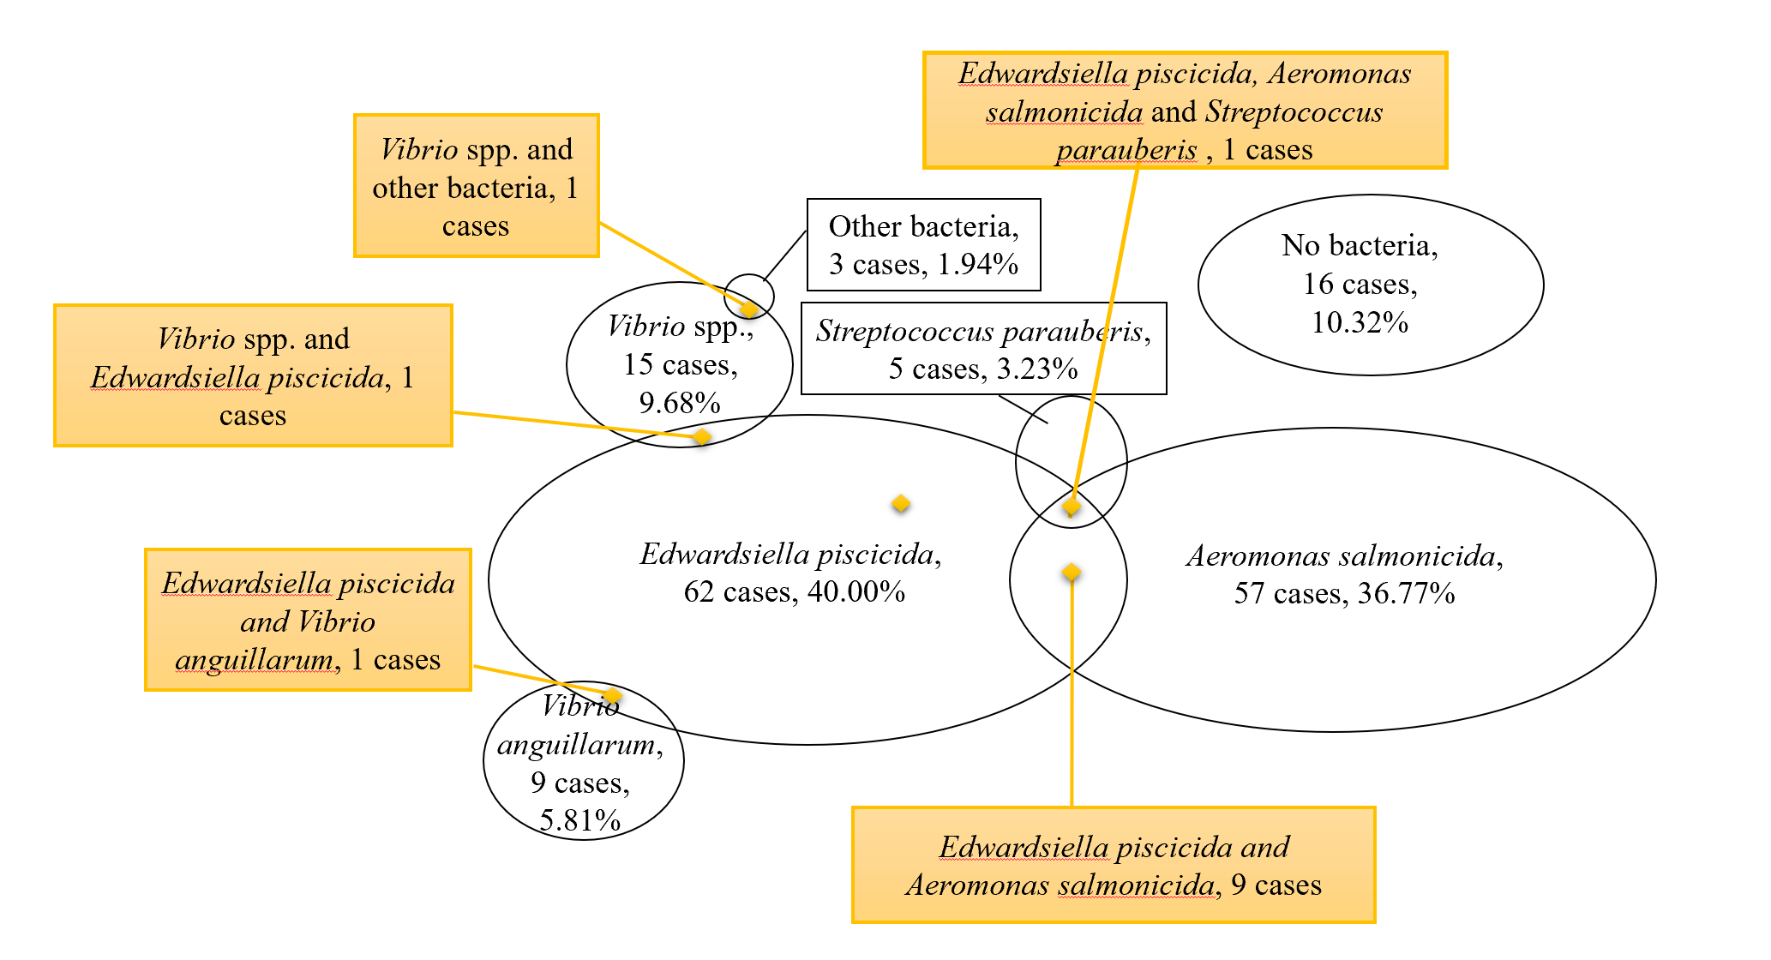
Streptococcus parauberis | 3.23% | 5
Vibrio anguillarum | 5.81% | 9
Vibrio spp. | 9.68% | 15
Other bacteria | 1.94% | 3
No bacteria | 10.32% | 16

Figure 3
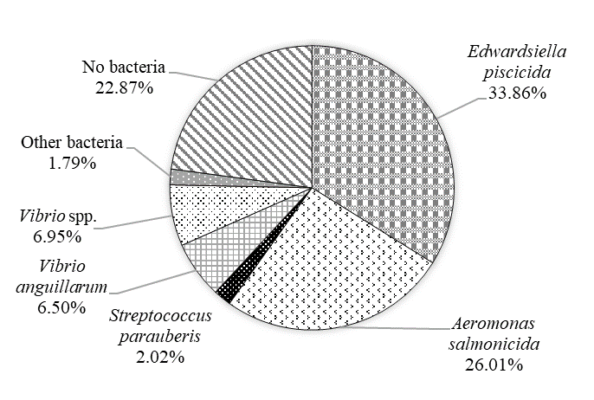
Figure 3. The percentage of pathogens isolated from turbots between 2016 and 2019.

Edwardsiella piscicida | 33.86% | 151
Aeromonas salmonicida | 26.01% | 116
Streptococcus parauberis | 2.02% | 9
Vibrio anguillarum | 6.50% | 29
Vibrio spp. | 6.95% | 31
Other bacteria | 1.79% | 8
No bacteria | 22.87% | 102

Figure 4
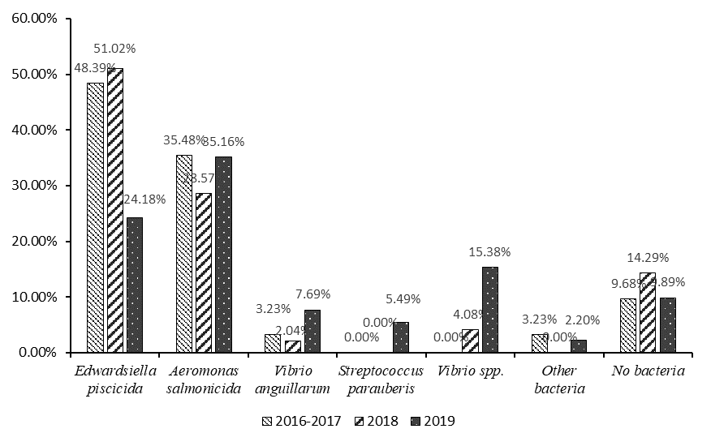
Figure 4. Comparison of disease etiologies of turbot farm cases from 2016-2019.

 | Edwardsiella piscicida | Aeromonas salmonicida | Vibrio anguillarum | Streptococcus parauberis | Vibrio spp. | Other bacteria | No bacteria
2016-2017 | 48.39% | 35.48% | 3.23% | 0.00% | 0.00% | 3.23% | 9.68%
2018 | 51.02% | 28.57% | 2.04% | 0.00% | 4.08% | 0.00% | 14.29%
2019 | 24.18% | 35.16% | 7.69% | 5.49% | 15.38% | 2.20% | 9.89%

 | Edwardsiella piscicida | Aeromonas salmonicida | Vibrio anguillarum | Streptococcus parauberis | Vibrio spp. | Other bacteria | No bacteria
2016-2017 | 15 | 11 | 1 | 0 | 0 | 1 | 2
2018 | 25 | 14 | 1 | 0 | 2 | 0 | 5
2019 | 22 | 32 | 7 | 5 | 14 | 2 | 9

Figure 5
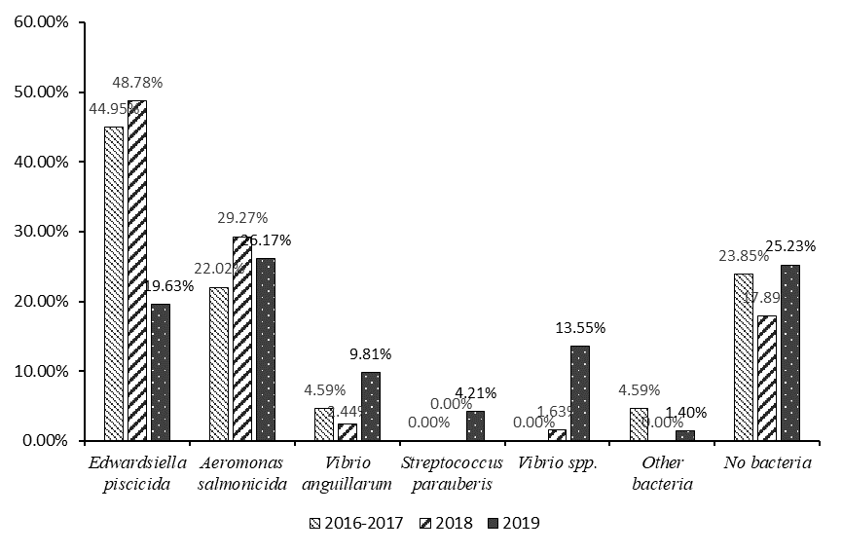
Figure 5. Comparison of the number of diseased turbots from 2016-2019.

 | Edwardsiella piscicida | Aeromonas salmonicida | Vibrio anguillarum | Streptococcus parauberis | Vibrio spp. | Other bacteria | No bacteria
2016-2017 | 44.95% | 22.02% | 4.59% | 0.00% | 0.00% | 4.59% | 23.85%
2018 | 48.78% | 29.27% | 2.44% | 0.00% | 1.63% | 0.00% | 17.89%
2019 | 19.63% | 26.17% | 9.81% | 4.21% | 13.55% | 1.40% | 25.23%

 | Edwardsiella piscicida | Aeromonas salmonicida | Vibrio anguillarum | Streptococcus parauberis | Vibrio spp. | Other bacteria | No bacteria
2016-2017 | 49 | 24 | 5 | 0 | 0 | 5 | 26
2018 | 60 | 36 | 3 | 0 | 2 | 0 | 22
2019 | 42 | 56 | 21 | 9 | 29 | 3 | 54

Figure 7
Figure 7. Antibiotic resistance of Edwardsiella piscicida strains isolated in Weifang city from October 2016 to June 2018.

 | 2016.12
Ceftriaxone | 34.84 | 30.17 | 31.35
Doxycycline | 23.39 | 19.55 | 22.09
Ofloxacin | 23.4 | 21.09 | 20.35
Florfenicol | 29.32 | 25.14 | 16.19
Enrofloxacin | 16.43 | 18.7 | 22.63
SMZ/TMP | 22.11 | 26.82 | 29.76
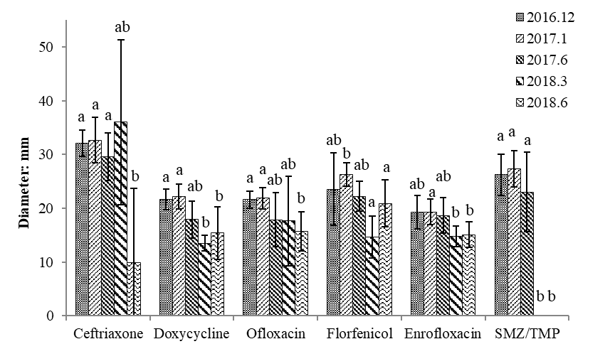

 | 2017.1
Ceftriaxone | 34.27 | 36.26 | 25.48 | 32.43 | 34.92
Doxycycline | 20.96 | 23.74 | 20.37 | 20.51 | 25.5
Ofloxacin | 23.42 | 20.85 | 24.5 | 20.36 | 20.29
Florfenicol | 28.83 | 26.17 | 27.42 | 22.98 | 26.02
Enrofloxacin | 23.5 | 18.57 | 18.59 | 18.62 | 17.38
SMZ/TMP | 27.37 | 28.36 | 22.76 | 26.27 | 32.02

 | 2017.6
Ceftriaxone | 28.59 | 34.4 | 25.71
Doxycycline | 21.63 | 14.82 | 17.27
Ofloxacin | 23.6 | 15.73 | 14.22
Florfenicol | 24.72 | 19.25 | 22.64
Enrofloxacin | 22.41 | 16.25 | 17.36
SMZ/TMP | 27.86 | 14.5 | 26.65

 | 2018.3
Ceftriaxone | 18.58 | 42.07 | 47.37
Doxycycline | 12.01 | 14.94 | 13.5
Ofloxacin | 12.24 | 13.52 | 27.16
Florfenicol | 17.6 | 16.12 | 10.26
Enrofloxacin | 16.16 | 15.67 | 12.65
SMZ/TMP | 0 | 0 | 0

 | 2018.6
Ceftriaxone | 0 | 0 | 27.41 | 22.26 | 0
Doxycycline | 17.52 | 22.56 | 14.97 | 10.71 | 11.3
Ofloxacin | 12,82 | 20.28 | 17.06 | 12.82 | 12.86
Florfenicol | 18.26 | 25.7 | 25.64 | 17.86 | 17.07
Enrofloxacin | 13.21 | 16.94 | 17.51 | 15.7 | 12.16
SMZ/TMP | 0 | 0 | 0 | 0 | 0

