Figures
Cultural periods
 | % of N&R datasets
Nabataean (-100, 400) | 10%
Roman (-50, 400) | 31%
Nabataean AND Roman | 59%
Roman/Nabataean period organisation groups
Universities and Departments | 40%
Society/Institutes/Centres | 14%
Institutional bodies | 12%
Museums | 12%
Private Individuals/Institutions | 11%
Projects | 9%
Other | 2%
Formats (general)
 | %
digital | 81%
digital+analogue | 14%
analogue | 5%
Accessibility tags: general
 | %
online | 74%
offline | 26%
online+offline | 1%
public | 53%
private | 27%
partially public | 20%

 | %
inside Jordan | 26%
outside Jordan | 74%

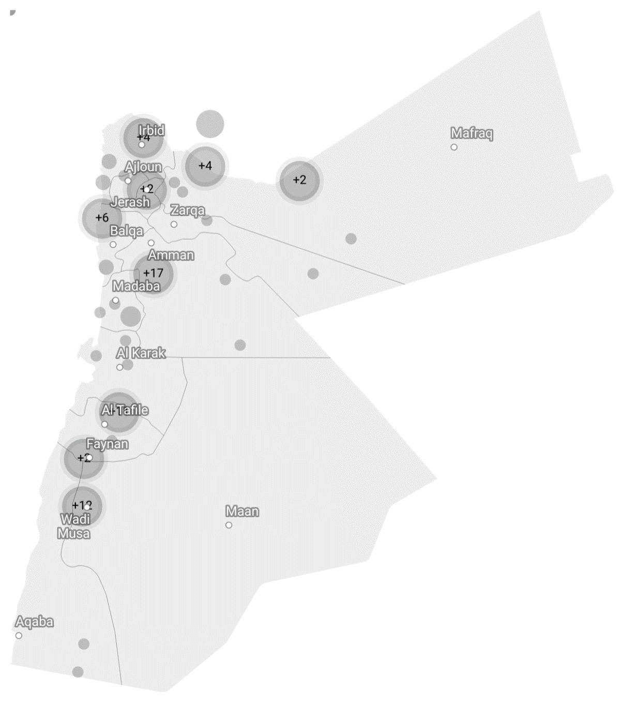

Digital formats
 | %
Web formats | 45%
Text formats | 17%
Image format | 13%
Database formats | 8%
Unspecified | 6%
Table formats | 5%
Audiovisual formats | 4%
Map formats | 2%

Provenance of the records (Region)
 | Number | %
All 3 areas | 56 | 42%
South Jordan | 38 | 29%
North Jordan | 17 | 13%
Central Jordan | 10 | 8%
South&Central Jordan | 7 | 5%
North&Central Jordan | 4 | 3%
South&North Jordan | 1 | 1%
Dataset language(s)
 | Dataset language(s)
English | 104
Arabic | 36
English+Arabic | 17
German | 9
French | 6
Dutch | 1
Polish | 1
Finnish | 1
Unknown | 1

Data Type
 | Number
Photograph | 66
Databases | 56
Text Other | 45
Map | 32
Report | 31
Article | 25
Essay | 21
Book | 18
Tables | 14
Plan or sketch | 12
Periodical | 11
Scientific and statistical data formats | 10
Video | 9
Artefact drawing | 9
Technical report | 8
Satellite image | 5
Aerial photograph | 4
3D models | 4
Manuscript | 4
Newspaper | 4
Recording | 3
Autobiography | 3
Legal article | 3
Letter | 3
Photogrammetric model | 2
Virtual reality | 2
Oral History Transcript | 2
Section Drawing | 1
Archived data | 1
Other | 1

UNESCO Cultural Heritage types:
 | Number
Tangible / Immovable / Archaeological Site | 90
Tangible / Movable / Finds and Objects | 47
Tangible / Movable / Monument | 35
Intangible / Habits and science related to human development | 27
Tangible / Historical Building | 18
Intangible / Oral Traditions and Expressions | 10

