Scatters
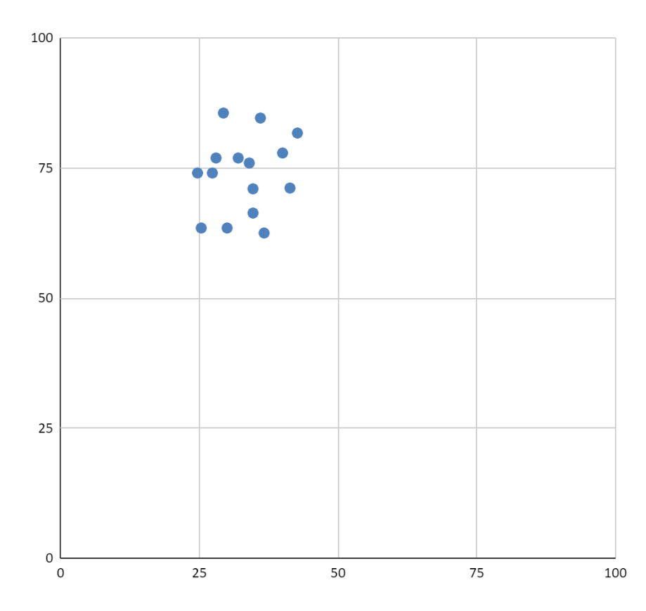
Factor | Overall Importance | Overall Satisfaction | Funder: Count | Funder: Importance | Funder: Satisfaction | Inst: Count | Inst: Importance | Inst: Satisfaction | University: Count | University: Importance | University: Satisfaction | Has Policy: Count | Has Policy: Importance | Has Policy: Satisfaction | No Policy: Count | No Policy: Importance | No Policy: Satisfaction
Published in a journal with a data sharing policy | 62.32394366 | 40.71571429 | 12 | 58.33333333 | 40.275 | 11 | 70.45454545 | 46.96363636 | 48 | 61.45833333 | 39.36595745 | 41 | 57.92682927 | 44.71707317 | 26 | 66.34615385 | 34.668
Funded by a funding agency that has a data sharing policy | 75.71428571 | 50.72463768 | 11 | 59.09090909 | 56.05454545 | 11 | 77.27272727 | 57.57272727 | 48 | 79.16666667 | 47.87446809 | 40 | 71.875 | 56.245 | 26 | 81.73076923 | 42.676
Includes a data availability statement | 76.05633803 | 46.90285714 | 12 | 81.25 | 48.6 | 11 | 77.27272727 | 54.52727273 | 48 | 74.47916667 | 44.68510638 | 41 | 77.43902439 | 49.18536585 | 26 | 71.15384615 | 41.332
Includes links to research data in a repository | 78.57142857 | 45.95 | 12 | 79.16666667 | 41.65833333 | 11 | 86.36363636 | 59.09090909 | 47 | 76.59574468 | 43.97021277 | 40 | 78.125 | 48.77804878 | 26 | 77.88461538 | 40
Has associated researh data available on request | 61.61971831 | 36.19285714 | 12 | 62.5 | 36.10833333 | 11 | 59.09090909 | 50 | 48 | 61.97916667 | 32.98297872 | 41 | 58.53658537 | 39.43414634 | 26 | 63.46153846 | 30.004
Includes research data in the supporting information files | 61.23188406 | 42.37857143 | 12 | 56.25 | 45.83333333 | 11 | 56.81818182 | 60.6 | 46 | 63.58695652 | 37.23191489 | 40 | 54.375 | 47.15121951 | 25 | 71 | 34.664
Includes publicly available code or software | 69.36619718 | 40.23857143 | 12 | 64.58333333 | 36.1 | 11 | 68.18181818 | 60.60909091 | 48 | 70.83333333 | 36.52765957 | 41 | 65.24390244 | 43.49512195 | 26 | 75.96153846 | 34
The research data were made publicly available in a data repository | 80.28169014 | 45.00428571 | 12 | 93.75 | 45.83333333 | 11 | 77.27272727 | 56.06363636 | 48 | 77.60416667 | 42.20425532 | 41 | 76.82926829 | 51.22195122 | 26 | 84.61538462 | 36.008
The research data were made available | 79.57746479 | 40.34057971 | 12 | 95.83333333 | 43.05 | 11 | 86.36363636 | 53.33 | 48 | 73.95833333 | 36.88510638 | 41 | 79.87804878 | 48.335 | 26 | 76.92307692 | 28.004
The research data are made available in a reusable form | 80.79710145 | 34.80735294 | 12 | 81.25 | 25.00833333 | 10 | 90 | 51.66 | 47 | 78.72340426 | 33.7 | 39 | 76.28205128 | 38.03846154 | 26 | 85.57692308 | 29.336
The research data have been made available as part of a journal publication | 63.02816901 | 44.92608696 | 12 | 60.41666667 | 45.825 | 11 | 61.36363636 | 58.34 | 48 | 64.0625 | 41.84255319 | 41 | 60.36585366 | 50.415 | 26 | 62.5 | 36.668
Why research data have not been made publicly available | 74.64788732 | 34.54347826 | 12 | 83.33333333 | 30.54166667 | 11 | 75 | 48.33 | 48 | 72.39583333 | 32.63191489 | 41 | 73.17073171 | 37.9125 | 26 | 74.03846154 | 27.348
A data or outputs management plan (DMP) was followed | 70.77464789 | 37.92173913 | 12 | 81.25 | 38.88333333 | 11 | 77.27272727 | 48.33 | 48 | 66.66666667 | 35.46170213 | 41 | 67.07317073 | 44.58 | 26 | 74.03846154 | 24.668
The code or software have been made publicly available in a repository | 71.12676056 | 40.09565217 | 12 | 75 | 37.49166667 | 11 | 70.45454545 | 50 | 48 | 70.3125 | 38.65319149 | 41 | 65.85365854 | 44.1625 | 26 | 76.92307692 | 32.004
The research data or code have been reused for new research | 63.38028169 | 33.58115942 | 12 | 66.66666667 | 22.225 | 11 | 68.18181818 | 58.33 | 48 | 61.45833333 | 31.21489362 | 41 | 64.02439024 | 36.6725 | 26 | 63.46153846 | 25.34
Researchers have complied with your research data sharing / data management policy | 84.75609756 | 42.6804878 | 9 | 97.22222222 | 40.73333333 | 9 | 91.66666667 | 42.56666667 | 23 | 77.17391304 | 43.48695652 | 41 | 84.75609756 | 42.6804878 | 0
Journals support compliance with your research data sharing / data management policy | 65.85365854 | 45.52682927 | 9 | 72.22222222 | 40.74444444 | 9 | 72.22222222 | 44.42222222 | 23 | 60.86956522 | 47.83043478 | 41 | 65.85365854 | 45.52682927 | 0
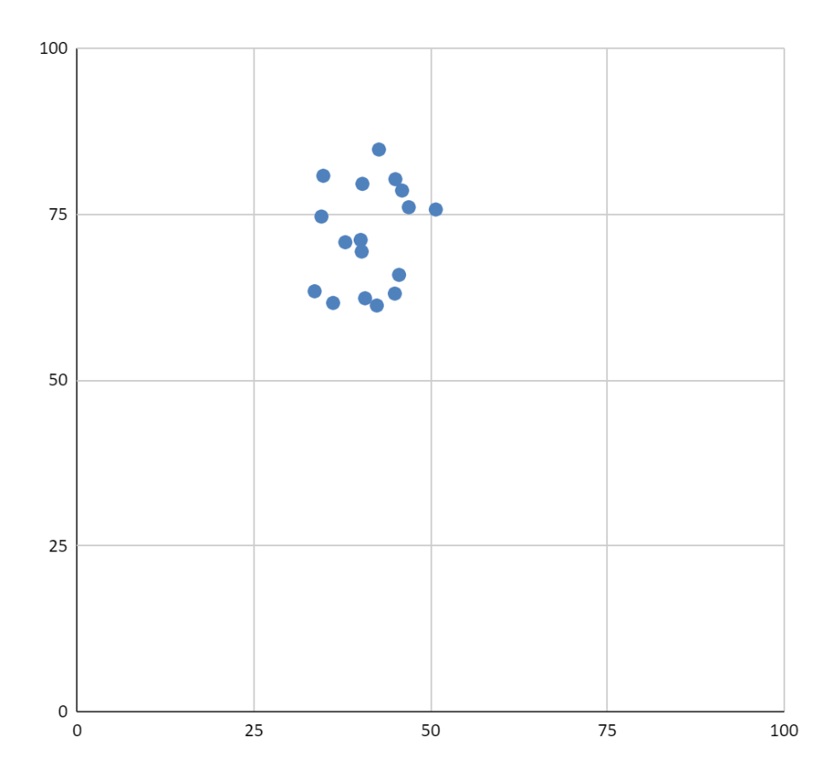
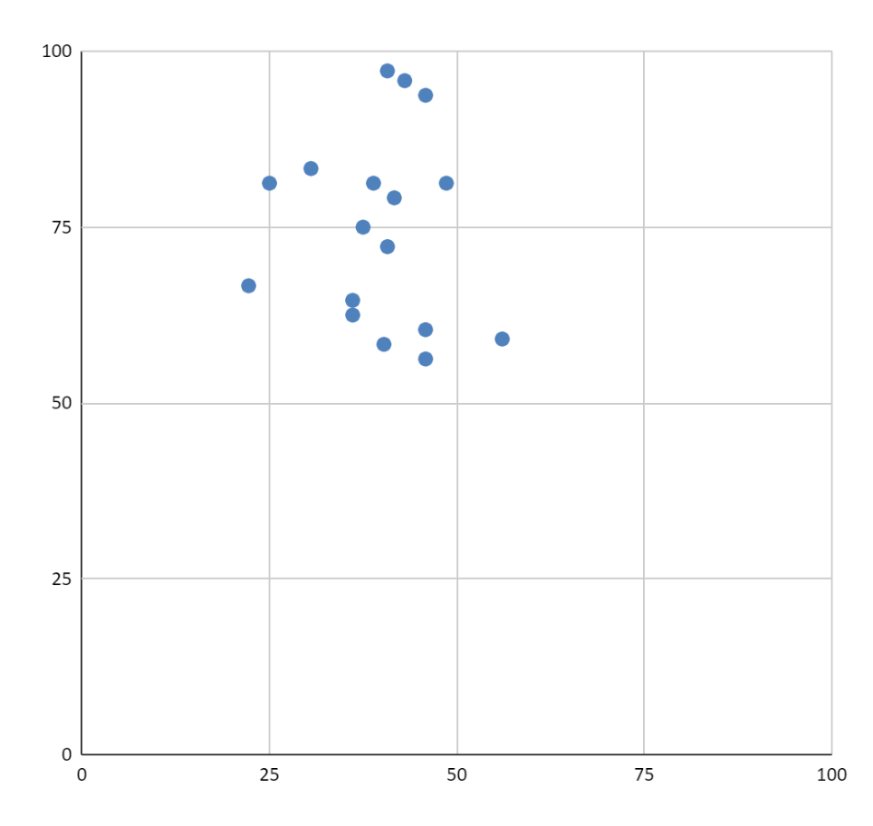
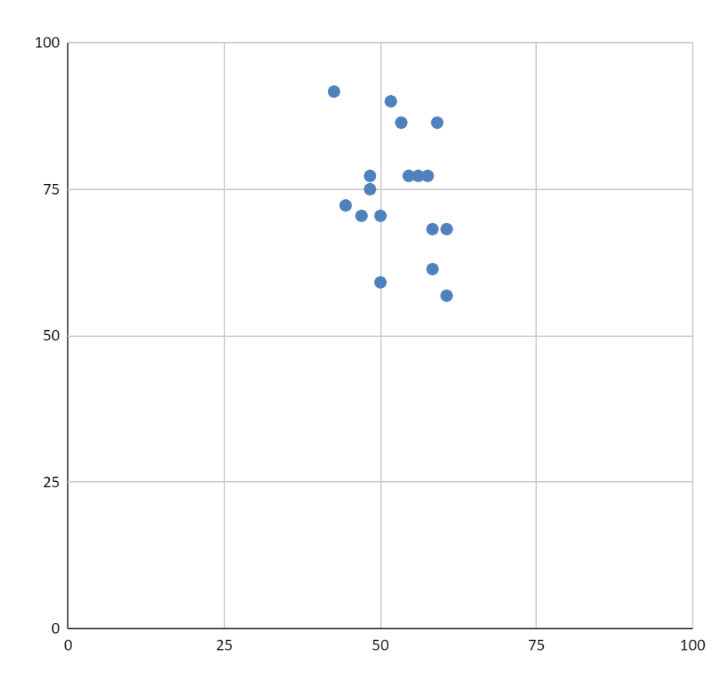
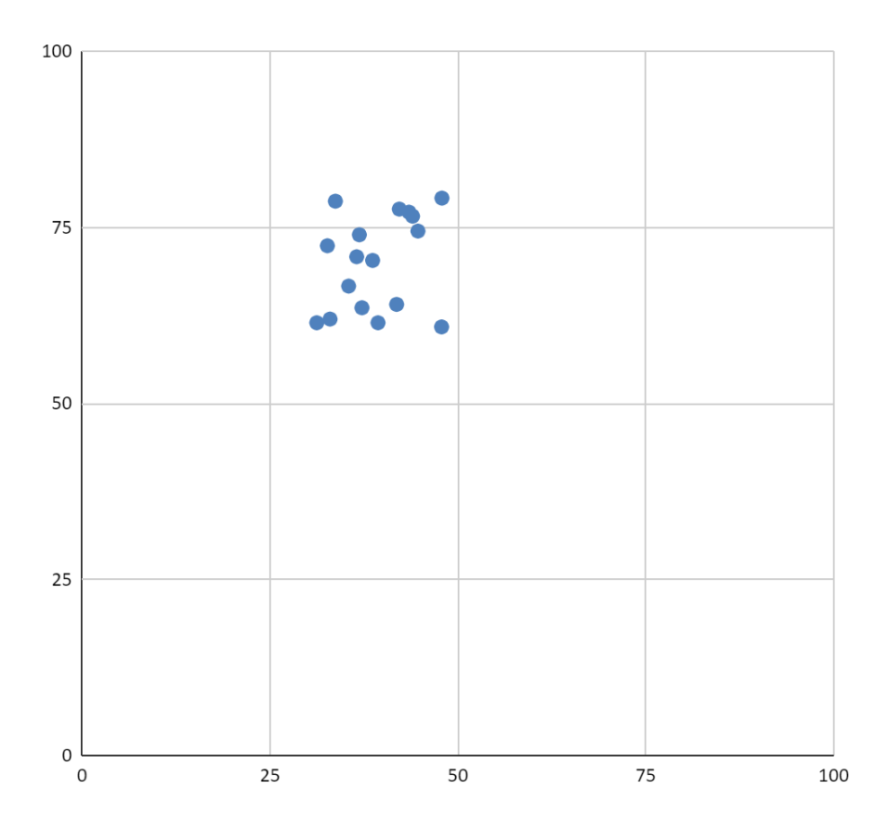
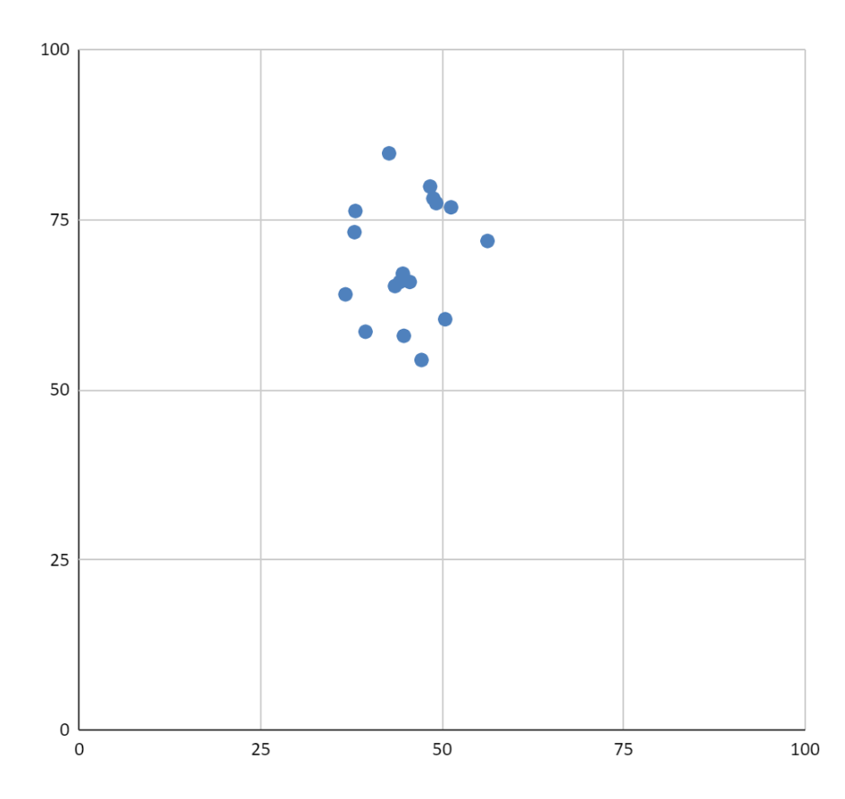
 | 71.712209086 | 41.325344734

