Table seawater composition
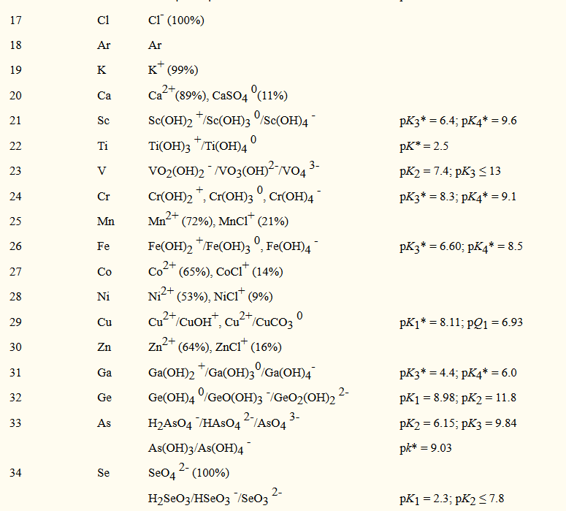
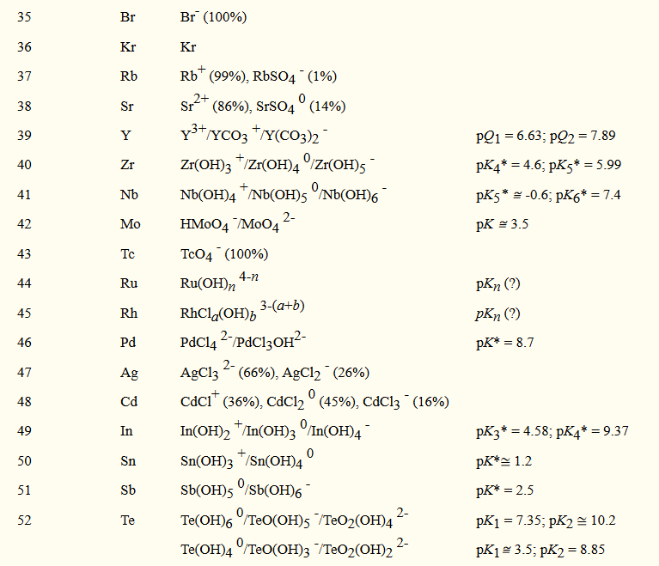
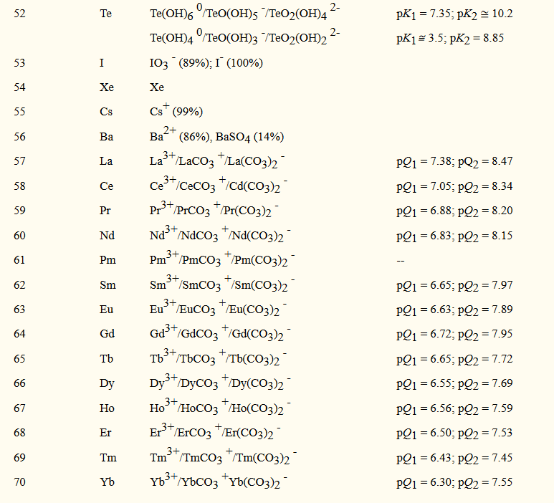
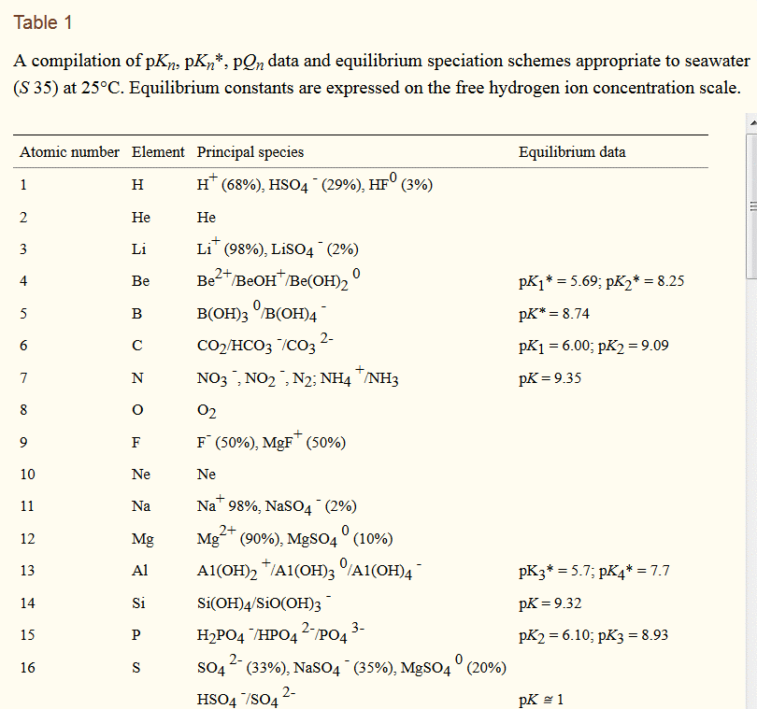
Element | Mean ocean concentration (µmol/kg) | Element/Ca (umol/mol)
Calcium | 10270.00000 |  | Ca2+ | 20
Strontium | 89.00000 | 8666.01753 | Sr2+ | 38
Magnesium | 52700.00000 | 5131450.82800 | Mg2+ | 12
Barium | 0.10900 | 10.61344 | Ba2+ | 56
Boron | 416.00000 | 40506.32911 | B(OH)4- involved otherwise mostly B(OH)3 | 5
Lithium | 25.90000 | 2521.90847 | Li+ | 3
Cadmium | 0.00062 | 0.06037 | CdCl+ | 48
Uranium | 0.01340 | 1.30477 | UO2+ involved | 92
Zn | 0.00540 | 0.52580
Na | 469.00000 | 45666.99124
0.2131 g/kg/Cl
0.2128 g/kg/Cl

S=1.80655*Cl-

