State Trans Diag
State Transition Diagram of Strategy: | Status quo |  | Tree Diagram
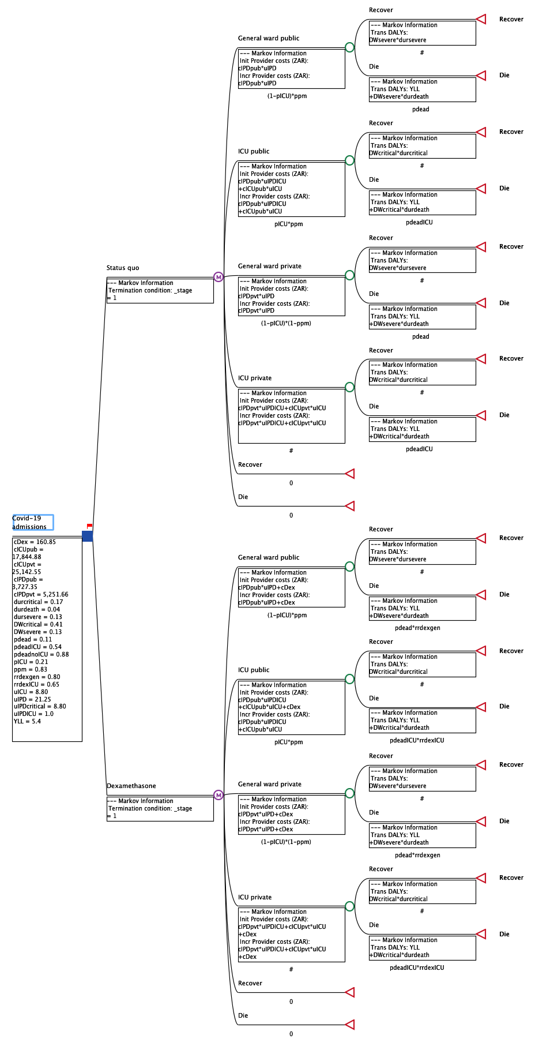


State Transition Diagram of Strategy: | Dexamethasone

 | Same As | Status quo

