Aim 1 diagnostics
Pearson residuals |  |  |  |  | Deviance residuals
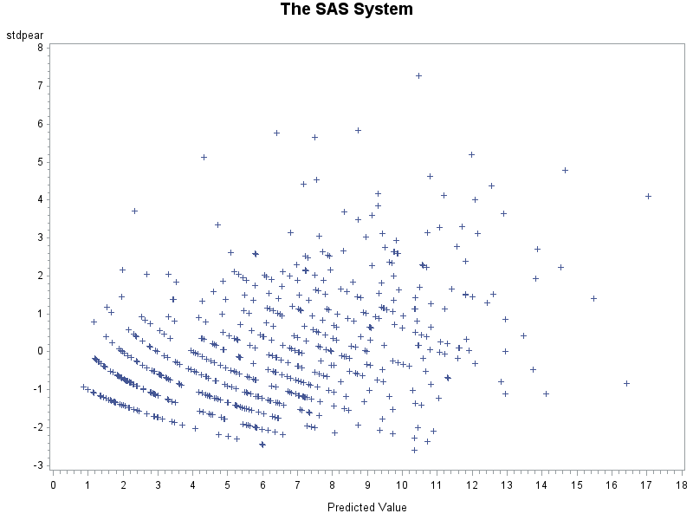
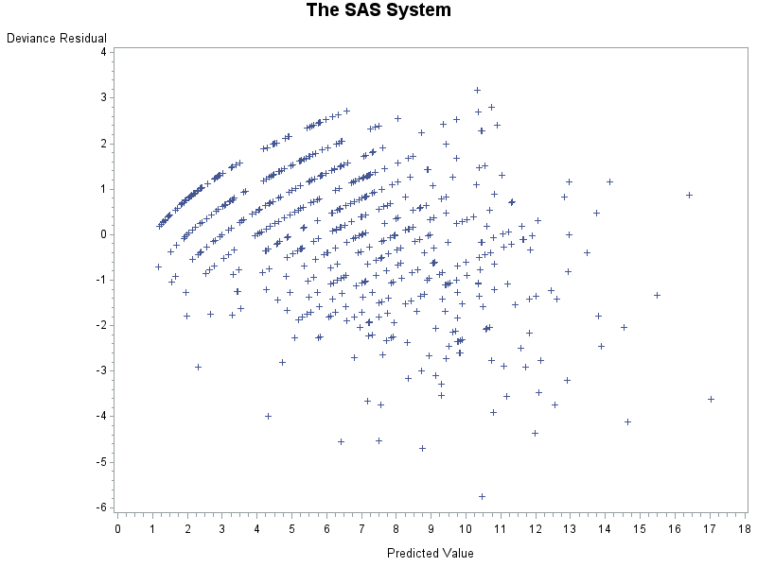

Criterion | DF | Value | Value/DF
Deviance | 634 | 695.9891 | 1.0978 | 0.95596779305
Scaled Deviance | 634 | 695.9891 | 1.0978
Pearson Chi-Square | 634 | 624.0168 | 0.9843 | 0.39623928763
Scaled Pearson X2 | 634 | 624.0168 | 0.9843

 | 10 | 4.86518 | 1 | 0.099999868558

