Country
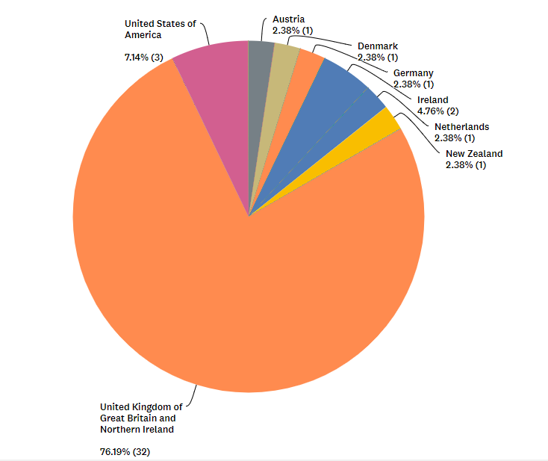
In what country do you work? | 42 answers 1 skipped | Country | # respondents
 |  | UK | 32 | 76%
 |  | USA | 3 | 7%
 |  | Ireland | 2 | 5%
 |  | Austria | 1 | 2%
 |  | Denmark | 1 | 2%
 |  | Germany | 1 | 2%
 |  | Netherlands | 1 | 2%
 |  | New Zealand | 1 | 2%

Job roles
Job role | Are you: | 42 answers 1 skipped
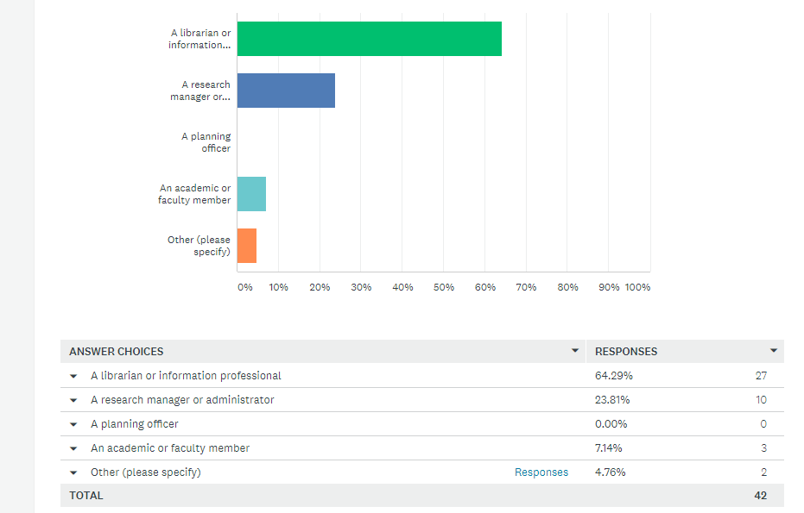

OTHER:
An ad hoc user of Scopus and Scival on a freelance basis to meet project I get involved with.
Research Metrics Analyst

 | A librarian or information professional | 64% | 27
 | A research manager or administrator | 24% | 10
 | An academic or faculty member | 7% | 3
 | Other | 5% | 2
 | A planning officer | 0 | 0

Tools used
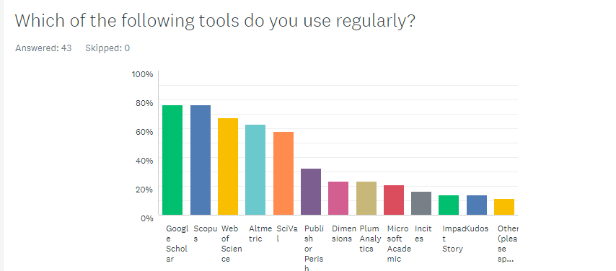
Tool | % respondents selecting | # respondents selecting
Google Scholar | 76.74% | 33
Scopus | 76.74% | 33
Web of Science | 67.44% | 29
Altmetric | 62.79% | 27
SciVal | 58.14% | 25
Publish or Perish | 32.56% | 14
Dimensions | 23.26% | 10
Plum Analytics | 23.26% | 10
Microsoft Academic | 20.93% | 9
Incites | 16.28% | 7
Impact Story | 13.95% | 6
Kudos | 13.95% | 6
Other (please specify) | 11.63% | 5
Academic Analytics
EPMC
local CRIS
NIH incite
Pure, DSpace, IRUS-UK

 |  |  | Google Scholar | 76.74% | Google Scholar | 76%
 |  |  |  | 33 | Scopus | 76%
 |  |  | – | 76.74% | Web of Science | 67%
 |  |  | Scopus | 33 | Altmetric | 63%
 |  |  | – | 67.44% | SciVal | 58%
 |  |  | Web of Science | 29 | Publish or Perish | 33%
 |  |  | – | 62.79% | Dimensions | 23%
 |  |  | Altmetric | 27 | Plum Analytics | 23%
 |  |  | – | 58.14% | Microsoft Academic | 21%
 |  |  | SciVal | 25 | Incites | 16%
 |  |  | – | 32.56% | Impact Story | 14%
 |  |  | Publish or Perish | 14 | Kudos | 14%
 |  |  | – | 23.26% | Other | 12%
 |  |  | Dimensions | 10
 |  |  | – | 23.26%
 |  |  | Plum Analytics | 10
 |  |  | – | 20.93%
 |  |  | Microsoft Academic | 9
 |  |  | – | 16.28%
 |  |  | Incites | 7
 |  |  | – | 13.95%
 |  |  | Impact Story | 6
 |  |  | – | 13.95%
 |  |  | Kudos | 6
 |  |  | – | 11.63%
 |  |  | Responses | 5
 |  |  | Other (please specify)

High-level themes #mentions
THEME NUMBER | Theme Name | Theme #1 | Theme #2 | Theme #3 | TOTAL Mentions
21 | Priorities | 1 | 1 | 0 | 2
25 | Simplicity | 0 | 2 | 0 | 2
30 | Clarity | 2 | 0 | 0 | 2
18 | False motives | 3 | 0 | 0 | 3
20 | Cost | 3 | 0 | 0 | 3
22 | Support for products | 3 | 0 | 0 | 3
26 | Able to validate/replicate | 2 | 1 | 0 | 3
11 | Institution indexing | 2 | 1 | 1 | 4
14 | Better visualisation | 4 | 0 | 0 | 4
27 | Almetrics | 2 | 2 | 0 | 4
29 | Non-trad outputs | 2 | 1 | 1 | 4
4 | Better export/download | 4 | 1 | 0 | 5
5 | Accuracy | 0 | 4 | 1 | 5
6 | Quality | 0 | 5 | 0 | 5
17 | Interoperability | 5 | 0 | 0 | 5
19 | UX | 5 | 0 | 0 | 5
10 | Author indexing | 3 | 3 | 0 | 6
16 | Open citation data | 6 | 0 | 0 | 6
23 | Granularity | 1 | 4 | 1 | 6
24 | Research areas/strengths | 4 | 2 | 0 | 6
0 | Other | 7 | 1 | 0 | 8
28 | AHSS | 0 | 7 | 1 | 8
7 | Documentation | 2 | 7 | 0 | 9
13 | Better analysis | 7 | 2 | 2 | 11
8 | Specific tools | 5 | 5 | 2 | 12
15 | Transparency | 13 | 3 | 0 | 16
9 | Metadata standards/indexing | 9 | 7 | 1 | 17
12 | Responsible use | 13 | 5 | 1 | 19
3 | Coverage | 17 | 3 | 0 | 20
1 | Data | 19 | 3 | 1 | 23
2 | Indicators | 10 | 14 | 0 | 24

Other |  | 0
Data |  | 1
Indicators |  | 2
Coverage |  | 3
Better export/download |  | 4
Accuracy |  | 5
Quality |  | 6
Documentation |  | 7
Specific tools |  | 8
Metadata standards/indexing |  | 9
Author indexing |  | 10
Institution indexing |  | 11
Responsible use |  | 12
Better analysis |  | 13
Better visualisation |  | 14
Transparency |  | 15
Open citation data |  | 16
Interoperability |  | 17
False motives |  | 18
UX |  | 19
Cost |  | 20
Priorities |  | 21
Support for products |  | 22
Granularity |  | 23
Research areas/strengths |  | 24
Simplicity |  | 25
Able to validate/replicate |  | 26
Almetrics |  | 27
AHSS |  | 28
Non-trad outputs |  | 29
Clarity |  | 30

