Calculator
①
 |  |  |  |  |  | Complete | MDE - Maximum Dazzle Exposure |  |  |  | Dazzle Level
 |  |  |  |  |  | Yellow
 |  |  |  |  |  | Boxes |  |  |  |  | V. Low
 |  |  |  |  |  |  |  |  | Laser wavelength (nm) | 532 | Low
 |  |  |  | v1.01 (26 Jul 2018) |  |  |  |  | Photopic luminous efficiency Vλ | 0.8783 | Medium | 0.18 | 137 | 9,108
 |  |  |  |  |  |  |  |  |  |  | High | 0.68 | 512 | 34,157
...
②
 |  |  |  |  |  |  | NODD - Nominal Ocular Dazzle Distance |  |  |  | Dazzle Level | NODD (km)
 |  |  |  |  | Ambient luminance (cd/m2) |  |  |  |  |  |  | Night | Dusk | Day
 |  |  |  |  |  |  |  |  | Laser wavelength (nm) | 532 | V. Low | 118.231 | 4.827 | 0.591
 | Night | Dusk | Day |  | Night | 0.1 |  |  | Laser power (mW) | 500 | Low | 18.694 | 0.683 | 0.084
V. Low | 0.001 | 0.6 | 40 | ÷ Vλ | Dusk | 10 |  |  | Laser divergence (mrad) | 2 | Medium | 9.347 | 0.341 | 0.042
 |  |  |  |  | Day | 1,000 |  |  |  |  | High | 4.827 | 0.176 | 0.022
Low | 0.04 | 30 | 2,000
 |  |  |  |  | DL - Dazzle Level
Medium | 0.16 | 120 | 8,000 |  | V. Low | 2°
 |  |  |  |  | Low | 10°
High | 0.6 | 450 | 30,000 |  | Medium | 20°
 |  |  |  |  | High | 40°
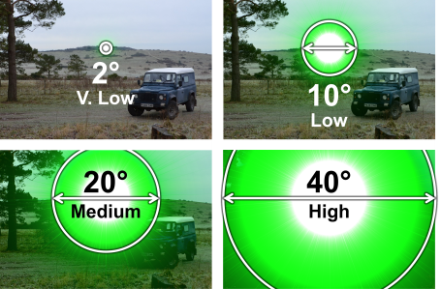
...
③
 |  |  |  |  |  |  | OD - Optical Density |  |  |  | Dazzle Level | OD at 532 nm
 |  |  |  |  |  |  |  |  | Laser wavelength (nm) | 532 |  | Night | Dusk | Day
 |  |  |  |  |  |  |  |  | Laser power (mW) | 500 | V. Low | 5.2 | 2.4 | 0.6
 |  |  |  |  |  |  |  |  | Laser divergence (mrad) | 2 | Low | 3.6 | 0.7 | NONE
 |  |  |  |  |  |  |  |  | Range (km) | 0.300 | Medium | 3.0 | 0.1 | NONE
 |  |  |  |  |  |  |  |  | Laser irradiance (µW/cm2) | 176.83882566 | High | 2.4 | NONE | NONE
...
 |  |  |  |  |  | Complete | MDE - Maximum Dazzle Exposure |  |  |  | Dazzle Level | MDE (µW/cm2)
 |  |  |  |  |  |  | Required for NODD graph
 |  |  |  |  |  |  | Dazzle Level | Cumulative NODD
 |  |  |  |  |  |  |  | Night | Dusk | Day
 |  |  |  |  |  |  | V. Low | 99.537 | 4.144 | 0.508
 |  |  |  |  |  |  | Low | 9.347 | 0.341 | 0.042
 |  |  |  |  |  |  | Medium | 4.520 | 0.165 | 0.020
 |  |  |  |  |  |  | High | 4.827 | 0.176 | 0.022
...

